ARPM1 _multivariate
Reported by Tex Li-Hsing Chi. tex@gate.sinica.edu.tw 2019-08-21

Table 2. The clinicopathological features of HNSCC cohort and ARPM1 expression. (Chi square test)
Cutoff at -0.207 (50.0%)
 |  | ARPM1 expression |  | ARPM1 expression |  | (Optimised)
 | Features | Low | (%) | High | (%) | Case no | P-value | Remark | Matthews
Gender | Female | 152 | 36.6 | 154 | 37.1 | 415 | 0.9766 | 0 | 0
2 | Male | 55 | 13.3 | 54 | 13
Age at diagnosis | <=65y | 134 | 32.3 | 140 | 33.7 | 415 | 0.6529 | 0 | 0
4 | >65y | 73 | 17.6 | 68 | 16.4
Clinical T Status | T1+T2 | 65 | 15.7 | 84 | 20.2 | 415 | 0.0711 | 0 | 0
6 | T3+T4 | 142 | 34.2 | 124 | 29.9
Clinical N Status | N0 | 102 | 24.6 | 114 | 27.5 | 415 | 0.3031 | 0 | 0
8 | N1-3 | 105 | 25.3 | 94 | 22.7
Clinical M Status | M0 | 206 | 49.6 | 206 | 49.6 | 415 | 1 | 0 | 0
10 | M1 | 1 | 0.2 | 2 | 0.5
Clinical Stage | Stage I+II | 42 | 10.1 | 60 | 14.5 | 415 | 0.0561 | 0 | 0
12 | Stage III+IV | 165 | 39.8 | 148 | 35.7
Surgical Margin status | Negative | 163 | 39.3 | 155 | 37.3 | 415 | 0.3537 | 0 | 0
14 | Positive | 44 | 10.6 | 53 | 12.8
Tobacco Exposure | Low | 86 | 20.7 | 75 | 18.1 | 415 | 0.2687 | 0 | 0
16 | High | 121 | 29.2 | 133 | 32

Table 3. Univariate/Multivariate Cox's proportional hazards regression analyses on OS time of ARPM1 gene expression in HNSCC

 |  | Univariate |  |  |  | Multivariate
 | Features | HR | CI95%(L) | CI95%(H) | P-value | HR | CI95%(L) | CI95%(H) | P-value
1 | Female | 1 |  |  |  | 1
Gender | Male | 1.157 | 0.843 | 1.587 | 0.367 | 1.206 | 0.863 | 1.687 | 0.272
11 | <=65y | 1 |  |  |  | 1
Age at diagnosis | >65y | 1.329 | 0.99 | 1.784 | 0.058 | 1.382 | 1.017 | 1.879 | 0.039
12 | T1+T2 | 1 |  |  |  | 1
Clinical T Status | T3+T4 | 1.409 | 1.028 | 1.931 | 0.033 | 2.188 | 1.157 | 4.138 | 0.016
13 | N0 | 1 |  |  |  | 1
Clinical N Status | N1-3 | 1.185 | 0.89 | 1.577 | 0.246 | 1.238 | 0.868 | 1.766 | 0.239
14 | M0 | 1 |  |  |  | 1
Clinical M Status | M1 | 4.097 | 1.009 | 16.644 | 0.049 | 9.716 | 2.115 | 44.631 | 0.003
15 | Stage I+II | 1 |  |  |  | 1
Clinical Stage | Stage III+IV | 1.245 | 0.882 | 1.759 | 0.213 | 0.505 | 0.235 | 1.083 | 0.079
16 | Negative | 1 |  |  |  | 1
Surgical Margin status | Positive | 1.591 | 1.155 | 2.191 | 0.004 | 1.678 | 1.214 | 2.318 | 0.002
17 | Low | 1 |  |  |  | 1
Tobacco Exposure | High | 1.364 | 1.008 | 1.844 | 0.044 | 1.462 | 1.06 | 2.015 | 0.02
18 | Low | 1 |  |  |  | 1
RNAseq(z-score) | High | 0.883 | 0.663 | 1.175 | 0.393 | 0.887 | 0.664 | 1.184 | 0.415

Table 4. Univariate/Multivariate Cox's proportional hazards regression analyses on RFS time of ARPM1 gene expression in HNSCC

 |  | Univariate |  |  |  | Multivariate
 | Features | HR | CI95%(L) | CI95%(H) | P-value | HR | CI95%(L) | CI95%(H) | P-value
1 | Female | 1 |  |  |  | 1
Gender | Male | 1.157 | 0.843 | 1.587 | 0.367 | 1.206 | 0.863 | 1.687 | 0.272
11 | <=65y | 1 |  |  |  | 1
Age at diagnosis | >65y | 1.329 | 0.99 | 1.784 | 0.058 | 1.382 | 1.017 | 1.879 | 0.039
12 | T1+T2 | 1 |  |  |  | 1
Clinical T Status | T3+T4 | 1.409 | 1.028 | 1.931 | 0.033 | 2.188 | 1.157 | 4.138 | 0.016
13 | N0 | 1 |  |  |  | 1
Clinical N Status | N1-3 | 1.185 | 0.89 | 1.577 | 0.246 | 1.238 | 0.868 | 1.766 | 0.239
14 | M0 | 1 |  |  |  | 1
Clinical M Status | M1 | 4.097 | 1.009 | 16.644 | 0.049 | 9.716 | 2.115 | 44.631 | 0.003
15 | Stage I+II | 1 |  |  |  | 1
Clinical Stage | Stage III+IV | 1.245 | 0.882 | 1.759 | 0.213 | 0.505 | 0.235 | 1.083 | 0.079
16 | Negative | 1 |  |  |  | 1
Surgical Margin status | Positive | 1.591 | 1.155 | 2.191 | 0.004 | 1.678 | 1.214 | 2.318 | 0.002
17 | Low | 1 |  |  |  | 1
Tobacco Exposure | High | 1.364 | 1.008 | 1.844 | 0.044 | 1.462 | 1.06 | 2.015 | 0.02
18 | Low | 1 |  |  |  | 1
RNAseq(z-score) | High | 0.883 | 0.663 | 1.175 | 0.393 | 0.887 | 0.664 | 1.184 | 0.415

Kaplan-Meier survival estimate: Cutoff at -0.207 (50.0%)



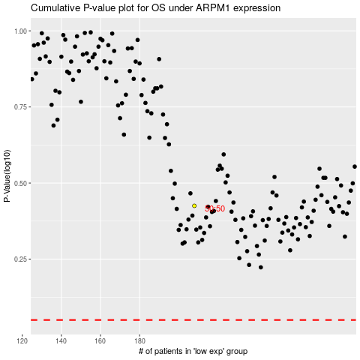

 |  |  |  |  |  | cases_OS | p_OS | rank | exp
 |  |  |  |  |  |  | cases_RFS | p_RFS | rank | exp

