ARPP19 _multivariate
Reported by Tex Li-Hsing Chi. tex@gate.sinica.edu.tw 2019-08-21

Table 2. The clinicopathological features of HNSCC cohort and ARPP19 expression. (Chi square test)
Cutoff at 0.003 (50.0%)
 |  | ARPP19 expression |  | ARPP19 expression |  | (Optimised)
 | Features | Low | (%) | High | (%) | Case no | P-value | Remark | Matthews
Gender | Female | 160 | 38.6 | 146 | 35.2 | 415 | 0.1254 | 0 | 0
2 | Male | 47 | 11.3 | 62 | 14.9
Age at diagnosis | <=65y | 145 | 34.9 | 129 | 31.1 | 415 | 0.1046 | 0 | 0
4 | >65y | 62 | 14.9 | 79 | 19
Clinical T Status | T1+T2 | 76 | 18.3 | 73 | 17.6 | 415 | 0.8092 | 0 | 0
6 | T3+T4 | 131 | 31.6 | 135 | 32.5
Clinical N Status | N0 | 108 | 26 | 108 | 26 | 415 | 1 | 0 | 0
8 | N1-3 | 99 | 23.9 | 100 | 24.1
Clinical M Status | M0 | 206 | 49.6 | 206 | 49.6 | 415 | 1 | 0 | 0
10 | M1 | 1 | 0.2 | 2 | 0.5
Clinical Stage | Stage I+II | 53 | 12.8 | 49 | 11.8 | 415 | 0.7113 | 0 | 0
12 | Stage III+IV | 154 | 37.1 | 159 | 38.3
Surgical Margin status | Negative | 163 | 39.3 | 155 | 37.3 | 415 | 0.3537 | 0 | 0
14 | Positive | 44 | 10.6 | 53 | 12.8
Tobacco Exposure | Low | 79 | 19 | 82 | 19.8 | 415 | 0.8405 | 0 | 0
16 | High | 128 | 30.8 | 126 | 30.4

Table 3. Univariate/Multivariate Cox's proportional hazards regression analyses on OS time of ARPP19 gene expression in HNSCC

 |  | Univariate |  |  |  | Multivariate
 | Features | HR | CI95%(L) | CI95%(H) | P-value | HR | CI95%(L) | CI95%(H) | P-value
1 | Female | 1 |  |  |  | 1
Gender | Male | 1.157 | 0.843 | 1.587 | 0.367 | 1.187 | 0.849 | 1.659 | 0.315
11 | <=65y | 1 |  |  |  | 1
Age at diagnosis | >65y | 1.329 | 0.99 | 1.784 | 0.058 | 1.394 | 1.025 | 1.896 | 0.034
12 | T1+T2 | 1 |  |  |  | 1
Clinical T Status | T3+T4 | 1.409 | 1.028 | 1.931 | 0.033 | 2.234 | 1.18 | 4.228 | 0.014
13 | N0 | 1 |  |  |  | 1
Clinical N Status | N1-3 | 1.185 | 0.89 | 1.577 | 0.246 | 1.257 | 0.88 | 1.796 | 0.209
14 | M0 | 1 |  |  |  | 1
Clinical M Status | M1 | 4.097 | 1.009 | 16.644 | 0.049 | 9.35 | 2.039 | 42.871 | 0.004
15 | Stage I+II | 1 |  |  |  | 1
Clinical Stage | Stage III+IV | 1.245 | 0.882 | 1.759 | 0.213 | 0.496 | 0.231 | 1.066 | 0.072
16 | Negative | 1 |  |  |  | 1
Surgical Margin status | Positive | 1.591 | 1.155 | 2.191 | 0.004 | 1.672 | 1.21 | 2.311 | 0.002
17 | Low | 1 |  |  |  | 1
Tobacco Exposure | High | 1.364 | 1.008 | 1.844 | 0.044 | 1.456 | 1.057 | 2.005 | 0.021
18 | Low | 1 |  |  |  | 1
RNAseq(z-score) | High | 1.106 | 0.83 | 1.473 | 0.492 | 1.138 | 0.851 | 1.52 | 0.384

Table 4. Univariate/Multivariate Cox's proportional hazards regression analyses on RFS time of ARPP19 gene expression in HNSCC

 |  | Univariate |  |  |  | Multivariate
 | Features | HR | CI95%(L) | CI95%(H) | P-value | HR | CI95%(L) | CI95%(H) | P-value
1 | Female | 1 |  |  |  | 1
Gender | Male | 1.157 | 0.843 | 1.587 | 0.367 | 1.187 | 0.849 | 1.659 | 0.315
11 | <=65y | 1 |  |  |  | 1
Age at diagnosis | >65y | 1.329 | 0.99 | 1.784 | 0.058 | 1.394 | 1.025 | 1.896 | 0.034
12 | T1+T2 | 1 |  |  |  | 1
Clinical T Status | T3+T4 | 1.409 | 1.028 | 1.931 | 0.033 | 2.234 | 1.18 | 4.228 | 0.014
13 | N0 | 1 |  |  |  | 1
Clinical N Status | N1-3 | 1.185 | 0.89 | 1.577 | 0.246 | 1.257 | 0.88 | 1.796 | 0.209
14 | M0 | 1 |  |  |  | 1
Clinical M Status | M1 | 4.097 | 1.009 | 16.644 | 0.049 | 9.35 | 2.039 | 42.871 | 0.004
15 | Stage I+II | 1 |  |  |  | 1
Clinical Stage | Stage III+IV | 1.245 | 0.882 | 1.759 | 0.213 | 0.496 | 0.231 | 1.066 | 0.072
16 | Negative | 1 |  |  |  | 1
Surgical Margin status | Positive | 1.591 | 1.155 | 2.191 | 0.004 | 1.672 | 1.21 | 2.311 | 0.002
17 | Low | 1 |  |  |  | 1
Tobacco Exposure | High | 1.364 | 1.008 | 1.844 | 0.044 | 1.456 | 1.057 | 2.005 | 0.021
18 | Low | 1 |  |  |  | 1
RNAseq(z-score) | High | 1.106 | 0.83 | 1.473 | 0.492 | 1.138 | 0.851 | 1.52 | 0.384

Kaplan-Meier survival estimate: Cutoff at 0.003 (50.0%)



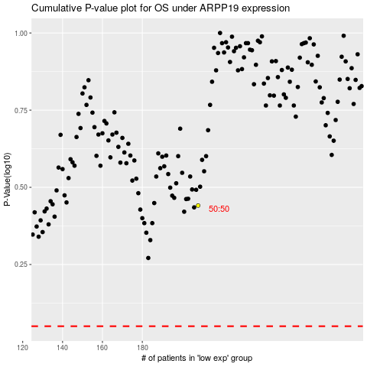

 |  |  |  |  |  | cases_OS | p_OS | rank | exp
 |  |  |  |  |  |  | cases_RFS | p_RFS | rank | exp

