ARRB2 _multivariate
Reported by Tex Li-Hsing Chi. tex@gate.sinica.edu.tw 2019-08-21

Table 2. The clinicopathological features of HNSCC cohort and ARRB2 expression. (Chi square test)
Cutoff at -0.148 (49.8%)
 |  | ARRB2 expression |  | ARRB2 expression |  | (Optimised)
 | Features | Low | (%) | High | (%) | Case no | P-value | Remark | Matthews
Gender | Female | 150 | 36.1 | 156 | 37.6 | 415 | 0.6344 | 0 | 0
2 | Male | 57 | 13.7 | 52 | 12.5
Age at diagnosis | <=65y | 144 | 34.7 | 130 | 31.3 | 415 | 0.1568 | 0 | 0
4 | >65y | 63 | 15.2 | 78 | 18.8
Clinical T Status | T1+T2 | 83 | 20 | 66 | 15.9 | 415 | 0.0941 | 0 | 0
6 | T3+T4 | 124 | 29.9 | 142 | 34.2
Clinical N Status | N0 | 119 | 28.7 | 97 | 23.4 | 415 | 0.0345 | 1 | 0
8 | N1-3 | 88 | 21.2 | 111 | 26.7
Clinical M Status | M0 | 205 | 49.4 | 207 | 49.9 | 415 | 0.6232 | 0 | 0
10 | M1 | 2 | 0.5 | 1 | 0.2
Clinical Stage | Stage I+II | 63 | 15.2 | 39 | 9.4 | 415 | 0.008 | 1 | 0
12 | Stage III+IV | 144 | 34.7 | 169 | 40.7
Surgical Margin status | Negative | 160 | 38.6 | 158 | 38.1 | 415 | 0.8167 | 0 | 0
14 | Positive | 47 | 11.3 | 50 | 12
Tobacco Exposure | Low | 78 | 18.8 | 83 | 20 | 415 | 0.6873 | 0 | 0
16 | High | 129 | 31.1 | 125 | 30.1

Table 3. Univariate/Multivariate Cox's proportional hazards regression analyses on OS time of ARRB2 gene expression in HNSCC

 |  | Univariate |  |  |  | Multivariate
 | Features | HR | CI95%(L) | CI95%(H) | P-value | HR | CI95%(L) | CI95%(H) | P-value
1 | Female | 1 |  |  |  | 1
Gender | Male | 1.157 | 0.843 | 1.587 | 0.367 | 1.202 | 0.859 | 1.682 | 0.282
11 | <=65y | 1 |  |  |  | 1
Age at diagnosis | >65y | 1.329 | 0.99 | 1.784 | 0.058 | 1.391 | 1.023 | 1.892 | 0.035
12 | T1+T2 | 1 |  |  |  | 1
Clinical T Status | T3+T4 | 1.409 | 1.028 | 1.931 | 0.033 | 2.203 | 1.165 | 4.168 | 0.015
13 | N0 | 1 |  |  |  | 1
Clinical N Status | N1-3 | 1.185 | 0.89 | 1.577 | 0.246 | 1.241 | 0.87 | 1.77 | 0.234
14 | M0 | 1 |  |  |  | 1
Clinical M Status | M1 | 4.097 | 1.009 | 16.644 | 0.049 | 9.419 | 2.05 | 43.266 | 0.004
15 | Stage I+II | 1 |  |  |  | 1
Clinical Stage | Stage III+IV | 1.245 | 0.882 | 1.759 | 0.213 | 0.504 | 0.234 | 1.085 | 0.08
16 | Negative | 1 |  |  |  | 1
Surgical Margin status | Positive | 1.591 | 1.155 | 2.191 | 0.004 | 1.671 | 1.209 | 2.31 | 0.002
17 | Low | 1 |  |  |  | 1
Tobacco Exposure | High | 1.364 | 1.008 | 1.844 | 0.044 | 1.453 | 1.055 | 2.003 | 0.022
18 | Low | 1 |  |  |  | 1
RNAseq(z-score) | High | 1.007 | 0.755 | 1.342 | 0.963 | 1.005 | 0.75 | 1.346 | 0.974

Table 4. Univariate/Multivariate Cox's proportional hazards regression analyses on RFS time of ARRB2 gene expression in HNSCC

 |  | Univariate |  |  |  | Multivariate
 | Features | HR | CI95%(L) | CI95%(H) | P-value | HR | CI95%(L) | CI95%(H) | P-value
1 | Female | 1 |  |  |  | 1
Gender | Male | 1.157 | 0.843 | 1.587 | 0.367 | 1.202 | 0.859 | 1.682 | 0.282
11 | <=65y | 1 |  |  |  | 1
Age at diagnosis | >65y | 1.329 | 0.99 | 1.784 | 0.058 | 1.391 | 1.023 | 1.892 | 0.035
12 | T1+T2 | 1 |  |  |  | 1
Clinical T Status | T3+T4 | 1.409 | 1.028 | 1.931 | 0.033 | 2.203 | 1.165 | 4.168 | 0.015
13 | N0 | 1 |  |  |  | 1
Clinical N Status | N1-3 | 1.185 | 0.89 | 1.577 | 0.246 | 1.241 | 0.87 | 1.77 | 0.234
14 | M0 | 1 |  |  |  | 1
Clinical M Status | M1 | 4.097 | 1.009 | 16.644 | 0.049 | 9.419 | 2.05 | 43.266 | 0.004
15 | Stage I+II | 1 |  |  |  | 1
Clinical Stage | Stage III+IV | 1.245 | 0.882 | 1.759 | 0.213 | 0.504 | 0.234 | 1.085 | 0.08
16 | Negative | 1 |  |  |  | 1
Surgical Margin status | Positive | 1.591 | 1.155 | 2.191 | 0.004 | 1.671 | 1.209 | 2.31 | 0.002
17 | Low | 1 |  |  |  | 1
Tobacco Exposure | High | 1.364 | 1.008 | 1.844 | 0.044 | 1.453 | 1.055 | 2.003 | 0.022
18 | Low | 1 |  |  |  | 1
RNAseq(z-score) | High | 1.007 | 0.755 | 1.342 | 0.963 | 1.005 | 0.75 | 1.346 | 0.974

Kaplan-Meier survival estimate: Cutoff at -0.148 (49.8%)



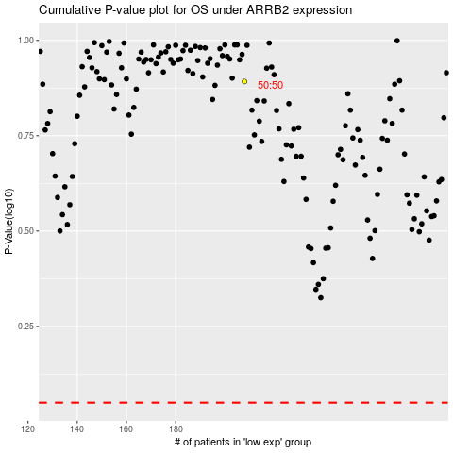

 |  |  |  |  |  | cases_OS | p_OS | rank | exp
 |  |  |  |  |  |  | cases_RFS | p_RFS | rank | exp

