ARRDC3 _multivariate
Reported by Tex Li-Hsing Chi. tex@gate.sinica.edu.tw 2019-08-21

Table 2. The clinicopathological features of HNSCC cohort and ARRDC3 expression. (Chi square test)
Cutoff at -0.263 (49.8%)
 |  | ARRDC3 expression |  | ARRDC3 expression |  | (Optimised)
 | Features | Low | (%) | High | (%) | Case no | P-value | Remark | Matthews
Gender | Female | 155 | 37.3 | 151 | 36.4 | 415 | 0.6768 | 0 | 0
2 | Male | 52 | 12.5 | 57 | 13.7
Age at diagnosis | <=65y | 139 | 33.5 | 135 | 32.5 | 415 | 0.7044 | 0 | 0
4 | >65y | 68 | 16.4 | 73 | 17.6
Clinical T Status | T1+T2 | 71 | 17.1 | 78 | 18.8 | 415 | 0.5638 | 0 | 0
6 | T3+T4 | 136 | 32.8 | 130 | 31.3
Clinical N Status | N0 | 108 | 26 | 108 | 26 | 415 | 1 | 0 | 0
8 | N1-3 | 99 | 23.9 | 100 | 24.1
Clinical M Status | M0 | 204 | 49.2 | 208 | 50.1 | 415 | 0.1232 | 0 | 0
10 | M1 | 3 | 0.7 | 0 | 0
Clinical Stage | Stage I+II | 51 | 12.3 | 51 | 12.3 | 415 | 1 | 0 | 0
12 | Stage III+IV | 156 | 37.6 | 157 | 37.8
Surgical Margin status | Negative | 154 | 37.1 | 164 | 39.5 | 415 | 0.2984 | 0 | 0
14 | Positive | 53 | 12.8 | 44 | 10.6
Tobacco Exposure | Low | 78 | 18.8 | 83 | 20 | 415 | 0.6873 | 0 | 0
16 | High | 129 | 31.1 | 125 | 30.1

Table 3. Univariate/Multivariate Cox's proportional hazards regression analyses on OS time of ARRDC3 gene expression in HNSCC

 |  | Univariate |  |  |  | Multivariate
 | Features | HR | CI95%(L) | CI95%(H) | P-value | HR | CI95%(L) | CI95%(H) | P-value
1 | Female | 1 |  |  |  | 1
Gender | Male | 1.157 | 0.843 | 1.587 | 0.367 | 1.201 | 0.859 | 1.678 | 0.284
11 | <=65y | 1 |  |  |  | 1
Age at diagnosis | >65y | 1.329 | 0.99 | 1.784 | 0.058 | 1.391 | 1.024 | 1.891 | 0.035
12 | T1+T2 | 1 |  |  |  | 1
Clinical T Status | T3+T4 | 1.409 | 1.028 | 1.931 | 0.033 | 2.187 | 1.156 | 4.14 | 0.016
13 | N0 | 1 |  |  |  | 1
Clinical N Status | N1-3 | 1.185 | 0.89 | 1.577 | 0.246 | 1.244 | 0.872 | 1.776 | 0.228
14 | M0 | 1 |  |  |  | 1
Clinical M Status | M1 | 4.097 | 1.009 | 16.644 | 0.049 | 9.061 | 1.953 | 42.027 | 0.005
15 | Stage I+II | 1 |  |  |  | 1
Clinical Stage | Stage III+IV | 1.245 | 0.882 | 1.759 | 0.213 | 0.509 | 0.237 | 1.095 | 0.084
16 | Negative | 1 |  |  |  | 1
Surgical Margin status | Positive | 1.591 | 1.155 | 2.191 | 0.004 | 1.673 | 1.211 | 2.311 | 0.002
17 | Low | 1 |  |  |  | 1
Tobacco Exposure | High | 1.364 | 1.008 | 1.844 | 0.044 | 1.448 | 1.05 | 1.996 | 0.024
18 | Low | 1 |  |  |  | 1
RNAseq(z-score) | High | 0.901 | 0.677 | 1.2 | 0.478 | 0.945 | 0.707 | 1.263 | 0.702

Table 4. Univariate/Multivariate Cox's proportional hazards regression analyses on RFS time of ARRDC3 gene expression in HNSCC

 |  | Univariate |  |  |  | Multivariate
 | Features | HR | CI95%(L) | CI95%(H) | P-value | HR | CI95%(L) | CI95%(H) | P-value
1 | Female | 1 |  |  |  | 1
Gender | Male | 1.157 | 0.843 | 1.587 | 0.367 | 1.201 | 0.859 | 1.678 | 0.284
11 | <=65y | 1 |  |  |  | 1
Age at diagnosis | >65y | 1.329 | 0.99 | 1.784 | 0.058 | 1.391 | 1.024 | 1.891 | 0.035
12 | T1+T2 | 1 |  |  |  | 1
Clinical T Status | T3+T4 | 1.409 | 1.028 | 1.931 | 0.033 | 2.187 | 1.156 | 4.14 | 0.016
13 | N0 | 1 |  |  |  | 1
Clinical N Status | N1-3 | 1.185 | 0.89 | 1.577 | 0.246 | 1.244 | 0.872 | 1.776 | 0.228
14 | M0 | 1 |  |  |  | 1
Clinical M Status | M1 | 4.097 | 1.009 | 16.644 | 0.049 | 9.061 | 1.953 | 42.027 | 0.005
15 | Stage I+II | 1 |  |  |  | 1
Clinical Stage | Stage III+IV | 1.245 | 0.882 | 1.759 | 0.213 | 0.509 | 0.237 | 1.095 | 0.084
16 | Negative | 1 |  |  |  | 1
Surgical Margin status | Positive | 1.591 | 1.155 | 2.191 | 0.004 | 1.673 | 1.211 | 2.311 | 0.002
17 | Low | 1 |  |  |  | 1
Tobacco Exposure | High | 1.364 | 1.008 | 1.844 | 0.044 | 1.448 | 1.05 | 1.996 | 0.024
18 | Low | 1 |  |  |  | 1
RNAseq(z-score) | High | 0.901 | 0.677 | 1.2 | 0.478 | 0.945 | 0.707 | 1.263 | 0.702

Kaplan-Meier survival estimate: Cutoff at -0.263 (49.8%)



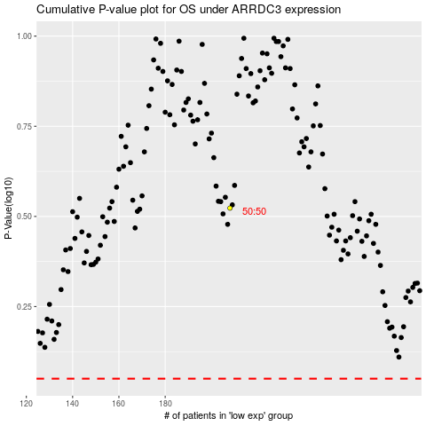

 |  |  |  |  |  | cases_OS | p_OS | rank | exp
 |  |  |  |  |  |  | cases_RFS | p_RFS | rank | exp

