ARRDC4 _multivariate
Reported by Tex Li-Hsing Chi. tex@gate.sinica.edu.tw 2019-08-21

Table 2. The clinicopathological features of HNSCC cohort and ARRDC4 expression. (Chi square test)
Cutoff at -0.307 (50.0%)
 |  | ARRDC4 expression |  | ARRDC4 expression |  | (Optimised)
 | Features | Low | (%) | High | (%) | Case no | P-value | Remark | Matthews
Gender | Female | 171 | 41.2 | 135 | 32.5 | 415 | 1e-04 | 1 | 0
2 | Male | 36 | 8.7 | 73 | 17.6
Age at diagnosis | <=65y | 145 | 34.9 | 129 | 31.1 | 415 | 0.1046 | 0 | 0
4 | >65y | 62 | 14.9 | 79 | 19
Clinical T Status | T1+T2 | 75 | 18.1 | 74 | 17.8 | 415 | 0.9707 | 0 | 0
6 | T3+T4 | 132 | 31.8 | 134 | 32.3
Clinical N Status | N0 | 100 | 24.1 | 116 | 28 | 415 | 0.1548 | 0 | 0
8 | N1-3 | 107 | 25.8 | 92 | 22.2
Clinical M Status | M0 | 207 | 49.9 | 205 | 49.4 | 415 | 0.2482 | 0 | 0
10 | M1 | 0 | 0 | 3 | 0.7
Clinical Stage | Stage I+II | 48 | 11.6 | 54 | 13 | 415 | 0.5878 | 0 | 0
12 | Stage III+IV | 159 | 38.3 | 154 | 37.1
Surgical Margin status | Negative | 154 | 37.1 | 164 | 39.5 | 415 | 0.2984 | 0 | 0
14 | Positive | 53 | 12.8 | 44 | 10.6
Tobacco Exposure | Low | 68 | 16.4 | 93 | 22.4 | 415 | 0.0156 | 1 | 0
16 | High | 139 | 33.5 | 115 | 27.7

Table 3. Univariate/Multivariate Cox's proportional hazards regression analyses on OS time of ARRDC4 gene expression in HNSCC

 |  | Univariate |  |  |  | Multivariate
 | Features | HR | CI95%(L) | CI95%(H) | P-value | HR | CI95%(L) | CI95%(H) | P-value
1 | Female | 1 |  |  |  | 1
Gender | Male | 1.157 | 0.843 | 1.587 | 0.367 | 1.19 | 0.846 | 1.672 | 0.317
11 | <=65y | 1 |  |  |  | 1
Age at diagnosis | >65y | 1.329 | 0.99 | 1.784 | 0.058 | 1.391 | 1.023 | 1.892 | 0.035
12 | T1+T2 | 1 |  |  |  | 1
Clinical T Status | T3+T4 | 1.409 | 1.028 | 1.931 | 0.033 | 2.195 | 1.161 | 4.152 | 0.016
13 | N0 | 1 |  |  |  | 1
Clinical N Status | N1-3 | 1.185 | 0.89 | 1.577 | 0.246 | 1.247 | 0.873 | 1.782 | 0.225
14 | M0 | 1 |  |  |  | 1
Clinical M Status | M1 | 4.097 | 1.009 | 16.644 | 0.049 | 9.117 | 1.962 | 42.352 | 0.005
15 | Stage I+II | 1 |  |  |  | 1
Clinical Stage | Stage III+IV | 1.245 | 0.882 | 1.759 | 0.213 | 0.507 | 0.236 | 1.089 | 0.082
16 | Negative | 1 |  |  |  | 1
Surgical Margin status | Positive | 1.591 | 1.155 | 2.191 | 0.004 | 1.671 | 1.209 | 2.309 | 0.002
17 | Low | 1 |  |  |  | 1
Tobacco Exposure | High | 1.364 | 1.008 | 1.844 | 0.044 | 1.457 | 1.057 | 2.009 | 0.022
18 | Low | 1 |  |  |  | 1
RNAseq(z-score) | High | 1.061 | 0.796 | 1.413 | 0.687 | 1.047 | 0.776 | 1.413 | 0.763

Table 4. Univariate/Multivariate Cox's proportional hazards regression analyses on RFS time of ARRDC4 gene expression in HNSCC

 |  | Univariate |  |  |  | Multivariate
 | Features | HR | CI95%(L) | CI95%(H) | P-value | HR | CI95%(L) | CI95%(H) | P-value
1 | Female | 1 |  |  |  | 1
Gender | Male | 1.157 | 0.843 | 1.587 | 0.367 | 1.19 | 0.846 | 1.672 | 0.317
11 | <=65y | 1 |  |  |  | 1
Age at diagnosis | >65y | 1.329 | 0.99 | 1.784 | 0.058 | 1.391 | 1.023 | 1.892 | 0.035
12 | T1+T2 | 1 |  |  |  | 1
Clinical T Status | T3+T4 | 1.409 | 1.028 | 1.931 | 0.033 | 2.195 | 1.161 | 4.152 | 0.016
13 | N0 | 1 |  |  |  | 1
Clinical N Status | N1-3 | 1.185 | 0.89 | 1.577 | 0.246 | 1.247 | 0.873 | 1.782 | 0.225
14 | M0 | 1 |  |  |  | 1
Clinical M Status | M1 | 4.097 | 1.009 | 16.644 | 0.049 | 9.117 | 1.962 | 42.352 | 0.005
15 | Stage I+II | 1 |  |  |  | 1
Clinical Stage | Stage III+IV | 1.245 | 0.882 | 1.759 | 0.213 | 0.507 | 0.236 | 1.089 | 0.082
16 | Negative | 1 |  |  |  | 1
Surgical Margin status | Positive | 1.591 | 1.155 | 2.191 | 0.004 | 1.671 | 1.209 | 2.309 | 0.002
17 | Low | 1 |  |  |  | 1
Tobacco Exposure | High | 1.364 | 1.008 | 1.844 | 0.044 | 1.457 | 1.057 | 2.009 | 0.022
18 | Low | 1 |  |  |  | 1
RNAseq(z-score) | High | 1.061 | 0.796 | 1.413 | 0.687 | 1.047 | 0.776 | 1.413 | 0.763

Kaplan-Meier survival estimate: Cutoff at -0.307 (50.0%)



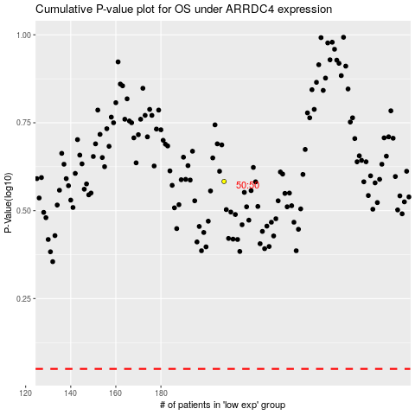

 |  |  |  |  |  | cases_OS | p_OS | rank | exp
 |  |  |  |  |  |  | cases_RFS | p_RFS | rank | exp

