ARSA _multivariate
Reported by Tex Li-Hsing Chi. tex@gate.sinica.edu.tw 2019-08-21

Table 2. The clinicopathological features of HNSCC cohort and ARSA expression. (Chi square test)
Cutoff at -0.173 (50.0%)
 |  | ARSA expression |  | ARSA expression |  | (Optimised)
 | Features | Low | (%) | High | (%) | Case no | P-value | Remark | Matthews
Gender | Female | 167 | 40.2 | 139 | 33.5 | 415 | 0.002 | 1 | 0
2 | Male | 40 | 9.6 | 69 | 16.6
Age at diagnosis | <=65y | 144 | 34.7 | 130 | 31.3 | 415 | 0.1568 | 0 | 0
4 | >65y | 63 | 15.2 | 78 | 18.8
Clinical T Status | T1+T2 | 79 | 19 | 70 | 16.9 | 415 | 0.3924 | 0 | 0
6 | T3+T4 | 128 | 30.8 | 138 | 33.3
Clinical N Status | N0 | 102 | 24.6 | 114 | 27.5 | 415 | 0.3031 | 0 | 0
8 | N1-3 | 105 | 25.3 | 94 | 22.7
Clinical M Status | M0 | 205 | 49.4 | 207 | 49.9 | 415 | 0.6232 | 0 | 0
10 | M1 | 2 | 0.5 | 1 | 0.2
Clinical Stage | Stage I+II | 51 | 12.3 | 51 | 12.3 | 415 | 1 | 0 | 0
12 | Stage III+IV | 156 | 37.6 | 157 | 37.8
Surgical Margin status | Negative | 156 | 37.6 | 162 | 39 | 415 | 0.5636 | 0 | 0
14 | Positive | 51 | 12.3 | 46 | 11.1
Tobacco Exposure | Low | 70 | 16.9 | 91 | 21.9 | 415 | 0.0439 | 1 | 0
16 | High | 137 | 33 | 117 | 28.2

Table 3. Univariate/Multivariate Cox's proportional hazards regression analyses on OS time of ARSA gene expression in HNSCC

 |  | Univariate |  |  |  | Multivariate
 | Features | HR | CI95%(L) | CI95%(H) | P-value | HR | CI95%(L) | CI95%(H) | P-value
1 | Female | 1 |  |  |  | 1
Gender | Male | 1.157 | 0.843 | 1.587 | 0.367 | 1.214 | 0.866 | 1.7 | 0.261
11 | <=65y | 1 |  |  |  | 1
Age at diagnosis | >65y | 1.329 | 0.99 | 1.784 | 0.058 | 1.397 | 1.027 | 1.899 | 0.033
12 | T1+T2 | 1 |  |  |  | 1
Clinical T Status | T3+T4 | 1.409 | 1.028 | 1.931 | 0.033 | 2.213 | 1.17 | 4.185 | 0.015
13 | N0 | 1 |  |  |  | 1
Clinical N Status | N1-3 | 1.185 | 0.89 | 1.577 | 0.246 | 1.231 | 0.861 | 1.76 | 0.254
14 | M0 | 1 |  |  |  | 1
Clinical M Status | M1 | 4.097 | 1.009 | 16.644 | 0.049 | 9.456 | 2.063 | 43.347 | 0.004
15 | Stage I+II | 1 |  |  |  | 1
Clinical Stage | Stage III+IV | 1.245 | 0.882 | 1.759 | 0.213 | 0.504 | 0.235 | 1.081 | 0.078
16 | Negative | 1 |  |  |  | 1
Surgical Margin status | Positive | 1.591 | 1.155 | 2.191 | 0.004 | 1.675 | 1.212 | 2.314 | 0.002
17 | Low | 1 |  |  |  | 1
Tobacco Exposure | High | 1.364 | 1.008 | 1.844 | 0.044 | 1.451 | 1.053 | 1.999 | 0.023
18 | Low | 1 |  |  |  | 1
RNAseq(z-score) | High | 0.962 | 0.721 | 1.284 | 0.792 | 0.936 | 0.697 | 1.256 | 0.659

Table 4. Univariate/Multivariate Cox's proportional hazards regression analyses on RFS time of ARSA gene expression in HNSCC

 |  | Univariate |  |  |  | Multivariate
 | Features | HR | CI95%(L) | CI95%(H) | P-value | HR | CI95%(L) | CI95%(H) | P-value
1 | Female | 1 |  |  |  | 1
Gender | Male | 1.157 | 0.843 | 1.587 | 0.367 | 1.214 | 0.866 | 1.7 | 0.261
11 | <=65y | 1 |  |  |  | 1
Age at diagnosis | >65y | 1.329 | 0.99 | 1.784 | 0.058 | 1.397 | 1.027 | 1.899 | 0.033
12 | T1+T2 | 1 |  |  |  | 1
Clinical T Status | T3+T4 | 1.409 | 1.028 | 1.931 | 0.033 | 2.213 | 1.17 | 4.185 | 0.015
13 | N0 | 1 |  |  |  | 1
Clinical N Status | N1-3 | 1.185 | 0.89 | 1.577 | 0.246 | 1.231 | 0.861 | 1.76 | 0.254
14 | M0 | 1 |  |  |  | 1
Clinical M Status | M1 | 4.097 | 1.009 | 16.644 | 0.049 | 9.456 | 2.063 | 43.347 | 0.004
15 | Stage I+II | 1 |  |  |  | 1
Clinical Stage | Stage III+IV | 1.245 | 0.882 | 1.759 | 0.213 | 0.504 | 0.235 | 1.081 | 0.078
16 | Negative | 1 |  |  |  | 1
Surgical Margin status | Positive | 1.591 | 1.155 | 2.191 | 0.004 | 1.675 | 1.212 | 2.314 | 0.002
17 | Low | 1 |  |  |  | 1
Tobacco Exposure | High | 1.364 | 1.008 | 1.844 | 0.044 | 1.451 | 1.053 | 1.999 | 0.023
18 | Low | 1 |  |  |  | 1
RNAseq(z-score) | High | 0.962 | 0.721 | 1.284 | 0.792 | 0.936 | 0.697 | 1.256 | 0.659

Kaplan-Meier survival estimate: Cutoff at -0.173 (50.0%)



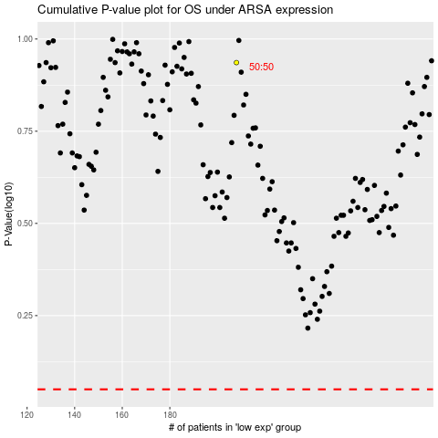

 |  |  |  |  |  | cases_OS | p_OS | rank | exp
 |  |  |  |  |  |  | cases_RFS | p_RFS | rank | exp

