ART3 _multivariate
Reported by Tex Li-Hsing Chi. tex@gate.sinica.edu.tw 2019-08-21

Table 2. The clinicopathological features of HNSCC cohort and ART3 expression. (Chi square test)
Cutoff at -0.22 (50.0%)
 |  | ART3 expression |  | ART3 expression |  | (Optimised)
 | Features | Low | (%) | High | (%) | Case no | P-value | Remark | Matthews
Gender | Female | 161 | 38.8 | 145 | 34.9 | 415 | 0.0792 | 0 | 0
2 | Male | 46 | 11.1 | 63 | 15.2
Age at diagnosis | <=65y | 133 | 32 | 141 | 34 | 415 | 0.5111 | 0 | 0
4 | >65y | 74 | 17.8 | 67 | 16.1
Clinical T Status | T1+T2 | 62 | 14.9 | 87 | 21 | 415 | 0.0156 | 1 | 0
6 | T3+T4 | 145 | 34.9 | 121 | 29.2
Clinical N Status | N0 | 119 | 28.7 | 97 | 23.4 | 415 | 0.0345 | 1 | 0
8 | N1-3 | 88 | 21.2 | 111 | 26.7
Clinical M Status | M0 | 205 | 49.4 | 207 | 49.9 | 415 | 0.6232 | 0 | 0
10 | M1 | 2 | 0.5 | 1 | 0.2
Clinical Stage | Stage I+II | 42 | 10.1 | 60 | 14.5 | 415 | 0.0561 | 0 | 0
12 | Stage III+IV | 165 | 39.8 | 148 | 35.7
Surgical Margin status | Negative | 165 | 39.8 | 153 | 36.9 | 415 | 0.1639 | 0 | 0
14 | Positive | 42 | 10.1 | 55 | 13.3
Tobacco Exposure | Low | 78 | 18.8 | 83 | 20 | 415 | 0.6873 | 0 | 0
16 | High | 129 | 31.1 | 125 | 30.1

Table 3. Univariate/Multivariate Cox's proportional hazards regression analyses on OS time of ART3 gene expression in HNSCC

 |  | Univariate |  |  |  | Multivariate
 | Features | HR | CI95%(L) | CI95%(H) | P-value | HR | CI95%(L) | CI95%(H) | P-value
1 | Female | 1 |  |  |  | 1
Gender | Male | 1.157 | 0.843 | 1.587 | 0.367 | 1.194 | 0.855 | 1.668 | 0.299
11 | <=65y | 1 |  |  |  | 1
Age at diagnosis | >65y | 1.329 | 0.99 | 1.784 | 0.058 | 1.413 | 1.037 | 1.924 | 0.028
12 | T1+T2 | 1 |  |  |  | 1
Clinical T Status | T3+T4 | 1.409 | 1.028 | 1.931 | 0.033 | 2.221 | 1.173 | 4.203 | 0.014
13 | N0 | 1 |  |  |  | 1
Clinical N Status | N1-3 | 1.185 | 0.89 | 1.577 | 0.246 | 1.194 | 0.833 | 1.709 | 0.334
14 | M0 | 1 |  |  |  | 1
Clinical M Status | M1 | 4.097 | 1.009 | 16.644 | 0.049 | 9.71 | 2.115 | 44.57 | 0.003
15 | Stage I+II | 1 |  |  |  | 1
Clinical Stage | Stage III+IV | 1.245 | 0.882 | 1.759 | 0.213 | 0.53 | 0.246 | 1.141 | 0.104
16 | Negative | 1 |  |  |  | 1
Surgical Margin status | Positive | 1.591 | 1.155 | 2.191 | 0.004 | 1.656 | 1.198 | 2.289 | 0.002
17 | Low | 1 |  |  |  | 1
Tobacco Exposure | High | 1.364 | 1.008 | 1.844 | 0.044 | 1.466 | 1.063 | 2.023 | 0.02
18 | Low | 1 |  |  |  | 1
RNAseq(z-score) | High | 1.218 | 0.911 | 1.628 | 0.184 | 1.245 | 0.924 | 1.678 | 0.15

Table 4. Univariate/Multivariate Cox's proportional hazards regression analyses on RFS time of ART3 gene expression in HNSCC

 |  | Univariate |  |  |  | Multivariate
 | Features | HR | CI95%(L) | CI95%(H) | P-value | HR | CI95%(L) | CI95%(H) | P-value
1 | Female | 1 |  |  |  | 1
Gender | Male | 1.157 | 0.843 | 1.587 | 0.367 | 1.194 | 0.855 | 1.668 | 0.299
11 | <=65y | 1 |  |  |  | 1
Age at diagnosis | >65y | 1.329 | 0.99 | 1.784 | 0.058 | 1.413 | 1.037 | 1.924 | 0.028
12 | T1+T2 | 1 |  |  |  | 1
Clinical T Status | T3+T4 | 1.409 | 1.028 | 1.931 | 0.033 | 2.221 | 1.173 | 4.203 | 0.014
13 | N0 | 1 |  |  |  | 1
Clinical N Status | N1-3 | 1.185 | 0.89 | 1.577 | 0.246 | 1.194 | 0.833 | 1.709 | 0.334
14 | M0 | 1 |  |  |  | 1
Clinical M Status | M1 | 4.097 | 1.009 | 16.644 | 0.049 | 9.71 | 2.115 | 44.57 | 0.003
15 | Stage I+II | 1 |  |  |  | 1
Clinical Stage | Stage III+IV | 1.245 | 0.882 | 1.759 | 0.213 | 0.53 | 0.246 | 1.141 | 0.104
16 | Negative | 1 |  |  |  | 1
Surgical Margin status | Positive | 1.591 | 1.155 | 2.191 | 0.004 | 1.656 | 1.198 | 2.289 | 0.002
17 | Low | 1 |  |  |  | 1
Tobacco Exposure | High | 1.364 | 1.008 | 1.844 | 0.044 | 1.466 | 1.063 | 2.023 | 0.02
18 | Low | 1 |  |  |  | 1
RNAseq(z-score) | High | 1.218 | 0.911 | 1.628 | 0.184 | 1.245 | 0.924 | 1.678 | 0.15

Kaplan-Meier survival estimate: Cutoff at -0.22 (50.0%)



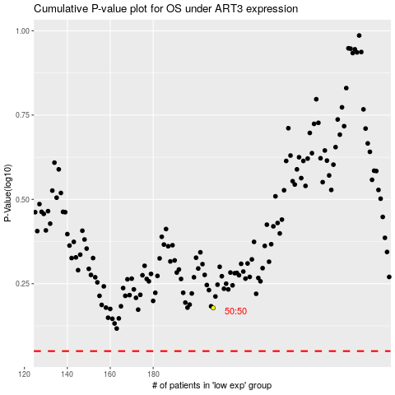

 |  |  |  |  |  | cases_OS | p_OS | rank | exp
 |  |  |  |  |  |  | cases_RFS | p_RFS | rank | exp

