ART5 _multivariate
Reported by Tex Li-Hsing Chi. tex@gate.sinica.edu.tw 2019-08-21

Table 2. The clinicopathological features of HNSCC cohort and ART5 expression. (Chi square test)
Cutoff at -0.228 (50.0%)
 |  | ART5 expression |  | ART5 expression |  | (Optimised)
 | Features | Low | (%) | High | (%) | Case no | P-value | Remark | Matthews
Gender | Female | 151 | 36.4 | 155 | 37.3 | 415 | 0.8007 | 0 | 0
2 | Male | 56 | 13.5 | 53 | 12.8
Age at diagnosis | <=65y | 140 | 33.7 | 134 | 32.3 | 415 | 0.5574 | 0 | 0
4 | >65y | 67 | 16.1 | 74 | 17.8
Clinical T Status | T1+T2 | 69 | 16.6 | 80 | 19.3 | 415 | 0.3239 | 0 | 0
6 | T3+T4 | 138 | 33.3 | 128 | 30.8
Clinical N Status | N0 | 102 | 24.6 | 114 | 27.5 | 415 | 0.3031 | 0 | 0
8 | N1-3 | 105 | 25.3 | 94 | 22.7
Clinical M Status | M0 | 205 | 49.4 | 207 | 49.9 | 415 | 0.6232 | 0 | 0
10 | M1 | 2 | 0.5 | 1 | 0.2
Clinical Stage | Stage I+II | 48 | 11.6 | 54 | 13 | 415 | 0.5878 | 0 | 0
12 | Stage III+IV | 159 | 38.3 | 154 | 37.1
Surgical Margin status | Negative | 164 | 39.5 | 154 | 37.1 | 415 | 0.2462 | 0 | 0
14 | Positive | 43 | 10.4 | 54 | 13
Tobacco Exposure | Low | 91 | 21.9 | 70 | 16.9 | 415 | 0.0346 | 1 | 0
16 | High | 116 | 28 | 138 | 33.3

Table 3. Univariate/Multivariate Cox's proportional hazards regression analyses on OS time of ART5 gene expression in HNSCC

 |  | Univariate |  |  |  | Multivariate
 | Features | HR | CI95%(L) | CI95%(H) | P-value | HR | CI95%(L) | CI95%(H) | P-value
1 | Female | 1 |  |  |  | 1
Gender | Male | 1.157 | 0.843 | 1.587 | 0.367 | 1.211 | 0.867 | 1.69 | 0.262
11 | <=65y | 1 |  |  |  | 1
Age at diagnosis | >65y | 1.329 | 0.99 | 1.784 | 0.058 | 1.383 | 1.018 | 1.88 | 0.038
12 | T1+T2 | 1 |  |  |  | 1
Clinical T Status | T3+T4 | 1.409 | 1.028 | 1.931 | 0.033 | 2.216 | 1.173 | 4.189 | 0.014
13 | N0 | 1 |  |  |  | 1
Clinical N Status | N1-3 | 1.185 | 0.89 | 1.577 | 0.246 | 1.247 | 0.874 | 1.78 | 0.223
14 | M0 | 1 |  |  |  | 1
Clinical M Status | M1 | 4.097 | 1.009 | 16.644 | 0.049 | 9.52 | 2.076 | 43.65 | 0.004
15 | Stage I+II | 1 |  |  |  | 1
Clinical Stage | Stage III+IV | 1.245 | 0.882 | 1.759 | 0.213 | 0.502 | 0.234 | 1.078 | 0.077
16 | Negative | 1 |  |  |  | 1
Surgical Margin status | Positive | 1.591 | 1.155 | 2.191 | 0.004 | 1.654 | 1.196 | 2.287 | 0.002
17 | Low | 1 |  |  |  | 1
Tobacco Exposure | High | 1.364 | 1.008 | 1.844 | 0.044 | 1.432 | 1.039 | 1.974 | 0.028
18 | Low | 1 |  |  |  | 1
RNAseq(z-score) | High | 1.211 | 0.909 | 1.614 | 0.191 | 1.171 | 0.876 | 1.565 | 0.286

Table 4. Univariate/Multivariate Cox's proportional hazards regression analyses on RFS time of ART5 gene expression in HNSCC

 |  | Univariate |  |  |  | Multivariate
 | Features | HR | CI95%(L) | CI95%(H) | P-value | HR | CI95%(L) | CI95%(H) | P-value
1 | Female | 1 |  |  |  | 1
Gender | Male | 1.157 | 0.843 | 1.587 | 0.367 | 1.211 | 0.867 | 1.69 | 0.262
11 | <=65y | 1 |  |  |  | 1
Age at diagnosis | >65y | 1.329 | 0.99 | 1.784 | 0.058 | 1.383 | 1.018 | 1.88 | 0.038
12 | T1+T2 | 1 |  |  |  | 1
Clinical T Status | T3+T4 | 1.409 | 1.028 | 1.931 | 0.033 | 2.216 | 1.173 | 4.189 | 0.014
13 | N0 | 1 |  |  |  | 1
Clinical N Status | N1-3 | 1.185 | 0.89 | 1.577 | 0.246 | 1.247 | 0.874 | 1.78 | 0.223
14 | M0 | 1 |  |  |  | 1
Clinical M Status | M1 | 4.097 | 1.009 | 16.644 | 0.049 | 9.52 | 2.076 | 43.65 | 0.004
15 | Stage I+II | 1 |  |  |  | 1
Clinical Stage | Stage III+IV | 1.245 | 0.882 | 1.759 | 0.213 | 0.502 | 0.234 | 1.078 | 0.077
16 | Negative | 1 |  |  |  | 1
Surgical Margin status | Positive | 1.591 | 1.155 | 2.191 | 0.004 | 1.654 | 1.196 | 2.287 | 0.002
17 | Low | 1 |  |  |  | 1
Tobacco Exposure | High | 1.364 | 1.008 | 1.844 | 0.044 | 1.432 | 1.039 | 1.974 | 0.028
18 | Low | 1 |  |  |  | 1
RNAseq(z-score) | High | 1.211 | 0.909 | 1.614 | 0.191 | 1.171 | 0.876 | 1.565 | 0.286

Kaplan-Meier survival estimate: Cutoff at -0.228 (50.0%)



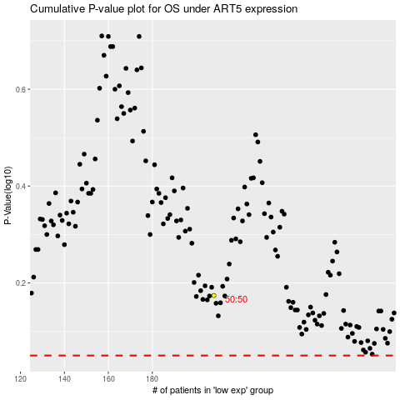

 |  |  |  |  |  | cases_OS | p_OS | rank | exp
 |  |  |  |  |  |  | cases_RFS | p_RFS | rank | exp

