ARVCF _multivariate
Reported by Tex Li-Hsing Chi. tex@gate.sinica.edu.tw 2019-08-21

Table 2. The clinicopathological features of HNSCC cohort and ARVCF expression. (Chi square test)
Cutoff at -0.325 (49.8%)
 |  | ARVCF expression |  | ARVCF expression |  | (Optimised)
 | Features | Low | (%) | High | (%) | Case no | P-value | Remark | Matthews
Gender | Female | 147 | 35.4 | 159 | 38.3 | 415 | 0.2523 | 0 | 0
2 | Male | 60 | 14.5 | 49 | 11.8
Age at diagnosis | <=65y | 132 | 31.8 | 142 | 34.2 | 415 | 0.3874 | 0 | 0
4 | >65y | 75 | 18.1 | 66 | 15.9
Clinical T Status | T1+T2 | 78 | 18.8 | 71 | 17.1 | 415 | 0.5152 | 0 | 0
6 | T3+T4 | 129 | 31.1 | 137 | 33
Clinical N Status | N0 | 110 | 26.5 | 106 | 25.5 | 415 | 0.7294 | 0 | 0
8 | N1-3 | 97 | 23.4 | 102 | 24.6
Clinical M Status | M0 | 205 | 49.4 | 207 | 49.9 | 415 | 0.6232 | 0 | 0
10 | M1 | 2 | 0.5 | 1 | 0.2
Clinical Stage | Stage I+II | 58 | 14 | 44 | 10.6 | 415 | 0.131 | 0 | 0
12 | Stage III+IV | 149 | 35.9 | 164 | 39.5
Surgical Margin status | Negative | 160 | 38.6 | 158 | 38.1 | 415 | 0.8167 | 0 | 0
14 | Positive | 47 | 11.3 | 50 | 12
Tobacco Exposure | Low | 84 | 20.2 | 77 | 18.6 | 415 | 0.4816 | 0 | 0
16 | High | 123 | 29.6 | 131 | 31.6

Table 3. Univariate/Multivariate Cox's proportional hazards regression analyses on OS time of ARVCF gene expression in HNSCC

 |  | Univariate |  |  |  | Multivariate
 | Features | HR | CI95%(L) | CI95%(H) | P-value | HR | CI95%(L) | CI95%(H) | P-value
1 | Female | 1 |  |  |  | 1
Gender | Male | 1.157 | 0.843 | 1.587 | 0.367 | 1.187 | 0.849 | 1.661 | 0.317
11 | <=65y | 1 |  |  |  | 1
Age at diagnosis | >65y | 1.329 | 0.99 | 1.784 | 0.058 | 1.392 | 1.023 | 1.893 | 0.035
12 | T1+T2 | 1 |  |  |  | 1
Clinical T Status | T3+T4 | 1.409 | 1.028 | 1.931 | 0.033 | 2.157 | 1.139 | 4.085 | 0.018
13 | N0 | 1 |  |  |  | 1
Clinical N Status | N1-3 | 1.185 | 0.89 | 1.577 | 0.246 | 1.225 | 0.857 | 1.75 | 0.265
14 | M0 | 1 |  |  |  | 1
Clinical M Status | M1 | 4.097 | 1.009 | 16.644 | 0.049 | 9.13 | 1.99 | 41.894 | 0.004
15 | Stage I+II | 1 |  |  |  | 1
Clinical Stage | Stage III+IV | 1.245 | 0.882 | 1.759 | 0.213 | 0.521 | 0.242 | 1.122 | 0.096
16 | Negative | 1 |  |  |  | 1
Surgical Margin status | Positive | 1.591 | 1.155 | 2.191 | 0.004 | 1.66 | 1.201 | 2.293 | 0.002
17 | Low | 1 |  |  |  | 1
Tobacco Exposure | High | 1.364 | 1.008 | 1.844 | 0.044 | 1.464 | 1.062 | 2.019 | 0.02
18 | Low | 1 |  |  |  | 1
RNAseq(z-score) | High | 0.837 | 0.628 | 1.116 | 0.225 | 0.874 | 0.653 | 1.171 | 0.368

Table 4. Univariate/Multivariate Cox's proportional hazards regression analyses on RFS time of ARVCF gene expression in HNSCC

 |  | Univariate |  |  |  | Multivariate
 | Features | HR | CI95%(L) | CI95%(H) | P-value | HR | CI95%(L) | CI95%(H) | P-value
1 | Female | 1 |  |  |  | 1
Gender | Male | 1.157 | 0.843 | 1.587 | 0.367 | 1.187 | 0.849 | 1.661 | 0.317
11 | <=65y | 1 |  |  |  | 1
Age at diagnosis | >65y | 1.329 | 0.99 | 1.784 | 0.058 | 1.392 | 1.023 | 1.893 | 0.035
12 | T1+T2 | 1 |  |  |  | 1
Clinical T Status | T3+T4 | 1.409 | 1.028 | 1.931 | 0.033 | 2.157 | 1.139 | 4.085 | 0.018
13 | N0 | 1 |  |  |  | 1
Clinical N Status | N1-3 | 1.185 | 0.89 | 1.577 | 0.246 | 1.225 | 0.857 | 1.75 | 0.265
14 | M0 | 1 |  |  |  | 1
Clinical M Status | M1 | 4.097 | 1.009 | 16.644 | 0.049 | 9.13 | 1.99 | 41.894 | 0.004
15 | Stage I+II | 1 |  |  |  | 1
Clinical Stage | Stage III+IV | 1.245 | 0.882 | 1.759 | 0.213 | 0.521 | 0.242 | 1.122 | 0.096
16 | Negative | 1 |  |  |  | 1
Surgical Margin status | Positive | 1.591 | 1.155 | 2.191 | 0.004 | 1.66 | 1.201 | 2.293 | 0.002
17 | Low | 1 |  |  |  | 1
Tobacco Exposure | High | 1.364 | 1.008 | 1.844 | 0.044 | 1.464 | 1.062 | 2.019 | 0.02
18 | Low | 1 |  |  |  | 1
RNAseq(z-score) | High | 0.837 | 0.628 | 1.116 | 0.225 | 0.874 | 0.653 | 1.171 | 0.368

Kaplan-Meier survival estimate: Cutoff at -0.325 (49.8%)



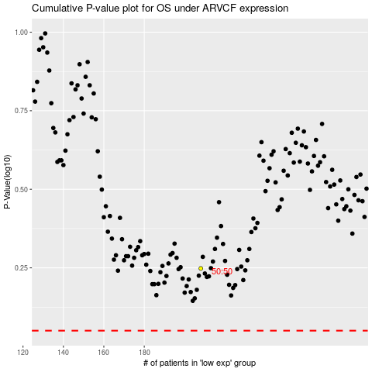

 |  |  |  |  |  | cases_OS | p_OS | rank | exp
 |  |  |  |  |  |  | cases_RFS | p_RFS | rank | exp

