ASAP1 _multivariate
Reported by Tex Li-Hsing Chi. tex@gate.sinica.edu.tw 2019-08-21

Table 2. The clinicopathological features of HNSCC cohort and ASAP1 expression. (Chi square test)
Cutoff at 0.107 (49.8%)
 |  | ASAP1 expression |  | ASAP1 expression |  | (Optimised)
 | Features | Low | (%) | High | (%) | Case no | P-value | Remark | Matthews
Gender | Female | 152 | 36.6 | 154 | 37.1 | 415 | 0.9766 | 0 | 0
2 | Male | 55 | 13.3 | 54 | 13
Age at diagnosis | <=65y | 140 | 33.7 | 134 | 32.3 | 415 | 0.5574 | 0 | 0
4 | >65y | 67 | 16.1 | 74 | 17.8
Clinical T Status | T1+T2 | 86 | 20.7 | 63 | 15.2 | 415 | 0.0221 | 1 | 0
6 | T3+T4 | 121 | 29.2 | 145 | 34.9
Clinical N Status | N0 | 111 | 26.7 | 105 | 25.3 | 415 | 0.5875 | 0 | 0
8 | N1-3 | 96 | 23.1 | 103 | 24.8
Clinical M Status | M0 | 205 | 49.4 | 207 | 49.9 | 415 | 0.6232 | 0 | 0
10 | M1 | 2 | 0.5 | 1 | 0.2
Clinical Stage | Stage I+II | 59 | 14.2 | 43 | 10.4 | 415 | 0.0822 | 0 | 0
12 | Stage III+IV | 148 | 35.7 | 165 | 39.8
Surgical Margin status | Negative | 149 | 35.9 | 169 | 40.7 | 415 | 0.0278 | 1 | 0
14 | Positive | 58 | 14 | 39 | 9.4
Tobacco Exposure | Low | 85 | 20.5 | 76 | 18.3 | 415 | 0.3655 | 0 | 0
16 | High | 122 | 29.4 | 132 | 31.8

Table 3. Univariate/Multivariate Cox's proportional hazards regression analyses on OS time of ASAP1 gene expression in HNSCC

 |  | Univariate |  |  |  | Multivariate
 | Features | HR | CI95%(L) | CI95%(H) | P-value | HR | CI95%(L) | CI95%(H) | P-value
1 | Female | 1 |  |  |  | 1
Gender | Male | 1.157 | 0.843 | 1.587 | 0.367 | 1.192 | 0.852 | 1.668 | 0.304
11 | <=65y | 1 |  |  |  | 1
Age at diagnosis | >65y | 1.329 | 0.99 | 1.784 | 0.058 | 1.399 | 1.029 | 1.903 | 0.032
12 | T1+T2 | 1 |  |  |  | 1
Clinical T Status | T3+T4 | 1.409 | 1.028 | 1.931 | 0.033 | 2.217 | 1.172 | 4.194 | 0.014
13 | N0 | 1 |  |  |  | 1
Clinical N Status | N1-3 | 1.185 | 0.89 | 1.577 | 0.246 | 1.244 | 0.872 | 1.775 | 0.229
14 | M0 | 1 |  |  |  | 1
Clinical M Status | M1 | 4.097 | 1.009 | 16.644 | 0.049 | 9.184 | 1.999 | 42.198 | 0.004
15 | Stage I+II | 1 |  |  |  | 1
Clinical Stage | Stage III+IV | 1.245 | 0.882 | 1.759 | 0.213 | 0.504 | 0.235 | 1.081 | 0.078
16 | Negative | 1 |  |  |  | 1
Surgical Margin status | Positive | 1.591 | 1.155 | 2.191 | 0.004 | 1.651 | 1.191 | 2.288 | 0.003
17 | Low | 1 |  |  |  | 1
Tobacco Exposure | High | 1.364 | 1.008 | 1.844 | 0.044 | 1.454 | 1.055 | 2.003 | 0.022
18 | Low | 1 |  |  |  | 1
RNAseq(z-score) | High | 0.897 | 0.673 | 1.194 | 0.455 | 0.92 | 0.686 | 1.232 | 0.574

Table 4. Univariate/Multivariate Cox's proportional hazards regression analyses on RFS time of ASAP1 gene expression in HNSCC

 |  | Univariate |  |  |  | Multivariate
 | Features | HR | CI95%(L) | CI95%(H) | P-value | HR | CI95%(L) | CI95%(H) | P-value
1 | Female | 1 |  |  |  | 1
Gender | Male | 1.157 | 0.843 | 1.587 | 0.367 | 1.192 | 0.852 | 1.668 | 0.304
11 | <=65y | 1 |  |  |  | 1
Age at diagnosis | >65y | 1.329 | 0.99 | 1.784 | 0.058 | 1.399 | 1.029 | 1.903 | 0.032
12 | T1+T2 | 1 |  |  |  | 1
Clinical T Status | T3+T4 | 1.409 | 1.028 | 1.931 | 0.033 | 2.217 | 1.172 | 4.194 | 0.014
13 | N0 | 1 |  |  |  | 1
Clinical N Status | N1-3 | 1.185 | 0.89 | 1.577 | 0.246 | 1.244 | 0.872 | 1.775 | 0.229
14 | M0 | 1 |  |  |  | 1
Clinical M Status | M1 | 4.097 | 1.009 | 16.644 | 0.049 | 9.184 | 1.999 | 42.198 | 0.004
15 | Stage I+II | 1 |  |  |  | 1
Clinical Stage | Stage III+IV | 1.245 | 0.882 | 1.759 | 0.213 | 0.504 | 0.235 | 1.081 | 0.078
16 | Negative | 1 |  |  |  | 1
Surgical Margin status | Positive | 1.591 | 1.155 | 2.191 | 0.004 | 1.651 | 1.191 | 2.288 | 0.003
17 | Low | 1 |  |  |  | 1
Tobacco Exposure | High | 1.364 | 1.008 | 1.844 | 0.044 | 1.454 | 1.055 | 2.003 | 0.022
18 | Low | 1 |  |  |  | 1
RNAseq(z-score) | High | 0.897 | 0.673 | 1.194 | 0.455 | 0.92 | 0.686 | 1.232 | 0.574

Kaplan-Meier survival estimate: Cutoff at 0.107 (49.8%)



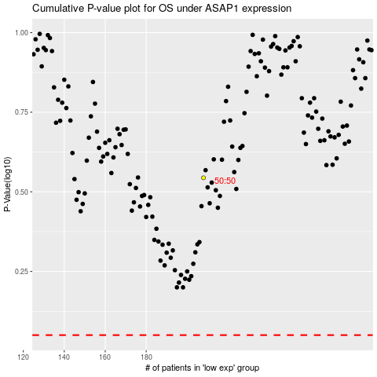

 |  |  |  |  |  | cases_OS | p_OS | rank | exp
 |  |  |  |  |  |  | cases_RFS | p_RFS | rank | exp

