ASB12 _multivariate
Reported by Tex Li-Hsing Chi. tex@gate.sinica.edu.tw 2019-08-21

Table 2. The clinicopathological features of HNSCC cohort and ASB12 expression. (Chi square test)
Cutoff at -0.19 (65.5%)
 |  | ASB12 expression |  | ASB12 expression |  | (Optimised)
 | Features | Low | (%) | High | (%) | Case no | P-value | Remark | Matthews
Gender | Female | 203 | 48.9 | 103 | 24.8 | 415 | 0.5303 | 0 | 0
2 | Male | 68 | 16.4 | 41 | 9.9
Age at diagnosis | <=65y | 177 | 42.7 | 97 | 23.4 | 415 | 0.7563 | 0 | 0
4 | >65y | 94 | 22.7 | 47 | 11.3
Clinical T Status | T1+T2 | 78 | 18.8 | 71 | 17.1 | 415 | 1e-04 | 1 | 0
6 | T3+T4 | 193 | 46.5 | 73 | 17.6
Clinical N Status | N0 | 142 | 34.2 | 74 | 17.8 | 415 | 0.9261 | 0 | 0
8 | N1-3 | 129 | 31.1 | 70 | 16.9
Clinical M Status | M0 | 268 | 64.6 | 144 | 34.7 | 415 | 0.5545 | 0 | 0
10 | M1 | 3 | 0.7 | 0 | 0
Clinical Stage | Stage I+II | 55 | 13.3 | 47 | 11.3 | 415 | 0.0078 | 1 | 0
12 | Stage III+IV | 216 | 52 | 97 | 23.4
Surgical Margin status | Negative | 207 | 49.9 | 111 | 26.7 | 415 | 0.9036 | 0 | 0
14 | Positive | 64 | 15.4 | 33 | 8
Tobacco Exposure | Low | 98 | 23.6 | 63 | 15.2 | 415 | 0.1395 | 0 | 0
16 | High | 173 | 41.7 | 81 | 19.5

Table 3. Univariate/Multivariate Cox's proportional hazards regression analyses on OS time of ASB12 gene expression in HNSCC

 |  | Univariate |  |  |  | Multivariate
 | Features | HR | CI95%(L) | CI95%(H) | P-value | HR | CI95%(L) | CI95%(H) | P-value
1 | Female | 1 |  |  |  | 1
Gender | Male | 1.157 | 0.843 | 1.587 | 0.367 | 1.206 | 0.864 | 1.684 | 0.271
11 | <=65y | 1 |  |  |  | 1
Age at diagnosis | >65y | 1.329 | 0.99 | 1.784 | 0.058 | 1.447 | 1.064 | 1.967 | 0.018
12 | T1+T2 | 1 |  |  |  | 1
Clinical T Status | T3+T4 | 1.409 | 1.028 | 1.931 | 0.033 | 2.52 | 1.326 | 4.788 | 0.005
13 | N0 | 1 |  |  |  | 1
Clinical N Status | N1-3 | 1.185 | 0.89 | 1.577 | 0.246 | 1.23 | 0.862 | 1.755 | 0.254
14 | M0 | 1 |  |  |  | 1
Clinical M Status | M1 | 4.097 | 1.009 | 16.644 | 0.049 | 12.824 | 2.763 | 59.518 | 0.001
15 | Stage I+II | 1 |  |  |  | 1
Clinical Stage | Stage III+IV | 1.245 | 0.882 | 1.759 | 0.213 | 0.483 | 0.225 | 1.038 | 0.062
16 | Negative | 1 |  |  |  | 1
Surgical Margin status | Positive | 1.591 | 1.155 | 2.191 | 0.004 | 1.639 | 1.187 | 2.263 | 0.003
17 | Low | 1 |  |  |  | 1
Tobacco Exposure | High | 1.364 | 1.008 | 1.844 | 0.044 | 1.481 | 1.079 | 2.034 | 0.015
18 | Low | 1 |  |  |  | 1
RNAseq(z-score) | High | 1.482 | 1.107 | 1.984 | 0.008 | 1.69 | 1.253 | 2.279 | 0.001

Table 4. Univariate/Multivariate Cox's proportional hazards regression analyses on RFS time of ASB12 gene expression in HNSCC

 |  | Univariate |  |  |  | Multivariate
 | Features | HR | CI95%(L) | CI95%(H) | P-value | HR | CI95%(L) | CI95%(H) | P-value
1 | Female | 1 |  |  |  | 1
Gender | Male | 1.157 | 0.843 | 1.587 | 0.367 | 1.206 | 0.864 | 1.684 | 0.271
11 | <=65y | 1 |  |  |  | 1
Age at diagnosis | >65y | 1.329 | 0.99 | 1.784 | 0.058 | 1.447 | 1.064 | 1.967 | 0.018
12 | T1+T2 | 1 |  |  |  | 1
Clinical T Status | T3+T4 | 1.409 | 1.028 | 1.931 | 0.033 | 2.52 | 1.326 | 4.788 | 0.005
13 | N0 | 1 |  |  |  | 1
Clinical N Status | N1-3 | 1.185 | 0.89 | 1.577 | 0.246 | 1.23 | 0.862 | 1.755 | 0.254
14 | M0 | 1 |  |  |  | 1
Clinical M Status | M1 | 4.097 | 1.009 | 16.644 | 0.049 | 12.824 | 2.763 | 59.518 | 0.001
15 | Stage I+II | 1 |  |  |  | 1
Clinical Stage | Stage III+IV | 1.245 | 0.882 | 1.759 | 0.213 | 0.483 | 0.225 | 1.038 | 0.062
16 | Negative | 1 |  |  |  | 1
Surgical Margin status | Positive | 1.591 | 1.155 | 2.191 | 0.004 | 1.639 | 1.187 | 2.263 | 0.003
17 | Low | 1 |  |  |  | 1
Tobacco Exposure | High | 1.364 | 1.008 | 1.844 | 0.044 | 1.481 | 1.079 | 2.034 | 0.015
18 | Low | 1 |  |  |  | 1
RNAseq(z-score) | High | 1.482 | 1.107 | 1.984 | 0.008 | 1.69 | 1.253 | 2.279 | 0.001

Kaplan-Meier survival estimate: Cutoff at -0.19 (65.5%)

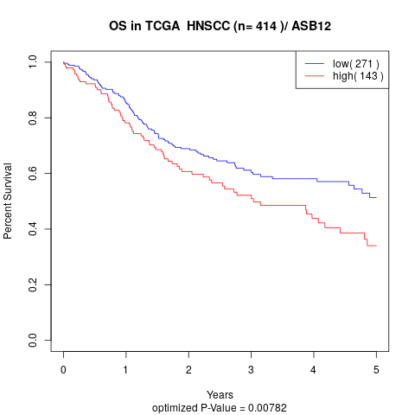

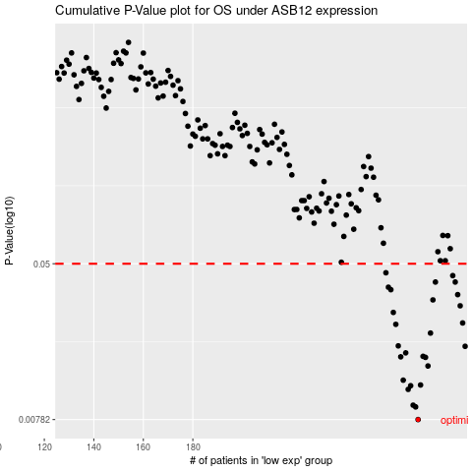

 |  |  |  |  |  | cases_OS | p_OS | rank | exp
 |  |  |  |  |  | 271 | 0.00782 | 283 | -0.189723679
 |  |  |  |  |  | 270 | 0.00909 | 388 | -0.18980911149
 |  |  |  |  |  | 269 | 0.00928 | 154 | -0.1903734837
 |  |  |  |  |  | 267 | 0.0112 | 218 | -0.19082912365
 |  |  |  |  |  | 268 | 0.0117 | 407 | -0.19048221596
 |  |  |  |  |  | 272 | 0.0118 | 69 | -0.1889677309
 |  |  |  |  |  | 265 | 0.0125 | 302 | -0.19163943787
 |  |  |  |  |  | 275 | 0.0148 | 210 | -0.18792700784
 |  |  |  |  |  | 274 | 0.0164 | 380 | -0.18835675915
 |  |  |  |  |  | 264 | 0.0165 | 402 | -0.19182324717
 |  |  |  |  |  | 273 | 0.0166 | 306 | -0.18871661116
 |  |  |  |  |  | 266 | 0.0173 | 403 | -0.19135207404
 |  |  |  |  |  | 290 | 0.0187 | 358 | -0.16958232221
 |  |  |  |  |  | 263 | 0.0188 | 307 | -0.19204588942
 |  |  |  |  |  | 276 | 0.0219 | 241 | -0.18662739844
 |  |  |  |  |  | 262 | 0.0243 | 59 | -0.19233843097
 |  |  |  |  |  | 289 | 0.0247 | 132 | -0.16975577605
 |  |  |  |  |  | 261 | 0.028 | 29 | -0.19234619756
 |  |  |  |  |  | 288 | 0.0303 | 290 | -0.16984120854
 |  |  |  |  |  | 277 | 0.0325 | 405 | -0.18647983323
 |  |  |  |  |  | 287 | 0.0346 | 238 | -0.1731135318
 |  |  |  |  |  | 260 | 0.0367 | 73 | -0.1939254042
 |  |  |  |  |  | 259 | 0.0378 | 25 | -0.19398494806
 |  |  |  |  |  | 286 | 0.0402 | 104 | -0.17410506646
 |  |  |  |  |  | 278 | 0.0402 | 198 | -0.18583779513
 |  |  |  |  |  | 285 | 0.0434 | 144 | -0.17439760802
 |  |  |  |  |  | 258 | 0.0449 | 162 | -0.19422830121
 |  |  |  |  |  |  | cases_RFS | p_RFS | rank | exp
 |  |  |  |  |  |  | 270 | 0.00782 | 388 | -0.18980911149
 |  |  |  |  |  |  | 269 | 0.00909 | 154 | -0.1903734837
 |  |  |  |  |  |  | 268 | 0.00928 | 407 | -0.19048221596
 |  |  |  |  |  |  | 266 | 0.0112 | 403 | -0.19135207404
 |  |  |  |  |  |  | 267 | 0.0117 | 218 | -0.19082912365
 |  |  |  |  |  |  | 271 | 0.0118 | 283 | -0.189723679
 |  |  |  |  |  |  | 264 | 0.0125 | 402 | -0.19182324717
 |  |  |  |  |  |  | 274 | 0.0148 | 380 | -0.18835675915
 |  |  |  |  |  |  | 273 | 0.0164 | 306 | -0.18871661116
 |  |  |  |  |  |  | 263 | 0.0165 | 307 | -0.19204588942
 |  |  |  |  |  |  | 272 | 0.0166 | 69 | -0.1889677309
 |  |  |  |  |  |  | 265 | 0.0173 | 302 | -0.19163943787
 |  |  |  |  |  |  | 289 | 0.0187 | 132 | -0.16975577605
 |  |  |  |  |  |  | 262 | 0.0188 | 59 | -0.19233843097
 |  |  |  |  |  |  | 275 | 0.0219 | 210 | -0.18792700784
 |  |  |  |  |  |  | 261 | 0.0243 | 29 | -0.19234619756
 |  |  |  |  |  |  | 288 | 0.0247 | 290 | -0.16984120854
 |  |  |  |  |  |  | 260 | 0.028 | 73 | -0.1939254042
 |  |  |  |  |  |  | 287 | 0.0303 | 238 | -0.1731135318
 |  |  |  |  |  |  | 276 | 0.0325 | 241 | -0.18662739844
 |  |  |  |  |  |  | 286 | 0.0346 | 104 | -0.17410506646
 |  |  |  |  |  |  | 259 | 0.0367 | 25 | -0.19398494806
 |  |  |  |  |  |  | 258 | 0.0378 | 162 | -0.19422830121
 |  |  |  |  |  |  | 285 | 0.0402 | 144 | -0.17439760802
 |  |  |  |  |  |  | 277 | 0.0402 | 405 | -0.18647983323
 |  |  |  |  |  |  | 284 | 0.0434 | 396 | -0.17590691535
 |  |  |  |  |  |  | 257 | 0.0449 | 362 | -0.19482373978

