ASB14 _multivariate
Reported by Tex Li-Hsing Chi. tex@gate.sinica.edu.tw 2019-08-21

Table 2. The clinicopathological features of HNSCC cohort and ASB14 expression. (Chi square test)
Cutoff at -0.191 (50.0%)
 |  | ASB14 expression |  | ASB14 expression |  | (Optimised)
 | Features | Low | (%) | High | (%) | Case no | P-value | Remark | Matthews
Gender | Female | 163 | 39.3 | 143 | 34.5 | 415 | 0.0277 | 1 | 0
2 | Male | 44 | 10.6 | 65 | 15.7
Age at diagnosis | <=65y | 137 | 33 | 137 | 33 | 415 | 1 | 0 | 0
4 | >65y | 70 | 16.9 | 71 | 17.1
Clinical T Status | T1+T2 | 66 | 15.9 | 83 | 20 | 415 | 0.1095 | 0 | 0
6 | T3+T4 | 141 | 34 | 125 | 30.1
Clinical N Status | N0 | 109 | 26.3 | 107 | 25.8 | 415 | 0.8812 | 0 | 0
8 | N1-3 | 98 | 23.6 | 101 | 24.3
Clinical M Status | M0 | 206 | 49.6 | 206 | 49.6 | 415 | 1 | 0 | 0
10 | M1 | 1 | 0.2 | 2 | 0.5
Clinical Stage | Stage I+II | 47 | 11.3 | 55 | 13.3 | 415 | 0.4413 | 0 | 0
12 | Stage III+IV | 160 | 38.6 | 153 | 36.9
Surgical Margin status | Negative | 164 | 39.5 | 154 | 37.1 | 415 | 0.2462 | 0 | 0
14 | Positive | 43 | 10.4 | 54 | 13
Tobacco Exposure | Low | 74 | 17.8 | 87 | 21 | 415 | 0.227 | 0 | 0
16 | High | 133 | 32 | 121 | 29.2

Table 3. Univariate/Multivariate Cox's proportional hazards regression analyses on OS time of ASB14 gene expression in HNSCC

 |  | Univariate |  |  |  | Multivariate
 | Features | HR | CI95%(L) | CI95%(H) | P-value | HR | CI95%(L) | CI95%(H) | P-value
1 | Female | 1 |  |  |  | 1
Gender | Male | 1.157 | 0.843 | 1.587 | 0.367 | 1.254 | 0.893 | 1.761 | 0.191
11 | <=65y | 1 |  |  |  | 1
Age at diagnosis | >65y | 1.329 | 0.99 | 1.784 | 0.058 | 1.388 | 1.021 | 1.888 | 0.036
12 | T1+T2 | 1 |  |  |  | 1
Clinical T Status | T3+T4 | 1.409 | 1.028 | 1.931 | 0.033 | 2.127 | 1.123 | 4.027 | 0.021
13 | N0 | 1 |  |  |  | 1
Clinical N Status | N1-3 | 1.185 | 0.89 | 1.577 | 0.246 | 1.243 | 0.871 | 1.774 | 0.231
14 | M0 | 1 |  |  |  | 1
Clinical M Status | M1 | 4.097 | 1.009 | 16.644 | 0.049 | 9.481 | 2.068 | 43.48 | 0.004
15 | Stage I+II | 1 |  |  |  | 1
Clinical Stage | Stage III+IV | 1.245 | 0.882 | 1.759 | 0.213 | 0.512 | 0.238 | 1.098 | 0.086
16 | Negative | 1 |  |  |  | 1
Surgical Margin status | Positive | 1.591 | 1.155 | 2.191 | 0.004 | 1.718 | 1.241 | 2.378 | 0.001
17 | Low | 1 |  |  |  | 1
Tobacco Exposure | High | 1.364 | 1.008 | 1.844 | 0.044 | 1.47 | 1.065 | 2.029 | 0.019
18 | Low | 1 |  |  |  | 1
RNAseq(z-score) | High | 0.815 | 0.611 | 1.087 | 0.164 | 0.79 | 0.588 | 1.062 | 0.119

Table 4. Univariate/Multivariate Cox's proportional hazards regression analyses on RFS time of ASB14 gene expression in HNSCC

 |  | Univariate |  |  |  | Multivariate
 | Features | HR | CI95%(L) | CI95%(H) | P-value | HR | CI95%(L) | CI95%(H) | P-value
1 | Female | 1 |  |  |  | 1
Gender | Male | 1.157 | 0.843 | 1.587 | 0.367 | 1.254 | 0.893 | 1.761 | 0.191
11 | <=65y | 1 |  |  |  | 1
Age at diagnosis | >65y | 1.329 | 0.99 | 1.784 | 0.058 | 1.388 | 1.021 | 1.888 | 0.036
12 | T1+T2 | 1 |  |  |  | 1
Clinical T Status | T3+T4 | 1.409 | 1.028 | 1.931 | 0.033 | 2.127 | 1.123 | 4.027 | 0.021
13 | N0 | 1 |  |  |  | 1
Clinical N Status | N1-3 | 1.185 | 0.89 | 1.577 | 0.246 | 1.243 | 0.871 | 1.774 | 0.231
14 | M0 | 1 |  |  |  | 1
Clinical M Status | M1 | 4.097 | 1.009 | 16.644 | 0.049 | 9.481 | 2.068 | 43.48 | 0.004
15 | Stage I+II | 1 |  |  |  | 1
Clinical Stage | Stage III+IV | 1.245 | 0.882 | 1.759 | 0.213 | 0.512 | 0.238 | 1.098 | 0.086
16 | Negative | 1 |  |  |  | 1
Surgical Margin status | Positive | 1.591 | 1.155 | 2.191 | 0.004 | 1.718 | 1.241 | 2.378 | 0.001
17 | Low | 1 |  |  |  | 1
Tobacco Exposure | High | 1.364 | 1.008 | 1.844 | 0.044 | 1.47 | 1.065 | 2.029 | 0.019
18 | Low | 1 |  |  |  | 1
RNAseq(z-score) | High | 0.815 | 0.611 | 1.087 | 0.164 | 0.79 | 0.588 | 1.062 | 0.119

Kaplan-Meier survival estimate: Cutoff at -0.191 (50.0%)



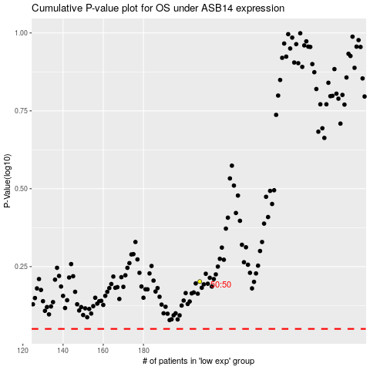

 |  |  |  |  |  | cases_OS | p_OS | rank | exp
 |  |  |  |  |  |  | cases_RFS | p_RFS | rank | exp

