ASB16 _multivariate
Reported by Tex Li-Hsing Chi. tex@gate.sinica.edu.tw 2019-08-21

Table 2. The clinicopathological features of HNSCC cohort and ASB16 expression. (Chi square test)
Cutoff at -0.204 (50.0%)
 |  | ASB16 expression |  | ASB16 expression |  | (Optimised)
 | Features | Low | (%) | High | (%) | Case no | P-value | Remark | Matthews
Gender | Female | 153 | 36.9 | 153 | 36.9 | 415 | 1 | 0 | 0
2 | Male | 54 | 13 | 55 | 13.3
Age at diagnosis | <=65y | 132 | 31.8 | 142 | 34.2 | 415 | 0.3874 | 0 | 0
4 | >65y | 75 | 18.1 | 66 | 15.9
Clinical T Status | T1+T2 | 61 | 14.7 | 88 | 21.2 | 415 | 0.0087 | 1 | 0
6 | T3+T4 | 146 | 35.2 | 120 | 28.9
Clinical N Status | N0 | 102 | 24.6 | 114 | 27.5 | 415 | 0.3031 | 0 | 0
8 | N1-3 | 105 | 25.3 | 94 | 22.7
Clinical M Status | M0 | 205 | 49.4 | 207 | 49.9 | 415 | 0.6232 | 0 | 0
10 | M1 | 2 | 0.5 | 1 | 0.2
Clinical Stage | Stage I+II | 46 | 11.1 | 56 | 13.5 | 415 | 0.3182 | 0 | 0
12 | Stage III+IV | 161 | 38.8 | 152 | 36.6
Surgical Margin status | Negative | 166 | 40 | 152 | 36.6 | 415 | 0.1042 | 0 | 0
14 | Positive | 41 | 9.9 | 56 | 13.5
Tobacco Exposure | Low | 78 | 18.8 | 83 | 20 | 415 | 0.6873 | 0 | 0
16 | High | 129 | 31.1 | 125 | 30.1

Table 3. Univariate/Multivariate Cox's proportional hazards regression analyses on OS time of ASB16 gene expression in HNSCC

 |  | Univariate |  |  |  | Multivariate
 | Features | HR | CI95%(L) | CI95%(H) | P-value | HR | CI95%(L) | CI95%(H) | P-value
1 | Female | 1 |  |  |  | 1
Gender | Male | 1.157 | 0.843 | 1.587 | 0.367 | 1.195 | 0.854 | 1.67 | 0.299
11 | <=65y | 1 |  |  |  | 1
Age at diagnosis | >65y | 1.329 | 0.99 | 1.784 | 0.058 | 1.385 | 1.018 | 1.884 | 0.038
12 | T1+T2 | 1 |  |  |  | 1
Clinical T Status | T3+T4 | 1.409 | 1.028 | 1.931 | 0.033 | 2.166 | 1.141 | 4.11 | 0.018
13 | N0 | 1 |  |  |  | 1
Clinical N Status | N1-3 | 1.185 | 0.89 | 1.577 | 0.246 | 1.224 | 0.854 | 1.754 | 0.271
14 | M0 | 1 |  |  |  | 1
Clinical M Status | M1 | 4.097 | 1.009 | 16.644 | 0.049 | 9.114 | 1.977 | 42.016 | 0.005
15 | Stage I+II | 1 |  |  |  | 1
Clinical Stage | Stage III+IV | 1.245 | 0.882 | 1.759 | 0.213 | 0.516 | 0.239 | 1.113 | 0.091
16 | Negative | 1 |  |  |  | 1
Surgical Margin status | Positive | 1.591 | 1.155 | 2.191 | 0.004 | 1.686 | 1.218 | 2.335 | 0.002
17 | Low | 1 |  |  |  | 1
Tobacco Exposure | High | 1.364 | 1.008 | 1.844 | 0.044 | 1.454 | 1.055 | 2.003 | 0.022
18 | Low | 1 |  |  |  | 1
RNAseq(z-score) | High | 0.874 | 0.656 | 1.164 | 0.357 | 0.931 | 0.693 | 1.252 | 0.638

Table 4. Univariate/Multivariate Cox's proportional hazards regression analyses on RFS time of ASB16 gene expression in HNSCC

 |  | Univariate |  |  |  | Multivariate
 | Features | HR | CI95%(L) | CI95%(H) | P-value | HR | CI95%(L) | CI95%(H) | P-value
1 | Female | 1 |  |  |  | 1
Gender | Male | 1.157 | 0.843 | 1.587 | 0.367 | 1.195 | 0.854 | 1.67 | 0.299
11 | <=65y | 1 |  |  |  | 1
Age at diagnosis | >65y | 1.329 | 0.99 | 1.784 | 0.058 | 1.385 | 1.018 | 1.884 | 0.038
12 | T1+T2 | 1 |  |  |  | 1
Clinical T Status | T3+T4 | 1.409 | 1.028 | 1.931 | 0.033 | 2.166 | 1.141 | 4.11 | 0.018
13 | N0 | 1 |  |  |  | 1
Clinical N Status | N1-3 | 1.185 | 0.89 | 1.577 | 0.246 | 1.224 | 0.854 | 1.754 | 0.271
14 | M0 | 1 |  |  |  | 1
Clinical M Status | M1 | 4.097 | 1.009 | 16.644 | 0.049 | 9.114 | 1.977 | 42.016 | 0.005
15 | Stage I+II | 1 |  |  |  | 1
Clinical Stage | Stage III+IV | 1.245 | 0.882 | 1.759 | 0.213 | 0.516 | 0.239 | 1.113 | 0.091
16 | Negative | 1 |  |  |  | 1
Surgical Margin status | Positive | 1.591 | 1.155 | 2.191 | 0.004 | 1.686 | 1.218 | 2.335 | 0.002
17 | Low | 1 |  |  |  | 1
Tobacco Exposure | High | 1.364 | 1.008 | 1.844 | 0.044 | 1.454 | 1.055 | 2.003 | 0.022
18 | Low | 1 |  |  |  | 1
RNAseq(z-score) | High | 0.874 | 0.656 | 1.164 | 0.357 | 0.931 | 0.693 | 1.252 | 0.638

Kaplan-Meier survival estimate: Cutoff at -0.204 (50.0%)



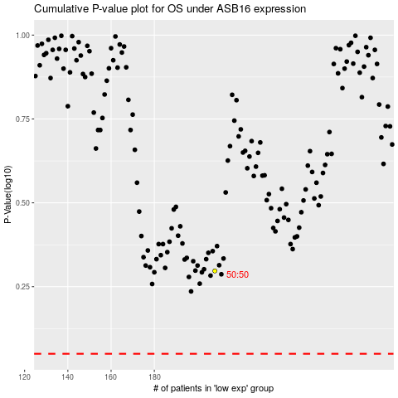

 |  |  |  |  |  | cases_OS | p_OS | rank | exp
 |  |  |  |  |  |  | cases_RFS | p_RFS | rank | exp

