ASB2 _multivariate
Reported by Tex Li-Hsing Chi. tex@gate.sinica.edu.tw 2019-08-21

Table 2. The clinicopathological features of HNSCC cohort and ASB2 expression. (Chi square test)
Cutoff at -0.233 (50.0%)
 |  | ASB2 expression |  | ASB2 expression |  | (Optimised)
 | Features | Low | (%) | High | (%) | Case no | P-value | Remark | Matthews
Gender | Female | 150 | 36.1 | 156 | 37.6 | 415 | 0.6344 | 0 | 0
2 | Male | 57 | 13.7 | 52 | 12.5
Age at diagnosis | <=65y | 137 | 33 | 137 | 33 | 415 | 1 | 0 | 0
4 | >65y | 70 | 16.9 | 71 | 17.1
Clinical T Status | T1+T2 | 69 | 16.6 | 80 | 19.3 | 415 | 0.3239 | 0 | 0
6 | T3+T4 | 138 | 33.3 | 128 | 30.8
Clinical N Status | N0 | 110 | 26.5 | 106 | 25.5 | 415 | 0.7294 | 0 | 0
8 | N1-3 | 97 | 23.4 | 102 | 24.6
Clinical M Status | M0 | 207 | 49.9 | 205 | 49.4 | 415 | 0.2482 | 0 | 0
10 | M1 | 0 | 0 | 3 | 0.7
Clinical Stage | Stage I+II | 50 | 12 | 52 | 12.5 | 415 | 0.9315 | 0 | 0
12 | Stage III+IV | 157 | 37.8 | 156 | 37.6
Surgical Margin status | Negative | 161 | 38.8 | 157 | 37.8 | 415 | 0.6429 | 0 | 0
14 | Positive | 46 | 11.1 | 51 | 12.3
Tobacco Exposure | Low | 80 | 19.3 | 81 | 19.5 | 415 | 1 | 0 | 0
16 | High | 127 | 30.6 | 127 | 30.6

Table 3. Univariate/Multivariate Cox's proportional hazards regression analyses on OS time of ASB2 gene expression in HNSCC

 |  | Univariate |  |  |  | Multivariate
 | Features | HR | CI95%(L) | CI95%(H) | P-value | HR | CI95%(L) | CI95%(H) | P-value
1 | Female | 1 |  |  |  | 1
Gender | Male | 1.157 | 0.843 | 1.587 | 0.367 | 1.205 | 0.863 | 1.683 | 0.273
11 | <=65y | 1 |  |  |  | 1
Age at diagnosis | >65y | 1.329 | 0.99 | 1.784 | 0.058 | 1.4 | 1.03 | 1.902 | 0.032
12 | T1+T2 | 1 |  |  |  | 1
Clinical T Status | T3+T4 | 1.409 | 1.028 | 1.931 | 0.033 | 2.251 | 1.19 | 4.257 | 0.013
13 | N0 | 1 |  |  |  | 1
Clinical N Status | N1-3 | 1.185 | 0.89 | 1.577 | 0.246 | 1.255 | 0.879 | 1.792 | 0.211
14 | M0 | 1 |  |  |  | 1
Clinical M Status | M1 | 4.097 | 1.009 | 16.644 | 0.049 | 8.732 | 1.898 | 40.186 | 0.005
15 | Stage I+II | 1 |  |  |  | 1
Clinical Stage | Stage III+IV | 1.245 | 0.882 | 1.759 | 0.213 | 0.494 | 0.23 | 1.061 | 0.07
16 | Negative | 1 |  |  |  | 1
Surgical Margin status | Positive | 1.591 | 1.155 | 2.191 | 0.004 | 1.643 | 1.188 | 2.272 | 0.003
17 | Low | 1 |  |  |  | 1
Tobacco Exposure | High | 1.364 | 1.008 | 1.844 | 0.044 | 1.449 | 1.053 | 1.994 | 0.023
18 | Low | 1 |  |  |  | 1
RNAseq(z-score) | High | 1.207 | 0.905 | 1.608 | 0.2 | 1.203 | 0.899 | 1.608 | 0.214

Table 4. Univariate/Multivariate Cox's proportional hazards regression analyses on RFS time of ASB2 gene expression in HNSCC

 |  | Univariate |  |  |  | Multivariate
 | Features | HR | CI95%(L) | CI95%(H) | P-value | HR | CI95%(L) | CI95%(H) | P-value
1 | Female | 1 |  |  |  | 1
Gender | Male | 1.157 | 0.843 | 1.587 | 0.367 | 1.205 | 0.863 | 1.683 | 0.273
11 | <=65y | 1 |  |  |  | 1
Age at diagnosis | >65y | 1.329 | 0.99 | 1.784 | 0.058 | 1.4 | 1.03 | 1.902 | 0.032
12 | T1+T2 | 1 |  |  |  | 1
Clinical T Status | T3+T4 | 1.409 | 1.028 | 1.931 | 0.033 | 2.251 | 1.19 | 4.257 | 0.013
13 | N0 | 1 |  |  |  | 1
Clinical N Status | N1-3 | 1.185 | 0.89 | 1.577 | 0.246 | 1.255 | 0.879 | 1.792 | 0.211
14 | M0 | 1 |  |  |  | 1
Clinical M Status | M1 | 4.097 | 1.009 | 16.644 | 0.049 | 8.732 | 1.898 | 40.186 | 0.005
15 | Stage I+II | 1 |  |  |  | 1
Clinical Stage | Stage III+IV | 1.245 | 0.882 | 1.759 | 0.213 | 0.494 | 0.23 | 1.061 | 0.07
16 | Negative | 1 |  |  |  | 1
Surgical Margin status | Positive | 1.591 | 1.155 | 2.191 | 0.004 | 1.643 | 1.188 | 2.272 | 0.003
17 | Low | 1 |  |  |  | 1
Tobacco Exposure | High | 1.364 | 1.008 | 1.844 | 0.044 | 1.449 | 1.053 | 1.994 | 0.023
18 | Low | 1 |  |  |  | 1
RNAseq(z-score) | High | 1.207 | 0.905 | 1.608 | 0.2 | 1.203 | 0.899 | 1.608 | 0.214

Kaplan-Meier survival estimate: Cutoff at -0.233 (50.0%)



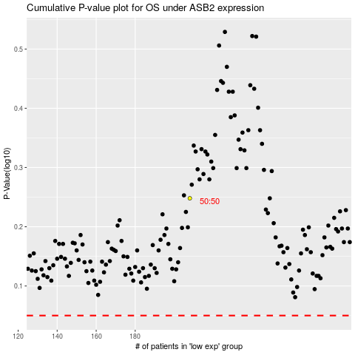

 |  |  |  |  |  | cases_OS | p_OS | rank | exp
 |  |  |  |  |  |  | cases_RFS | p_RFS | rank | exp

