ASB3 _multivariate
Reported by Tex Li-Hsing Chi. tex@gate.sinica.edu.tw 2019-08-21

Table 2. The clinicopathological features of HNSCC cohort and ASB3 expression. (Chi square test)
Cutoff at -0.077 (49.8%)
 |  | ASB3 expression |  | ASB3 expression |  | (Optimised)
 | Features | Low | (%) | High | (%) | Case no | P-value | Remark | Matthews
Gender | Female | 141 | 34 | 165 | 39.8 | 415 | 0.013 | 1 | 0
2 | Male | 66 | 15.9 | 43 | 10.4
Age at diagnosis | <=65y | 135 | 32.5 | 139 | 33.5 | 415 | 0.8084 | 0 | 0
4 | >65y | 72 | 17.3 | 69 | 16.6
Clinical T Status | T1+T2 | 78 | 18.8 | 71 | 17.1 | 415 | 0.5152 | 0 | 0
6 | T3+T4 | 129 | 31.1 | 137 | 33
Clinical N Status | N0 | 113 | 27.2 | 103 | 24.8 | 415 | 0.3495 | 1 | 0
8 | N1-3 | 94 | 22.7 | 105 | 25.3
Clinical M Status | M0 | 206 | 49.6 | 206 | 49.6 | 415 | 1 | 0 | 0
10 | M1 | 1 | 0.2 | 2 | 0.5
Clinical Stage | Stage I+II | 57 | 13.7 | 45 | 10.8 | 415 | 0.1998 | 0 | 0
12 | Stage III+IV | 150 | 36.1 | 163 | 39.3
Surgical Margin status | Negative | 165 | 39.8 | 153 | 36.9 | 415 | 0.1639 | 0 | 0
14 | Positive | 42 | 10.1 | 55 | 13.3
Tobacco Exposure | Low | 85 | 20.5 | 76 | 18.3 | 415 | 0.3655 | 0 | 0
16 | High | 122 | 29.4 | 132 | 31.8

Table 3. Univariate/Multivariate Cox's proportional hazards regression analyses on OS time of ASB3 gene expression in HNSCC

 |  | Univariate |  |  |  | Multivariate
 | Features | HR | CI95%(L) | CI95%(H) | P-value | HR | CI95%(L) | CI95%(H) | P-value
1 | Female | 1 |  |  |  | 1
Gender | Male | 1.157 | 0.843 | 1.587 | 0.367 | 1.219 | 0.871 | 1.708 | 0.248
11 | <=65y | 1 |  |  |  | 1
Age at diagnosis | >65y | 1.329 | 0.99 | 1.784 | 0.058 | 1.396 | 1.027 | 1.898 | 0.033
12 | T1+T2 | 1 |  |  |  | 1
Clinical T Status | T3+T4 | 1.409 | 1.028 | 1.931 | 0.033 | 2.22 | 1.174 | 4.2 | 0.014
13 | N0 | 1 |  |  |  | 1
Clinical N Status | N1-3 | 1.185 | 0.89 | 1.577 | 0.246 | 1.243 | 0.871 | 1.773 | 0.231
14 | M0 | 1 |  |  |  | 1
Clinical M Status | M1 | 4.097 | 1.009 | 16.644 | 0.049 | 9.419 | 2.054 | 43.187 | 0.004
15 | Stage I+II | 1 |  |  |  | 1
Clinical Stage | Stage III+IV | 1.245 | 0.882 | 1.759 | 0.213 | 0.496 | 0.231 | 1.066 | 0.073
16 | Negative | 1 |  |  |  | 1
Surgical Margin status | Positive | 1.591 | 1.155 | 2.191 | 0.004 | 1.665 | 1.204 | 2.301 | 0.002
17 | Low | 1 |  |  |  | 1
Tobacco Exposure | High | 1.364 | 1.008 | 1.844 | 0.044 | 1.458 | 1.058 | 2.008 | 0.021
18 | Low | 1 |  |  |  | 1
RNAseq(z-score) | High | 1.077 | 0.808 | 1.435 | 0.613 | 1.108 | 0.827 | 1.484 | 0.491

Table 4. Univariate/Multivariate Cox's proportional hazards regression analyses on RFS time of ASB3 gene expression in HNSCC

 |  | Univariate |  |  |  | Multivariate
 | Features | HR | CI95%(L) | CI95%(H) | P-value | HR | CI95%(L) | CI95%(H) | P-value
1 | Female | 1 |  |  |  | 1
Gender | Male | 1.157 | 0.843 | 1.587 | 0.367 | 1.219 | 0.871 | 1.708 | 0.248
11 | <=65y | 1 |  |  |  | 1
Age at diagnosis | >65y | 1.329 | 0.99 | 1.784 | 0.058 | 1.396 | 1.027 | 1.898 | 0.033
12 | T1+T2 | 1 |  |  |  | 1
Clinical T Status | T3+T4 | 1.409 | 1.028 | 1.931 | 0.033 | 2.22 | 1.174 | 4.2 | 0.014
13 | N0 | 1 |  |  |  | 1
Clinical N Status | N1-3 | 1.185 | 0.89 | 1.577 | 0.246 | 1.243 | 0.871 | 1.773 | 0.231
14 | M0 | 1 |  |  |  | 1
Clinical M Status | M1 | 4.097 | 1.009 | 16.644 | 0.049 | 9.419 | 2.054 | 43.187 | 0.004
15 | Stage I+II | 1 |  |  |  | 1
Clinical Stage | Stage III+IV | 1.245 | 0.882 | 1.759 | 0.213 | 0.496 | 0.231 | 1.066 | 0.073
16 | Negative | 1 |  |  |  | 1
Surgical Margin status | Positive | 1.591 | 1.155 | 2.191 | 0.004 | 1.665 | 1.204 | 2.301 | 0.002
17 | Low | 1 |  |  |  | 1
Tobacco Exposure | High | 1.364 | 1.008 | 1.844 | 0.044 | 1.458 | 1.058 | 2.008 | 0.021
18 | Low | 1 |  |  |  | 1
RNAseq(z-score) | High | 1.077 | 0.808 | 1.435 | 0.613 | 1.108 | 0.827 | 1.484 | 0.491

Kaplan-Meier survival estimate: Cutoff at -0.077 (49.8%)



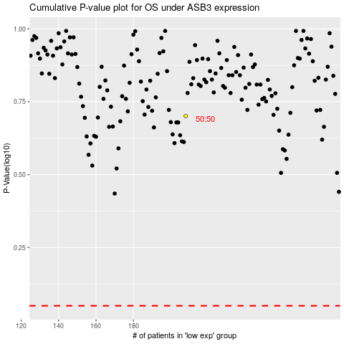

 |  |  |  |  |  | cases_OS | p_OS | rank | exp
 |  |  |  |  |  |  | cases_RFS | p_RFS | rank | exp

