ASB6 _multivariate
Reported by Tex Li-Hsing Chi. tex@gate.sinica.edu.tw 2019-08-21

Table 2. The clinicopathological features of HNSCC cohort and ASB6 expression. (Chi square test)
Cutoff at -0.175 (49.8%)
 |  | ASB6 expression |  | ASB6 expression |  | (Optimised)
 | Features | Low | (%) | High | (%) | Case no | P-value | Remark | Matthews
Gender | Female | 146 | 35.2 | 160 | 38.6 | 415 | 0.1714 | 0 | 0
2 | Male | 61 | 14.7 | 48 | 11.6
Age at diagnosis | <=65y | 137 | 33 | 137 | 33 | 415 | 1 | 0 | 0
4 | >65y | 70 | 16.9 | 71 | 17.1
Clinical T Status | T1+T2 | 77 | 18.6 | 72 | 17.3 | 415 | 0.6556 | 0 | 0
6 | T3+T4 | 130 | 31.3 | 136 | 32.8
Clinical N Status | N0 | 112 | 27 | 104 | 25.1 | 415 | 0.4599 | 0 | 0
8 | N1-3 | 95 | 22.9 | 104 | 25.1
Clinical M Status | M0 | 205 | 49.4 | 207 | 49.9 | 415 | 0.6232 | 0 | 0
10 | M1 | 2 | 0.5 | 1 | 0.2
Clinical Stage | Stage I+II | 54 | 13 | 48 | 11.6 | 415 | 0.5498 | 0 | 0
12 | Stage III+IV | 153 | 36.9 | 160 | 38.6
Surgical Margin status | Negative | 163 | 39.3 | 155 | 37.3 | 415 | 0.3537 | 0 | 0
14 | Positive | 44 | 10.6 | 53 | 12.8
Tobacco Exposure | Low | 90 | 21.7 | 71 | 17.1 | 415 | 0.0559 | 0 | 0
16 | High | 117 | 28.2 | 137 | 33

Table 3. Univariate/Multivariate Cox's proportional hazards regression analyses on OS time of ASB6 gene expression in HNSCC

 |  | Univariate |  |  |  | Multivariate
 | Features | HR | CI95%(L) | CI95%(H) | P-value | HR | CI95%(L) | CI95%(H) | P-value
1 | Female | 1 |  |  |  | 1
Gender | Male | 1.157 | 0.843 | 1.587 | 0.367 | 1.208 | 0.864 | 1.691 | 0.269
11 | <=65y | 1 |  |  |  | 1
Age at diagnosis | >65y | 1.329 | 0.99 | 1.784 | 0.058 | 1.381 | 1.013 | 1.883 | 0.041
12 | T1+T2 | 1 |  |  |  | 1
Clinical T Status | T3+T4 | 1.409 | 1.028 | 1.931 | 0.033 | 2.208 | 1.168 | 4.177 | 0.015
13 | N0 | 1 |  |  |  | 1
Clinical N Status | N1-3 | 1.185 | 0.89 | 1.577 | 0.246 | 1.235 | 0.864 | 1.764 | 0.247
14 | M0 | 1 |  |  |  | 1
Clinical M Status | M1 | 4.097 | 1.009 | 16.644 | 0.049 | 9.622 | 2.087 | 44.351 | 0.004
15 | Stage I+II | 1 |  |  |  | 1
Clinical Stage | Stage III+IV | 1.245 | 0.882 | 1.759 | 0.213 | 0.5 | 0.233 | 1.075 | 0.076
16 | Negative | 1 |  |  |  | 1
Surgical Margin status | Positive | 1.591 | 1.155 | 2.191 | 0.004 | 1.668 | 1.207 | 2.306 | 0.002
17 | Low | 1 |  |  |  | 1
Tobacco Exposure | High | 1.364 | 1.008 | 1.844 | 0.044 | 1.447 | 1.049 | 1.996 | 0.024
18 | Low | 1 |  |  |  | 1
RNAseq(z-score) | High | 1.135 | 0.852 | 1.512 | 0.387 | 1.054 | 0.783 | 1.419 | 0.729

Table 4. Univariate/Multivariate Cox's proportional hazards regression analyses on RFS time of ASB6 gene expression in HNSCC

 |  | Univariate |  |  |  | Multivariate
 | Features | HR | CI95%(L) | CI95%(H) | P-value | HR | CI95%(L) | CI95%(H) | P-value
1 | Female | 1 |  |  |  | 1
Gender | Male | 1.157 | 0.843 | 1.587 | 0.367 | 1.208 | 0.864 | 1.691 | 0.269
11 | <=65y | 1 |  |  |  | 1
Age at diagnosis | >65y | 1.329 | 0.99 | 1.784 | 0.058 | 1.381 | 1.013 | 1.883 | 0.041
12 | T1+T2 | 1 |  |  |  | 1
Clinical T Status | T3+T4 | 1.409 | 1.028 | 1.931 | 0.033 | 2.208 | 1.168 | 4.177 | 0.015
13 | N0 | 1 |  |  |  | 1
Clinical N Status | N1-3 | 1.185 | 0.89 | 1.577 | 0.246 | 1.235 | 0.864 | 1.764 | 0.247
14 | M0 | 1 |  |  |  | 1
Clinical M Status | M1 | 4.097 | 1.009 | 16.644 | 0.049 | 9.622 | 2.087 | 44.351 | 0.004
15 | Stage I+II | 1 |  |  |  | 1
Clinical Stage | Stage III+IV | 1.245 | 0.882 | 1.759 | 0.213 | 0.5 | 0.233 | 1.075 | 0.076
16 | Negative | 1 |  |  |  | 1
Surgical Margin status | Positive | 1.591 | 1.155 | 2.191 | 0.004 | 1.668 | 1.207 | 2.306 | 0.002
17 | Low | 1 |  |  |  | 1
Tobacco Exposure | High | 1.364 | 1.008 | 1.844 | 0.044 | 1.447 | 1.049 | 1.996 | 0.024
18 | Low | 1 |  |  |  | 1
RNAseq(z-score) | High | 1.135 | 0.852 | 1.512 | 0.387 | 1.054 | 0.783 | 1.419 | 0.729

Kaplan-Meier survival estimate: Cutoff at -0.175 (49.8%)



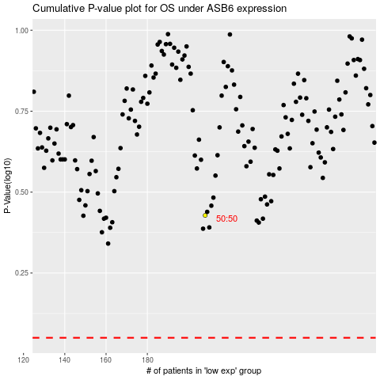

 |  |  |  |  |  | cases_OS | p_OS | rank | exp
 |  |  |  |  |  |  | cases_RFS | p_RFS | rank | exp

