ASCC2 _multivariate
Reported by Tex Li-Hsing Chi. tex@gate.sinica.edu.tw 2019-08-21

Table 2. The clinicopathological features of HNSCC cohort and ASCC2 expression. (Chi square test)
Cutoff at -0.511 (31.6%)
 |  | ASCC2 expression |  | ASCC2 expression |  | (Optimised)
 | Features | Low | (%) | High | (%) | Case no | P-value | Remark | Matthews
Gender | Female | 102 | 24.6 | 204 | 49.2 | 415 | 0.2389 | 0 | 0
2 | Male | 29 | 7 | 80 | 19.3
Age at diagnosis | <=65y | 91 | 21.9 | 183 | 44.1 | 415 | 0.3714 | 0 | 0
4 | >65y | 40 | 9.6 | 101 | 24.3
Clinical T Status | T1+T2 | 53 | 12.8 | 96 | 23.1 | 415 | 0.2288 | 0 | 0
6 | T3+T4 | 78 | 18.8 | 188 | 45.3
Clinical N Status | N0 | 60 | 14.5 | 156 | 37.6 | 415 | 0.1043 | 0 | 0
8 | N1-3 | 71 | 17.1 | 128 | 30.8
Clinical M Status | M0 | 131 | 31.6 | 281 | 67.7 | 415 | 0.5549 | 0 | 0
10 | M1 | 0 | 0 | 3 | 0.7
Clinical Stage | Stage I+II | 31 | 7.5 | 71 | 17.1 | 415 | 0.8641 | 0 | 0
12 | Stage III+IV | 100 | 24.1 | 213 | 51.3
Surgical Margin status | Negative | 96 | 23.1 | 222 | 53.5 | 415 | 0.3181 | 0 | 0
14 | Positive | 35 | 8.4 | 62 | 14.9
Tobacco Exposure | Low | 52 | 12.5 | 109 | 26.3 | 415 | 0.8288 | 0 | 0
16 | High | 79 | 19 | 175 | 42.2

Table 3. Univariate/Multivariate Cox's proportional hazards regression analyses on OS time of ASCC2 gene expression in HNSCC

 |  | Univariate |  |  |  | Multivariate
 | Features | HR | CI95%(L) | CI95%(H) | P-value | HR | CI95%(L) | CI95%(H) | P-value
1 | Female | 1 |  |  |  | 1
Gender | Male | 1.157 | 0.843 | 1.587 | 0.367 | 1.131 | 0.807 | 1.587 | 0.475
11 | <=65y | 1 |  |  |  | 1
Age at diagnosis | >65y | 1.329 | 0.99 | 1.784 | 0.058 | 1.383 | 1.017 | 1.881 | 0.039
12 | T1+T2 | 1 |  |  |  | 1
Clinical T Status | T3+T4 | 1.409 | 1.028 | 1.931 | 0.033 | 2.046 | 1.079 | 3.879 | 0.028
13 | N0 | 1 |  |  |  | 1
Clinical N Status | N1-3 | 1.185 | 0.89 | 1.577 | 0.246 | 1.29 | 0.903 | 1.842 | 0.162
14 | M0 | 1 |  |  |  | 1
Clinical M Status | M1 | 4.097 | 1.009 | 16.644 | 0.049 | 7.503 | 1.624 | 34.671 | 0.01
15 | Stage I+II | 1 |  |  |  | 1
Clinical Stage | Stage III+IV | 1.245 | 0.882 | 1.759 | 0.213 | 0.533 | 0.248 | 1.144 | 0.106
16 | Negative | 1 |  |  |  | 1
Surgical Margin status | Positive | 1.591 | 1.155 | 2.191 | 0.004 | 1.668 | 1.207 | 2.305 | 0.002
17 | Low | 1 |  |  |  | 1
Tobacco Exposure | High | 1.364 | 1.008 | 1.844 | 0.044 | 1.388 | 1.006 | 1.915 | 0.046
18 | Low | 1 |  |  |  | 1
RNAseq(z-score) | High | 1.69 | 1.198 | 2.383 | 0.003 | 1.569 | 1.104 | 2.23 | 0.012

Table 4. Univariate/Multivariate Cox's proportional hazards regression analyses on RFS time of ASCC2 gene expression in HNSCC

 |  | Univariate |  |  |  | Multivariate
 | Features | HR | CI95%(L) | CI95%(H) | P-value | HR | CI95%(L) | CI95%(H) | P-value
1 | Female | 1 |  |  |  | 1
Gender | Male | 1.157 | 0.843 | 1.587 | 0.367 | 1.131 | 0.807 | 1.587 | 0.475
11 | <=65y | 1 |  |  |  | 1
Age at diagnosis | >65y | 1.329 | 0.99 | 1.784 | 0.058 | 1.383 | 1.017 | 1.881 | 0.039
12 | T1+T2 | 1 |  |  |  | 1
Clinical T Status | T3+T4 | 1.409 | 1.028 | 1.931 | 0.033 | 2.046 | 1.079 | 3.879 | 0.028
13 | N0 | 1 |  |  |  | 1
Clinical N Status | N1-3 | 1.185 | 0.89 | 1.577 | 0.246 | 1.29 | 0.903 | 1.842 | 0.162
14 | M0 | 1 |  |  |  | 1
Clinical M Status | M1 | 4.097 | 1.009 | 16.644 | 0.049 | 7.503 | 1.624 | 34.671 | 0.01
15 | Stage I+II | 1 |  |  |  | 1
Clinical Stage | Stage III+IV | 1.245 | 0.882 | 1.759 | 0.213 | 0.533 | 0.248 | 1.144 | 0.106
16 | Negative | 1 |  |  |  | 1
Surgical Margin status | Positive | 1.591 | 1.155 | 2.191 | 0.004 | 1.668 | 1.207 | 2.305 | 0.002
17 | Low | 1 |  |  |  | 1
Tobacco Exposure | High | 1.364 | 1.008 | 1.844 | 0.044 | 1.388 | 1.006 | 1.915 | 0.046
18 | Low | 1 |  |  |  | 1
RNAseq(z-score) | High | 1.69 | 1.198 | 2.383 | 0.003 | 1.569 | 1.104 | 2.23 | 0.012

Kaplan-Meier survival estimate: Cutoff at -0.511 (31.6%)

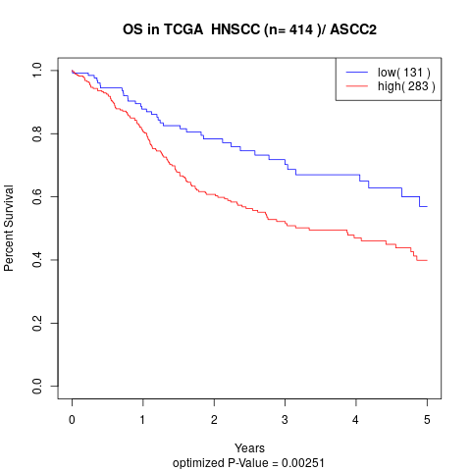

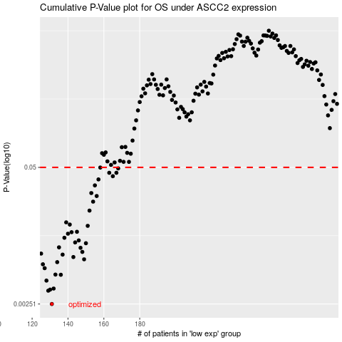

 |  |  |  |  |  | cases_OS | p_OS | rank | exp
 |  |  |  |  |  | 131 | 0.00251 | 180 | -0.51109997144
 |  |  |  |  |  | 129 | 0.00336 | 259 | -0.51827694768
 |  |  |  |  |  | 130 | 0.00344 | 73 | -0.51172543115
 |  |  |  |  |  | 132 | 0.00352 | 265 | -0.49967268344
 |  |  |  |  |  | 128 | 0.00419 | 93 | -0.52194970527
 |  |  |  |  |  | 136 | 0.00476 | 224 | -0.46104438041
 |  |  |  |  |  | 133 | 0.00478 | 56 | -0.48856334273
 |  |  |  |  |  | 127 | 0.0055 | 130 | -0.52397090772
 |  |  |  |  |  | 126 | 0.00599 | 98 | -0.52781378529
 |  |  |  |  |  | 134 | 0.00628 | 86 | -0.47759329171
 |  |  |  |  |  | 149 | 0.00668 | 52 | -0.40984174433
 |  |  |  |  |  | 143 | 0.00702 | 263 | -0.42867035825
 |  |  |  |  |  | 137 | 0.0074 | 207 | -0.45992863997
 |  |  |  |  |  | 125 | 0.00757 | 135 | -0.5445688643
 |  |  |  |  |  | 148 | 0.00785 | 294 | -0.4109663386
 |  |  |  |  |  | 147 | 0.00859 | 46 | -0.41267971242
 |  |  |  |  |  | 135 | 0.00868 | 177 | -0.47279246157
 |  |  |  |  |  | 150 | 0.0095 | 223 | -0.40957170258
 |  |  |  |  |  | 144 | 0.00967 | 209 | -0.42344391194
 |  |  |  |  |  | 146 | 0.0101 | 292 | -0.41380367427
 |  |  |  |  |  | 138 | 0.0107 | 23 | -0.45243925009
 |  |  |  |  |  | 140 | 0.0117 | 153 | -0.44308439027
 |  |  |  |  |  | 142 | 0.0121 | 182 | -0.42929629227
 |  |  |  |  |  | 145 | 0.0122 | 337 | -0.42244564284
 |  |  |  |  |  | 151 | 0.0139 | 97 | -0.40194428784
 |  |  |  |  |  | 141 | 0.0143 | 5 | -0.43450771868
 |  |  |  |  |  | 139 | 0.015 | 169 | -0.44471143927
 |  |  |  |  |  | 152 | 0.0194 | 216 | -0.40061779468
 |  |  |  |  |  | 154 | 0.0236 | 210 | -0.37536367319
 |  |  |  |  |  | 156 | 0.0267 | 413 | -0.35544461549
 |  |  |  |  |  | 153 | 0.0285 | 262 | -0.3984286857
 |  |  |  |  |  | 155 | 0.0337 | 151 | -0.36438192246
 |  |  |  |  |  | 157 | 0.0384 | 117 | -0.3542180441
 |  |  |  |  |  | 165 | 0.0412 | 196 | -0.32767379338
 |  |  |  |  |  | 163 | 0.0444 | 87 | -0.33363004808
 |  |  |  |  |  | 167 | 0.0444 | 254 | -0.32338458801
 |  |  |  |  |  | 168 | 0.0489 | 412 | -0.3179208275
 |  |  |  |  |  | 158 | 0.0498 | 264 | -0.34634461943
 |  |  |  |  |  |  | cases_RFS | p_RFS | rank | exp
 |  |  |  |  |  |  | 130 | 0.00251 | 73 | -0.51172543115
 |  |  |  |  |  |  | 128 | 0.00336 | 93 | -0.52194970527
 |  |  |  |  |  |  | 129 | 0.00344 | 259 | -0.51827694768
 |  |  |  |  |  |  | 131 | 0.00352 | 180 | -0.51109997144
 |  |  |  |  |  |  | 127 | 0.00419 | 130 | -0.52397090772
 |  |  |  |  |  |  | 135 | 0.00476 | 177 | -0.47279246157
 |  |  |  |  |  |  | 132 | 0.00478 | 265 | -0.49967268344
 |  |  |  |  |  |  | 126 | 0.0055 | 98 | -0.52781378529
 |  |  |  |  |  |  | 125 | 0.00599 | 135 | -0.5445688643
 |  |  |  |  |  |  | 133 | 0.00628 | 56 | -0.48856334273
 |  |  |  |  |  |  | 148 | 0.00668 | 294 | -0.4109663386
 |  |  |  |  |  |  | 142 | 0.00702 | 182 | -0.42929629227
 |  |  |  |  |  |  | 136 | 0.0074 | 224 | -0.46104438041
 |  |  |  |  |  |  |  | 0.00757 | 24 | -0.54635180392
 |  |  |  |  |  |  | 147 | 0.00785 | 46 | -0.41267971242
 |  |  |  |  |  |  | 146 | 0.00859 | 292 | -0.41380367427
 |  |  |  |  |  |  | 134 | 0.00868 | 86 | -0.47759329171
 |  |  |  |  |  |  | 149 | 0.0095 | 52 | -0.40984174433
 |  |  |  |  |  |  | 143 | 0.00967 | 263 | -0.42867035825
 |  |  |  |  |  |  | 145 | 0.0101 | 337 | -0.42244564284
 |  |  |  |  |  |  | 137 | 0.0107 | 207 | -0.45992863997
 |  |  |  |  |  |  | 139 | 0.0117 | 169 | -0.44471143927
 |  |  |  |  |  |  | 141 | 0.0121 | 5 | -0.43450771868
 |  |  |  |  |  |  | 144 | 0.0122 | 209 | -0.42344391194
 |  |  |  |  |  |  | 150 | 0.0139 | 223 | -0.40957170258
 |  |  |  |  |  |  | 140 | 0.0143 | 153 | -0.44308439027
 |  |  |  |  |  |  | 138 | 0.015 | 23 | -0.45243925009
 |  |  |  |  |  |  | 151 | 0.0194 | 97 | -0.40194428784
 |  |  |  |  |  |  | 153 | 0.0236 | 262 | -0.3984286857
 |  |  |  |  |  |  | 155 | 0.0267 | 151 | -0.36438192246
 |  |  |  |  |  |  | 152 | 0.0285 | 216 | -0.40061779468
 |  |  |  |  |  |  | 154 | 0.0337 | 210 | -0.37536367319
 |  |  |  |  |  |  | 156 | 0.0384 | 413 | -0.35544461549
 |  |  |  |  |  |  | 164 | 0.0412 | 255 | -0.33135287513
 |  |  |  |  |  |  | 162 | 0.0444 | 122 | -0.33560887864
 |  |  |  |  |  |  | 166 | 0.0444 | 301 | -0.32539282593
 |  |  |  |  |  |  | 167 | 0.0489 | 254 | -0.32338458801
 |  |  |  |  |  |  | 157 | 0.0498 | 117 | -0.3542180441

