ASCL2 _multivariate
Reported by Tex Li-Hsing Chi. tex@gate.sinica.edu.tw 2019-08-21

Table 2. The clinicopathological features of HNSCC cohort and ASCL2 expression. (Chi square test)
Cutoff at -0.295 (50.0%)
 |  | ASCL2 expression |  | ASCL2 expression |  | (Optimised)
 | Features | Low | (%) | High | (%) | Case no | P-value | Remark | Matthews
Gender | Female | 156 | 37.6 | 150 | 36.1 | 415 | 0.5222 | 0 | 0
2 | Male | 51 | 12.3 | 58 | 14
Age at diagnosis | <=65y | 135 | 32.5 | 139 | 33.5 | 415 | 0.8084 | 0 | 0
4 | >65y | 72 | 17.3 | 69 | 16.6
Clinical T Status | T1+T2 | 65 | 15.7 | 84 | 20.2 | 415 | 0.0711 | 0 | 0
6 | T3+T4 | 142 | 34.2 | 124 | 29.9
Clinical N Status | N0 | 101 | 24.3 | 115 | 27.7 | 415 | 0.2201 | 0 | 0
8 | N1-3 | 106 | 25.5 | 93 | 22.4
Clinical M Status | M0 | 206 | 49.6 | 206 | 49.6 | 415 | 1 | 0 | 0
10 | M1 | 1 | 0.2 | 2 | 0.5
Clinical Stage | Stage I+II | 44 | 10.6 | 58 | 14 | 415 | 0.1459 | 0 | 0
12 | Stage III+IV | 163 | 39.3 | 150 | 36.1
Surgical Margin status | Negative | 161 | 38.8 | 157 | 37.8 | 415 | 0.6429 | 0 | 0
14 | Positive | 46 | 11.1 | 51 | 12.3
Tobacco Exposure | Low | 75 | 18.1 | 86 | 20.7 | 415 | 0.3141 | 0 | 0
16 | High | 132 | 31.8 | 122 | 29.4

Table 3. Univariate/Multivariate Cox's proportional hazards regression analyses on OS time of ASCL2 gene expression in HNSCC

 |  | Univariate |  |  |  | Multivariate
 | Features | HR | CI95%(L) | CI95%(H) | P-value | HR | CI95%(L) | CI95%(H) | P-value
1 | Female | 1 |  |  |  | 1
Gender | Male | 1.157 | 0.843 | 1.587 | 0.367 | 1.203 | 0.861 | 1.68 | 0.278
11 | <=65y | 1 |  |  |  | 1
Age at diagnosis | >65y | 1.329 | 0.99 | 1.784 | 0.058 | 1.394 | 1.025 | 1.895 | 0.034
12 | T1+T2 | 1 |  |  |  | 1
Clinical T Status | T3+T4 | 1.409 | 1.028 | 1.931 | 0.033 | 2.192 | 1.159 | 4.147 | 0.016
13 | N0 | 1 |  |  |  | 1
Clinical N Status | N1-3 | 1.185 | 0.89 | 1.577 | 0.246 | 1.235 | 0.865 | 1.763 | 0.246
14 | M0 | 1 |  |  |  | 1
Clinical M Status | M1 | 4.097 | 1.009 | 16.644 | 0.049 | 9.66 | 2.102 | 44.398 | 0.004
15 | Stage I+II | 1 |  |  |  | 1
Clinical Stage | Stage III+IV | 1.245 | 0.882 | 1.759 | 0.213 | 0.505 | 0.235 | 1.083 | 0.079
16 | Negative | 1 |  |  |  | 1
Surgical Margin status | Positive | 1.591 | 1.155 | 2.191 | 0.004 | 1.694 | 1.222 | 2.348 | 0.002
17 | Low | 1 |  |  |  | 1
Tobacco Exposure | High | 1.364 | 1.008 | 1.844 | 0.044 | 1.441 | 1.045 | 1.988 | 0.026
18 | Low | 1 |  |  |  | 1
RNAseq(z-score) | High | 0.943 | 0.708 | 1.256 | 0.688 | 0.916 | 0.684 | 1.228 | 0.557

Table 4. Univariate/Multivariate Cox's proportional hazards regression analyses on RFS time of ASCL2 gene expression in HNSCC

 |  | Univariate |  |  |  | Multivariate
 | Features | HR | CI95%(L) | CI95%(H) | P-value | HR | CI95%(L) | CI95%(H) | P-value
1 | Female | 1 |  |  |  | 1
Gender | Male | 1.157 | 0.843 | 1.587 | 0.367 | 1.203 | 0.861 | 1.68 | 0.278
11 | <=65y | 1 |  |  |  | 1
Age at diagnosis | >65y | 1.329 | 0.99 | 1.784 | 0.058 | 1.394 | 1.025 | 1.895 | 0.034
12 | T1+T2 | 1 |  |  |  | 1
Clinical T Status | T3+T4 | 1.409 | 1.028 | 1.931 | 0.033 | 2.192 | 1.159 | 4.147 | 0.016
13 | N0 | 1 |  |  |  | 1
Clinical N Status | N1-3 | 1.185 | 0.89 | 1.577 | 0.246 | 1.235 | 0.865 | 1.763 | 0.246
14 | M0 | 1 |  |  |  | 1
Clinical M Status | M1 | 4.097 | 1.009 | 16.644 | 0.049 | 9.66 | 2.102 | 44.398 | 0.004
15 | Stage I+II | 1 |  |  |  | 1
Clinical Stage | Stage III+IV | 1.245 | 0.882 | 1.759 | 0.213 | 0.505 | 0.235 | 1.083 | 0.079
16 | Negative | 1 |  |  |  | 1
Surgical Margin status | Positive | 1.591 | 1.155 | 2.191 | 0.004 | 1.694 | 1.222 | 2.348 | 0.002
17 | Low | 1 |  |  |  | 1
Tobacco Exposure | High | 1.364 | 1.008 | 1.844 | 0.044 | 1.441 | 1.045 | 1.988 | 0.026
18 | Low | 1 |  |  |  | 1
RNAseq(z-score) | High | 0.943 | 0.708 | 1.256 | 0.688 | 0.916 | 0.684 | 1.228 | 0.557

Kaplan-Meier survival estimate: Cutoff at -0.295 (50.0%)



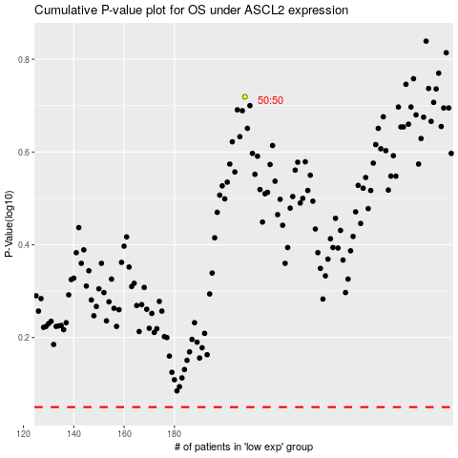

 |  |  |  |  |  | cases_OS | p_OS | rank | exp
 |  |  |  |  |  |  | cases_RFS | p_RFS | rank | exp

