ASF1B _multivariate
Reported by Tex Li-Hsing Chi. tex@gate.sinica.edu.tw 2019-08-21

Table 2. The clinicopathological features of HNSCC cohort and ASF1B expression. (Chi square test)
Cutoff at -0.274 (49.8%)
 |  | ASF1B expression |  | ASF1B expression |  | (Optimised)
 | Features | Low | (%) | High | (%) | Case no | P-value | Remark | Matthews
Gender | Female | 142 | 34.2 | 164 | 39.5 | 415 | 0.0238 | 1 | 0
2 | Male | 65 | 15.7 | 44 | 10.6
Age at diagnosis | <=65y | 137 | 33 | 137 | 33 | 415 | 1 | 0 | 0
4 | >65y | 70 | 16.9 | 71 | 17.1
Clinical T Status | T1+T2 | 68 | 16.4 | 81 | 19.5 | 415 | 0.2336 | 0 | 0
6 | T3+T4 | 139 | 33.5 | 127 | 30.6
Clinical N Status | N0 | 114 | 27.5 | 102 | 24.6 | 415 | 0.2576 | 1 | 0
8 | N1-3 | 93 | 22.4 | 106 | 25.5
Clinical M Status | M0 | 207 | 49.9 | 205 | 49.4 | 415 | 0.2482 | 0 | 0
10 | M1 | 0 | 0 | 3 | 0.7
Clinical Stage | Stage I+II | 52 | 12.5 | 50 | 12 | 415 | 0.8871 | 0 | 0
12 | Stage III+IV | 155 | 37.3 | 158 | 38.1
Surgical Margin status | Negative | 166 | 40 | 152 | 36.6 | 415 | 0.1042 | 0 | 0
14 | Positive | 41 | 9.9 | 56 | 13.5
Tobacco Exposure | Low | 88 | 21.2 | 73 | 17.6 | 415 | 0.1314 | 0 | 0
16 | High | 119 | 28.7 | 135 | 32.5

Table 3. Univariate/Multivariate Cox's proportional hazards regression analyses on OS time of ASF1B gene expression in HNSCC

 |  | Univariate |  |  |  | Multivariate
 | Features | HR | CI95%(L) | CI95%(H) | P-value | HR | CI95%(L) | CI95%(H) | P-value
1 | Female | 1 |  |  |  | 1
Gender | Male | 1.157 | 0.843 | 1.587 | 0.367 | 1.22 | 0.869 | 1.714 | 0.251
11 | <=65y | 1 |  |  |  | 1
Age at diagnosis | >65y | 1.329 | 0.99 | 1.784 | 0.058 | 1.384 | 1.017 | 1.882 | 0.038
12 | T1+T2 | 1 |  |  |  | 1
Clinical T Status | T3+T4 | 1.409 | 1.028 | 1.931 | 0.033 | 2.234 | 1.178 | 4.234 | 0.014
13 | N0 | 1 |  |  |  | 1
Clinical N Status | N1-3 | 1.185 | 0.89 | 1.577 | 0.246 | 1.238 | 0.868 | 1.767 | 0.238
14 | M0 | 1 |  |  |  | 1
Clinical M Status | M1 | 4.097 | 1.009 | 16.644 | 0.049 | 9.205 | 2.003 | 42.296 | 0.004
15 | Stage I+II | 1 |  |  |  | 1
Clinical Stage | Stage III+IV | 1.245 | 0.882 | 1.759 | 0.213 | 0.498 | 0.232 | 1.072 | 0.075
16 | Negative | 1 |  |  |  | 1
Surgical Margin status | Positive | 1.591 | 1.155 | 2.191 | 0.004 | 1.663 | 1.202 | 2.299 | 0.002
17 | Low | 1 |  |  |  | 1
Tobacco Exposure | High | 1.364 | 1.008 | 1.844 | 0.044 | 1.44 | 1.043 | 1.988 | 0.027
18 | Low | 1 |  |  |  | 1
RNAseq(z-score) | High | 1.108 | 0.831 | 1.476 | 0.485 | 1.079 | 0.799 | 1.457 | 0.62

Table 4. Univariate/Multivariate Cox's proportional hazards regression analyses on RFS time of ASF1B gene expression in HNSCC

 |  | Univariate |  |  |  | Multivariate
 | Features | HR | CI95%(L) | CI95%(H) | P-value | HR | CI95%(L) | CI95%(H) | P-value
1 | Female | 1 |  |  |  | 1
Gender | Male | 1.157 | 0.843 | 1.587 | 0.367 | 1.22 | 0.869 | 1.714 | 0.251
11 | <=65y | 1 |  |  |  | 1
Age at diagnosis | >65y | 1.329 | 0.99 | 1.784 | 0.058 | 1.384 | 1.017 | 1.882 | 0.038
12 | T1+T2 | 1 |  |  |  | 1
Clinical T Status | T3+T4 | 1.409 | 1.028 | 1.931 | 0.033 | 2.234 | 1.178 | 4.234 | 0.014
13 | N0 | 1 |  |  |  | 1
Clinical N Status | N1-3 | 1.185 | 0.89 | 1.577 | 0.246 | 1.238 | 0.868 | 1.767 | 0.238
14 | M0 | 1 |  |  |  | 1
Clinical M Status | M1 | 4.097 | 1.009 | 16.644 | 0.049 | 9.205 | 2.003 | 42.296 | 0.004
15 | Stage I+II | 1 |  |  |  | 1
Clinical Stage | Stage III+IV | 1.245 | 0.882 | 1.759 | 0.213 | 0.498 | 0.232 | 1.072 | 0.075
16 | Negative | 1 |  |  |  | 1
Surgical Margin status | Positive | 1.591 | 1.155 | 2.191 | 0.004 | 1.663 | 1.202 | 2.299 | 0.002
17 | Low | 1 |  |  |  | 1
Tobacco Exposure | High | 1.364 | 1.008 | 1.844 | 0.044 | 1.44 | 1.043 | 1.988 | 0.027
18 | Low | 1 |  |  |  | 1
RNAseq(z-score) | High | 1.108 | 0.831 | 1.476 | 0.485 | 1.079 | 0.799 | 1.457 | 0.62

Kaplan-Meier survival estimate: Cutoff at -0.274 (49.8%)



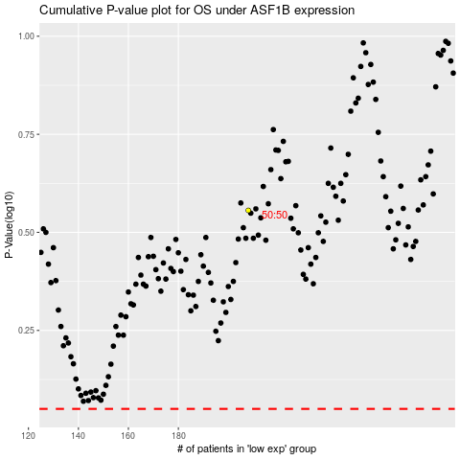

 |  |  |  |  |  | cases_OS | p_OS | rank | exp
 |  |  |  |  |  |  | cases_RFS | p_RFS | rank | exp

