ASGR1 _multivariate
Reported by Tex Li-Hsing Chi. tex@gate.sinica.edu.tw 2019-08-21

Table 2. The clinicopathological features of HNSCC cohort and ASGR1 expression. (Chi square test)
Cutoff at -0.154 (49.8%)
 |  | ASGR1 expression |  | ASGR1 expression |  | (Optimised)
 | Features | Low | (%) | High | (%) | Case no | P-value | Remark | Matthews
Gender | Female | 157 | 37.8 | 149 | 35.9 | 415 | 0.3881 | 0 | 0
2 | Male | 50 | 12 | 59 | 14.2
Age at diagnosis | <=65y | 136 | 32.8 | 138 | 33.3 | 415 | 0.9719 | 0 | 0
4 | >65y | 71 | 17.1 | 70 | 16.9
Clinical T Status | T1+T2 | 81 | 19.5 | 68 | 16.4 | 415 | 0.206 | 0 | 0
6 | T3+T4 | 126 | 30.4 | 140 | 33.7
Clinical N Status | N0 | 110 | 26.5 | 106 | 25.5 | 415 | 0.7294 | 0 | 0
8 | N1-3 | 97 | 23.4 | 102 | 24.6
Clinical M Status | M0 | 205 | 49.4 | 207 | 49.9 | 415 | 0.6232 | 0 | 0
10 | M1 | 2 | 0.5 | 1 | 0.2
Clinical Stage | Stage I+II | 53 | 12.8 | 49 | 11.8 | 415 | 0.7113 | 0 | 0
12 | Stage III+IV | 154 | 37.1 | 159 | 38.3
Surgical Margin status | Negative | 157 | 37.8 | 161 | 38.8 | 415 | 0.729 | 0 | 0
14 | Positive | 50 | 12 | 47 | 11.3
Tobacco Exposure | Low | 89 | 21.4 | 72 | 17.3 | 415 | 0.0872 | 0 | 0
16 | High | 118 | 28.4 | 136 | 32.8

Table 3. Univariate/Multivariate Cox's proportional hazards regression analyses on OS time of ASGR1 gene expression in HNSCC

 |  | Univariate |  |  |  | Multivariate
 | Features | HR | CI95%(L) | CI95%(H) | P-value | HR | CI95%(L) | CI95%(H) | P-value
1 | Female | 1 |  |  |  | 1
Gender | Male | 1.157 | 0.843 | 1.587 | 0.367 | 1.205 | 0.862 | 1.685 | 0.274
11 | <=65y | 1 |  |  |  | 1
Age at diagnosis | >65y | 1.329 | 0.99 | 1.784 | 0.058 | 1.393 | 1.025 | 1.894 | 0.034
12 | T1+T2 | 1 |  |  |  | 1
Clinical T Status | T3+T4 | 1.409 | 1.028 | 1.931 | 0.033 | 2.222 | 1.172 | 4.216 | 0.015
13 | N0 | 1 |  |  |  | 1
Clinical N Status | N1-3 | 1.185 | 0.89 | 1.577 | 0.246 | 1.242 | 0.87 | 1.771 | 0.233
14 | M0 | 1 |  |  |  | 1
Clinical M Status | M1 | 4.097 | 1.009 | 16.644 | 0.049 | 9.439 | 2.059 | 43.278 | 0.004
15 | Stage I+II | 1 |  |  |  | 1
Clinical Stage | Stage III+IV | 1.245 | 0.882 | 1.759 | 0.213 | 0.501 | 0.233 | 1.077 | 0.077
16 | Negative | 1 |  |  |  | 1
Surgical Margin status | Positive | 1.591 | 1.155 | 2.191 | 0.004 | 1.674 | 1.211 | 2.314 | 0.002
17 | Low | 1 |  |  |  | 1
Tobacco Exposure | High | 1.364 | 1.008 | 1.844 | 0.044 | 1.454 | 1.056 | 2.004 | 0.022
18 | Low | 1 |  |  |  | 1
RNAseq(z-score) | High | 1.031 | 0.773 | 1.374 | 0.837 | 0.96 | 0.718 | 1.283 | 0.78

Table 4. Univariate/Multivariate Cox's proportional hazards regression analyses on RFS time of ASGR1 gene expression in HNSCC

 |  | Univariate |  |  |  | Multivariate
 | Features | HR | CI95%(L) | CI95%(H) | P-value | HR | CI95%(L) | CI95%(H) | P-value
1 | Female | 1 |  |  |  | 1
Gender | Male | 1.157 | 0.843 | 1.587 | 0.367 | 1.205 | 0.862 | 1.685 | 0.274
11 | <=65y | 1 |  |  |  | 1
Age at diagnosis | >65y | 1.329 | 0.99 | 1.784 | 0.058 | 1.393 | 1.025 | 1.894 | 0.034
12 | T1+T2 | 1 |  |  |  | 1
Clinical T Status | T3+T4 | 1.409 | 1.028 | 1.931 | 0.033 | 2.222 | 1.172 | 4.216 | 0.015
13 | N0 | 1 |  |  |  | 1
Clinical N Status | N1-3 | 1.185 | 0.89 | 1.577 | 0.246 | 1.242 | 0.87 | 1.771 | 0.233
14 | M0 | 1 |  |  |  | 1
Clinical M Status | M1 | 4.097 | 1.009 | 16.644 | 0.049 | 9.439 | 2.059 | 43.278 | 0.004
15 | Stage I+II | 1 |  |  |  | 1
Clinical Stage | Stage III+IV | 1.245 | 0.882 | 1.759 | 0.213 | 0.501 | 0.233 | 1.077 | 0.077
16 | Negative | 1 |  |  |  | 1
Surgical Margin status | Positive | 1.591 | 1.155 | 2.191 | 0.004 | 1.674 | 1.211 | 2.314 | 0.002
17 | Low | 1 |  |  |  | 1
Tobacco Exposure | High | 1.364 | 1.008 | 1.844 | 0.044 | 1.454 | 1.056 | 2.004 | 0.022
18 | Low | 1 |  |  |  | 1
RNAseq(z-score) | High | 1.031 | 0.773 | 1.374 | 0.837 | 0.96 | 0.718 | 1.283 | 0.78

Kaplan-Meier survival estimate: Cutoff at -0.154 (49.8%)



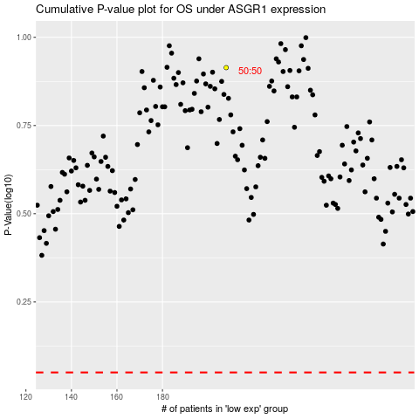

 |  |  |  |  |  | cases_OS | p_OS | rank | exp
 |  |  |  |  |  |  | cases_RFS | p_RFS | rank | exp

