ASH1L _multivariate
Reported by Tex Li-Hsing Chi. tex@gate.sinica.edu.tw 2019-08-21

Table 2. The clinicopathological features of HNSCC cohort and ASH1L expression. (Chi square test)
Cutoff at -0.161 (49.8%)
 |  | ASH1L expression |  | ASH1L expression |  | (Optimised)
 | Features | Low | (%) | High | (%) | Case no | P-value | Remark | Matthews
Gender | Female | 149 | 35.9 | 157 | 37.8 | 415 | 0.4848 | 0 | 0
2 | Male | 58 | 14 | 51 | 12.3
Age at diagnosis | <=65y | 136 | 32.8 | 138 | 33.3 | 415 | 0.9719 | 0 | 0
4 | >65y | 71 | 17.1 | 70 | 16.9
Clinical T Status | T1+T2 | 80 | 19.3 | 69 | 16.6 | 415 | 0.2891 | 0 | 0
6 | T3+T4 | 127 | 30.6 | 139 | 33.5
Clinical N Status | N0 | 112 | 27 | 104 | 25.1 | 415 | 0.4599 | 0 | 0
8 | N1-3 | 95 | 22.9 | 104 | 25.1
Clinical M Status | M0 | 204 | 49.2 | 208 | 50.1 | 415 | 0.1232 | 0 | 0
10 | M1 | 3 | 0.7 | 0 | 0
Clinical Stage | Stage I+II | 60 | 14.5 | 42 | 10.1 | 415 | 0.0493 | 1 | 0
12 | Stage III+IV | 147 | 35.4 | 166 | 40
Surgical Margin status | Negative | 157 | 37.8 | 161 | 38.8 | 415 | 0.729 | 0 | 0
14 | Positive | 50 | 12 | 47 | 11.3
Tobacco Exposure | Low | 86 | 20.7 | 75 | 18.1 | 415 | 0.2687 | 0 | 0
16 | High | 121 | 29.2 | 133 | 32

Table 3. Univariate/Multivariate Cox's proportional hazards regression analyses on OS time of ASH1L gene expression in HNSCC

 |  | Univariate |  |  |  | Multivariate
 | Features | HR | CI95%(L) | CI95%(H) | P-value | HR | CI95%(L) | CI95%(H) | P-value
1 | Female | 1 |  |  |  | 1
Gender | Male | 1.157 | 0.843 | 1.587 | 0.367 | 1.206 | 0.862 | 1.685 | 0.274
11 | <=65y | 1 |  |  |  | 1
Age at diagnosis | >65y | 1.329 | 0.99 | 1.784 | 0.058 | 1.391 | 1.023 | 1.891 | 0.035
12 | T1+T2 | 1 |  |  |  | 1
Clinical T Status | T3+T4 | 1.409 | 1.028 | 1.931 | 0.033 | 2.218 | 1.171 | 4.202 | 0.015
13 | N0 | 1 |  |  |  | 1
Clinical N Status | N1-3 | 1.185 | 0.89 | 1.577 | 0.246 | 1.244 | 0.871 | 1.775 | 0.23
14 | M0 | 1 |  |  |  | 1
Clinical M Status | M1 | 4.097 | 1.009 | 16.644 | 0.049 | 9.673 | 2.08 | 44.995 | 0.004
15 | Stage I+II | 1 |  |  |  | 1
Clinical Stage | Stage III+IV | 1.245 | 0.882 | 1.759 | 0.213 | 0.497 | 0.23 | 1.076 | 0.076
16 | Negative | 1 |  |  |  | 1
Surgical Margin status | Positive | 1.591 | 1.155 | 2.191 | 0.004 | 1.674 | 1.211 | 2.313 | 0.002
17 | Low | 1 |  |  |  | 1
Tobacco Exposure | High | 1.364 | 1.008 | 1.844 | 0.044 | 1.453 | 1.055 | 2.002 | 0.022
18 | Low | 1 |  |  |  | 1
RNAseq(z-score) | High | 0.985 | 0.74 | 1.313 | 0.92 | 1.04 | 0.775 | 1.396 | 0.794

Table 4. Univariate/Multivariate Cox's proportional hazards regression analyses on RFS time of ASH1L gene expression in HNSCC

 |  | Univariate |  |  |  | Multivariate
 | Features | HR | CI95%(L) | CI95%(H) | P-value | HR | CI95%(L) | CI95%(H) | P-value
1 | Female | 1 |  |  |  | 1
Gender | Male | 1.157 | 0.843 | 1.587 | 0.367 | 1.206 | 0.862 | 1.685 | 0.274
11 | <=65y | 1 |  |  |  | 1
Age at diagnosis | >65y | 1.329 | 0.99 | 1.784 | 0.058 | 1.391 | 1.023 | 1.891 | 0.035
12 | T1+T2 | 1 |  |  |  | 1
Clinical T Status | T3+T4 | 1.409 | 1.028 | 1.931 | 0.033 | 2.218 | 1.171 | 4.202 | 0.015
13 | N0 | 1 |  |  |  | 1
Clinical N Status | N1-3 | 1.185 | 0.89 | 1.577 | 0.246 | 1.244 | 0.871 | 1.775 | 0.23
14 | M0 | 1 |  |  |  | 1
Clinical M Status | M1 | 4.097 | 1.009 | 16.644 | 0.049 | 9.673 | 2.08 | 44.995 | 0.004
15 | Stage I+II | 1 |  |  |  | 1
Clinical Stage | Stage III+IV | 1.245 | 0.882 | 1.759 | 0.213 | 0.497 | 0.23 | 1.076 | 0.076
16 | Negative | 1 |  |  |  | 1
Surgical Margin status | Positive | 1.591 | 1.155 | 2.191 | 0.004 | 1.674 | 1.211 | 2.313 | 0.002
17 | Low | 1 |  |  |  | 1
Tobacco Exposure | High | 1.364 | 1.008 | 1.844 | 0.044 | 1.453 | 1.055 | 2.002 | 0.022
18 | Low | 1 |  |  |  | 1
RNAseq(z-score) | High | 0.985 | 0.74 | 1.313 | 0.92 | 1.04 | 0.775 | 1.396 | 0.794

Kaplan-Meier survival estimate: Cutoff at -0.161 (49.8%)



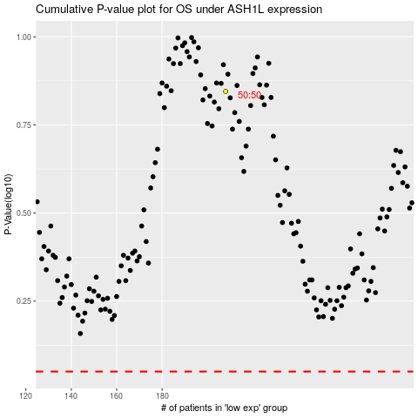

 |  |  |  |  |  | cases_OS | p_OS | rank | exp
 |  |  |  |  |  |  | cases_RFS | p_RFS | rank | exp

