ASH2L _multivariate
Reported by Tex Li-Hsing Chi. tex@gate.sinica.edu.tw 2019-08-21

Table 2. The clinicopathological features of HNSCC cohort and ASH2L expression. (Chi square test)
Cutoff at -0.412 (40.6%)
 |  | ASH2L expression |  | ASH2L expression |  | (Optimised)
 | Features | Low | (%) | High | (%) | Case no | P-value | Remark | Matthews
Gender | Female | 124 | 29.9 | 182 | 43.9 | 415 | 0.9797 | 0 | 0
2 | Male | 45 | 10.8 | 64 | 15.4
Age at diagnosis | <=65y | 113 | 27.2 | 161 | 38.8 | 415 | 0.8462 | 0 | 0
4 | >65y | 56 | 13.5 | 85 | 20.5
Clinical T Status | T1+T2 | 47 | 11.3 | 102 | 24.6 | 415 | 0.0061 | 1 | 0
6 | T3+T4 | 122 | 29.4 | 144 | 34.7
Clinical N Status | N0 | 93 | 22.4 | 123 | 29.6 | 415 | 0.3641 | 0 | 0
8 | N1-3 | 76 | 18.3 | 123 | 29.6
Clinical M Status | M0 | 168 | 40.5 | 244 | 58.8 | 415 | 1 | 0 | 0
10 | M1 | 1 | 0.2 | 2 | 0.5
Clinical Stage | Stage I+II | 37 | 8.9 | 65 | 15.7 | 415 | 0.3488 | 0 | 0
12 | Stage III+IV | 132 | 31.8 | 181 | 43.6
Surgical Margin status | Negative | 131 | 31.6 | 187 | 45.1 | 415 | 0.8135 | 0 | 0
14 | Positive | 38 | 9.2 | 59 | 14.2
Tobacco Exposure | Low | 71 | 17.1 | 90 | 21.7 | 415 | 0.3053 | 0 | 0
16 | High | 98 | 23.6 | 156 | 37.6

Table 3. Univariate/Multivariate Cox's proportional hazards regression analyses on OS time of ASH2L gene expression in HNSCC

 |  | Univariate |  |  |  | Multivariate
 | Features | HR | CI95%(L) | CI95%(H) | P-value | HR | CI95%(L) | CI95%(H) | P-value
1 | Female | 1 |  |  |  | 1
Gender | Male | 1.157 | 0.843 | 1.587 | 0.367 | 1.224 | 0.876 | 1.711 | 0.237
11 | <=65y | 1 |  |  |  | 1
Age at diagnosis | >65y | 1.329 | 0.99 | 1.784 | 0.058 | 1.397 | 1.028 | 1.898 | 0.033
12 | T1+T2 | 1 |  |  |  | 1
Clinical T Status | T3+T4 | 1.409 | 1.028 | 1.931 | 0.033 | 2.016 | 1.06 | 3.832 | 0.032
13 | N0 | 1 |  |  |  | 1
Clinical N Status | N1-3 | 1.185 | 0.89 | 1.577 | 0.246 | 1.304 | 0.912 | 1.864 | 0.146
14 | M0 | 1 |  |  |  | 1
Clinical M Status | M1 | 4.097 | 1.009 | 16.644 | 0.049 | 8.705 | 1.895 | 39.98 | 0.005
15 | Stage I+II | 1 |  |  |  | 1
Clinical Stage | Stage III+IV | 1.245 | 0.882 | 1.759 | 0.213 | 0.522 | 0.243 | 1.122 | 0.096
16 | Negative | 1 |  |  |  | 1
Surgical Margin status | Positive | 1.591 | 1.155 | 2.191 | 0.004 | 1.672 | 1.21 | 2.31 | 0.002
17 | Low | 1 |  |  |  | 1
Tobacco Exposure | High | 1.364 | 1.008 | 1.844 | 0.044 | 1.496 | 1.085 | 2.064 | 0.014
18 | Low | 1 |  |  |  | 1
RNAseq(z-score) | High | 0.745 | 0.558 | 0.996 | 0.047 | 0.729 | 0.541 | 0.983 | 0.038

Table 4. Univariate/Multivariate Cox's proportional hazards regression analyses on RFS time of ASH2L gene expression in HNSCC

 |  | Univariate |  |  |  | Multivariate
 | Features | HR | CI95%(L) | CI95%(H) | P-value | HR | CI95%(L) | CI95%(H) | P-value
1 | Female | 1 |  |  |  | 1
Gender | Male | 1.157 | 0.843 | 1.587 | 0.367 | 1.224 | 0.876 | 1.711 | 0.237
11 | <=65y | 1 |  |  |  | 1
Age at diagnosis | >65y | 1.329 | 0.99 | 1.784 | 0.058 | 1.397 | 1.028 | 1.898 | 0.033
12 | T1+T2 | 1 |  |  |  | 1
Clinical T Status | T3+T4 | 1.409 | 1.028 | 1.931 | 0.033 | 2.016 | 1.06 | 3.832 | 0.032
13 | N0 | 1 |  |  |  | 1
Clinical N Status | N1-3 | 1.185 | 0.89 | 1.577 | 0.246 | 1.304 | 0.912 | 1.864 | 0.146
14 | M0 | 1 |  |  |  | 1
Clinical M Status | M1 | 4.097 | 1.009 | 16.644 | 0.049 | 8.705 | 1.895 | 39.98 | 0.005
15 | Stage I+II | 1 |  |  |  | 1
Clinical Stage | Stage III+IV | 1.245 | 0.882 | 1.759 | 0.213 | 0.522 | 0.243 | 1.122 | 0.096
16 | Negative | 1 |  |  |  | 1
Surgical Margin status | Positive | 1.591 | 1.155 | 2.191 | 0.004 | 1.672 | 1.21 | 2.31 | 0.002
17 | Low | 1 |  |  |  | 1
Tobacco Exposure | High | 1.364 | 1.008 | 1.844 | 0.044 | 1.496 | 1.085 | 2.064 | 0.014
18 | Low | 1 |  |  |  | 1
RNAseq(z-score) | High | 0.745 | 0.558 | 0.996 | 0.047 | 0.729 | 0.541 | 0.983 | 0.038

Kaplan-Meier survival estimate: Cutoff at -0.412 (40.6%)



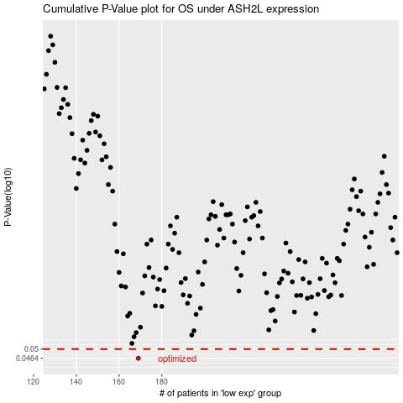

 |  |  |  |  |  | cases_OS | p_OS | rank | exp
 |  |  |  |  |  | 169 | 0.0464 | 109 | -0.41241907864
 |  |  |  |  |  |  | cases_RFS | p_RFS | rank | exp
 |  |  |  |  |  |  | 168 | 0.0464 | 410 | -0.41583647903

