ASPA _multivariate
Reported by Tex Li-Hsing Chi. tex@gate.sinica.edu.tw 2019-08-21

Table 2. The clinicopathological features of HNSCC cohort and ASPA expression. (Chi square test)
Cutoff at -0.243 (50.0%)
 |  | ASPA expression |  | ASPA expression |  | (Optimised)
 | Features | Low | (%) | High | (%) | Case no | P-value | Remark | Matthews
Gender | Female | 161 | 38.8 | 145 | 34.9 | 415 | 0.0792 | 0 | 0
2 | Male | 46 | 11.1 | 63 | 15.2
Age at diagnosis | <=65y | 134 | 32.3 | 140 | 33.7 | 415 | 0.6529 | 0 | 0
4 | >65y | 73 | 17.6 | 68 | 16.4
Clinical T Status | T1+T2 | 57 | 13.7 | 92 | 22.2 | 415 | 6e-04 | 1 | 0
6 | T3+T4 | 150 | 36.1 | 116 | 28
Clinical N Status | N0 | 97 | 23.4 | 119 | 28.7 | 415 | 0.0442 | 1 | 0
8 | N1-3 | 110 | 26.5 | 89 | 21.4
Clinical M Status | M0 | 205 | 49.4 | 207 | 49.9 | 415 | 0.6232 | 0 | 0
10 | M1 | 2 | 0.5 | 1 | 0.2
Clinical Stage | Stage I+II | 38 | 9.2 | 64 | 15.4 | 415 | 0.0048 | 1 | 0
12 | Stage III+IV | 169 | 40.7 | 144 | 34.7
Surgical Margin status | Negative | 159 | 38.3 | 159 | 38.3 | 415 | 1 | 0 | 0
14 | Positive | 48 | 11.6 | 49 | 11.8
Tobacco Exposure | Low | 75 | 18.1 | 86 | 20.7 | 415 | 0.3141 | 0 | 0
16 | High | 132 | 31.8 | 122 | 29.4

Table 3. Univariate/Multivariate Cox's proportional hazards regression analyses on OS time of ASPA gene expression in HNSCC

 |  | Univariate |  |  |  | Multivariate
 | Features | HR | CI95%(L) | CI95%(H) | P-value | HR | CI95%(L) | CI95%(H) | P-value
1 | Female | 1 |  |  |  | 1
Gender | Male | 1.157 | 0.843 | 1.587 | 0.367 | 1.214 | 0.867 | 1.7 | 0.259
11 | <=65y | 1 |  |  |  | 1
Age at diagnosis | >65y | 1.329 | 0.99 | 1.784 | 0.058 | 1.384 | 1.017 | 1.883 | 0.039
12 | T1+T2 | 1 |  |  |  | 1
Clinical T Status | T3+T4 | 1.409 | 1.028 | 1.931 | 0.033 | 2.177 | 1.15 | 4.122 | 0.017
13 | N0 | 1 |  |  |  | 1
Clinical N Status | N1-3 | 1.185 | 0.89 | 1.577 | 0.246 | 1.226 | 0.857 | 1.754 | 0.265
14 | M0 | 1 |  |  |  | 1
Clinical M Status | M1 | 4.097 | 1.009 | 16.644 | 0.049 | 9.343 | 2.038 | 42.837 | 0.004
15 | Stage I+II | 1 |  |  |  | 1
Clinical Stage | Stage III+IV | 1.245 | 0.882 | 1.759 | 0.213 | 0.509 | 0.237 | 1.092 | 0.083
16 | Negative | 1 |  |  |  | 1
Surgical Margin status | Positive | 1.591 | 1.155 | 2.191 | 0.004 | 1.682 | 1.216 | 2.325 | 0.002
17 | Low | 1 |  |  |  | 1
Tobacco Exposure | High | 1.364 | 1.008 | 1.844 | 0.044 | 1.455 | 1.055 | 2.006 | 0.022
18 | Low | 1 |  |  |  | 1
RNAseq(z-score) | High | 0.894 | 0.671 | 1.191 | 0.443 | 0.922 | 0.687 | 1.237 | 0.588

Table 4. Univariate/Multivariate Cox's proportional hazards regression analyses on RFS time of ASPA gene expression in HNSCC

 |  | Univariate |  |  |  | Multivariate
 | Features | HR | CI95%(L) | CI95%(H) | P-value | HR | CI95%(L) | CI95%(H) | P-value
1 | Female | 1 |  |  |  | 1
Gender | Male | 1.157 | 0.843 | 1.587 | 0.367 | 1.214 | 0.867 | 1.7 | 0.259
11 | <=65y | 1 |  |  |  | 1
Age at diagnosis | >65y | 1.329 | 0.99 | 1.784 | 0.058 | 1.384 | 1.017 | 1.883 | 0.039
12 | T1+T2 | 1 |  |  |  | 1
Clinical T Status | T3+T4 | 1.409 | 1.028 | 1.931 | 0.033 | 2.177 | 1.15 | 4.122 | 0.017
13 | N0 | 1 |  |  |  | 1
Clinical N Status | N1-3 | 1.185 | 0.89 | 1.577 | 0.246 | 1.226 | 0.857 | 1.754 | 0.265
14 | M0 | 1 |  |  |  | 1
Clinical M Status | M1 | 4.097 | 1.009 | 16.644 | 0.049 | 9.343 | 2.038 | 42.837 | 0.004
15 | Stage I+II | 1 |  |  |  | 1
Clinical Stage | Stage III+IV | 1.245 | 0.882 | 1.759 | 0.213 | 0.509 | 0.237 | 1.092 | 0.083
16 | Negative | 1 |  |  |  | 1
Surgical Margin status | Positive | 1.591 | 1.155 | 2.191 | 0.004 | 1.682 | 1.216 | 2.325 | 0.002
17 | Low | 1 |  |  |  | 1
Tobacco Exposure | High | 1.364 | 1.008 | 1.844 | 0.044 | 1.455 | 1.055 | 2.006 | 0.022
18 | Low | 1 |  |  |  | 1
RNAseq(z-score) | High | 0.894 | 0.671 | 1.191 | 0.443 | 0.922 | 0.687 | 1.237 | 0.588

Kaplan-Meier survival estimate: Cutoff at -0.243 (50.0%)



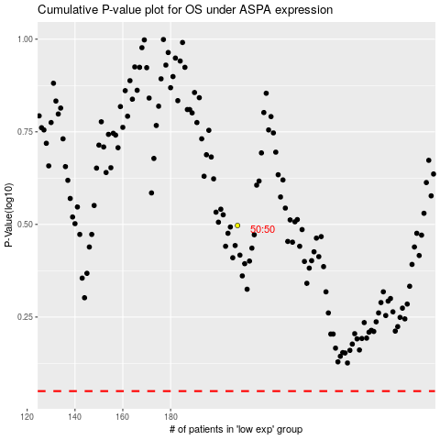

 |  |  |  |  |  | cases_OS | p_OS | rank | exp
 |  |  |  |  |  |  | cases_RFS | p_RFS | rank | exp

