ASPH _multivariate
Reported by Tex Li-Hsing Chi. tex@gate.sinica.edu.tw 2019-08-21

Table 2. The clinicopathological features of HNSCC cohort and ASPH expression. (Chi square test)
Cutoff at -0.221 (50.0%)
 |  | ASPH expression |  | ASPH expression |  | (Optimised)
 | Features | Low | (%) | High | (%) | Case no | P-value | Remark | Matthews
Gender | Female | 148 | 35.7 | 158 | 38.1 | 415 | 0.3567 | 0 | 0
2 | Male | 59 | 14.2 | 50 | 12
Age at diagnosis | <=65y | 140 | 33.7 | 134 | 32.3 | 415 | 0.5574 | 0 | 0
4 | >65y | 67 | 16.1 | 74 | 17.8
Clinical T Status | T1+T2 | 82 | 19.8 | 67 | 16.1 | 415 | 0.1417 | 0 | 0
6 | T3+T4 | 125 | 30.1 | 141 | 34
Clinical N Status | N0 | 115 | 27.7 | 101 | 24.3 | 415 | 0.184 | 1 | 0
8 | N1-3 | 92 | 22.2 | 107 | 25.8
Clinical M Status | M0 | 205 | 49.4 | 207 | 49.9 | 415 | 0.6232 | 0 | 0
10 | M1 | 2 | 0.5 | 1 | 0.2
Clinical Stage | Stage I+II | 55 | 13.3 | 47 | 11.3 | 415 | 0.4087 | 0 | 0
12 | Stage III+IV | 152 | 36.6 | 161 | 38.8
Surgical Margin status | Negative | 155 | 37.3 | 163 | 39.3 | 415 | 0.4187 | 0 | 0
14 | Positive | 52 | 12.5 | 45 | 10.8
Tobacco Exposure | Low | 87 | 21 | 74 | 17.8 | 415 | 0.1911 | 0 | 0
16 | High | 120 | 28.9 | 134 | 32.3

Table 3. Univariate/Multivariate Cox's proportional hazards regression analyses on OS time of ASPH gene expression in HNSCC

 |  | Univariate |  |  |  | Multivariate
 | Features | HR | CI95%(L) | CI95%(H) | P-value | HR | CI95%(L) | CI95%(H) | P-value
1 | Female | 1 |  |  |  | 1
Gender | Male | 1.157 | 0.843 | 1.587 | 0.367 | 1.246 | 0.89 | 1.746 | 0.2
11 | <=65y | 1 |  |  |  | 1
Age at diagnosis | >65y | 1.329 | 0.99 | 1.784 | 0.058 | 1.375 | 1.012 | 1.869 | 0.042
12 | T1+T2 | 1 |  |  |  | 1
Clinical T Status | T3+T4 | 1.409 | 1.028 | 1.931 | 0.033 | 2.126 | 1.123 | 4.024 | 0.02
13 | N0 | 1 |  |  |  | 1
Clinical N Status | N1-3 | 1.185 | 0.89 | 1.577 | 0.246 | 1.199 | 0.838 | 1.715 | 0.321
14 | M0 | 1 |  |  |  | 1
Clinical M Status | M1 | 4.097 | 1.009 | 16.644 | 0.049 | 10.014 | 2.18 | 45.995 | 0.003
15 | Stage I+II | 1 |  |  |  | 1
Clinical Stage | Stage III+IV | 1.245 | 0.882 | 1.759 | 0.213 | 0.53 | 0.246 | 1.139 | 0.104
16 | Negative | 1 |  |  |  | 1
Surgical Margin status | Positive | 1.591 | 1.155 | 2.191 | 0.004 | 1.69 | 1.223 | 2.335 | 0.001
17 | Low | 1 |  |  |  | 1
Tobacco Exposure | High | 1.364 | 1.008 | 1.844 | 0.044 | 1.449 | 1.053 | 1.995 | 0.023
18 | Low | 1 |  |  |  | 1
RNAseq(z-score) | High | 1.261 | 0.945 | 1.683 | 0.115 | 1.259 | 0.937 | 1.691 | 0.127

Table 4. Univariate/Multivariate Cox's proportional hazards regression analyses on RFS time of ASPH gene expression in HNSCC

 |  | Univariate |  |  |  | Multivariate
 | Features | HR | CI95%(L) | CI95%(H) | P-value | HR | CI95%(L) | CI95%(H) | P-value
1 | Female | 1 |  |  |  | 1
Gender | Male | 1.157 | 0.843 | 1.587 | 0.367 | 1.246 | 0.89 | 1.746 | 0.2
11 | <=65y | 1 |  |  |  | 1
Age at diagnosis | >65y | 1.329 | 0.99 | 1.784 | 0.058 | 1.375 | 1.012 | 1.869 | 0.042
12 | T1+T2 | 1 |  |  |  | 1
Clinical T Status | T3+T4 | 1.409 | 1.028 | 1.931 | 0.033 | 2.126 | 1.123 | 4.024 | 0.02
13 | N0 | 1 |  |  |  | 1
Clinical N Status | N1-3 | 1.185 | 0.89 | 1.577 | 0.246 | 1.199 | 0.838 | 1.715 | 0.321
14 | M0 | 1 |  |  |  | 1
Clinical M Status | M1 | 4.097 | 1.009 | 16.644 | 0.049 | 10.014 | 2.18 | 45.995 | 0.003
15 | Stage I+II | 1 |  |  |  | 1
Clinical Stage | Stage III+IV | 1.245 | 0.882 | 1.759 | 0.213 | 0.53 | 0.246 | 1.139 | 0.104
16 | Negative | 1 |  |  |  | 1
Surgical Margin status | Positive | 1.591 | 1.155 | 2.191 | 0.004 | 1.69 | 1.223 | 2.335 | 0.001
17 | Low | 1 |  |  |  | 1
Tobacco Exposure | High | 1.364 | 1.008 | 1.844 | 0.044 | 1.449 | 1.053 | 1.995 | 0.023
18 | Low | 1 |  |  |  | 1
RNAseq(z-score) | High | 1.261 | 0.945 | 1.683 | 0.115 | 1.259 | 0.937 | 1.691 | 0.127

Kaplan-Meier survival estimate: Cutoff at -0.221 (50.0%)



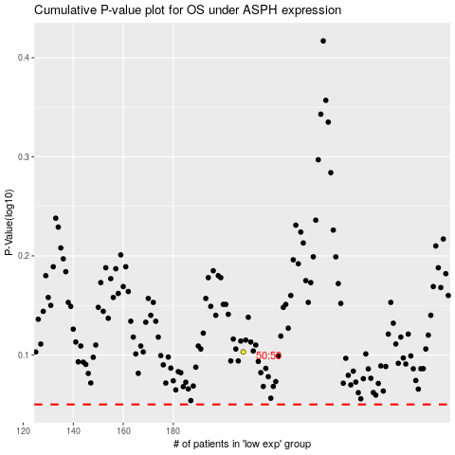

 |  |  |  |  |  | cases_OS | p_OS | rank | exp
 |  |  |  |  |  |  | cases_RFS | p_RFS | rank | exp

