ASTN2 _multivariate
Reported by Tex Li-Hsing Chi. tex@gate.sinica.edu.tw 2019-08-21

Table 2. The clinicopathological features of HNSCC cohort and ASTN2 expression. (Chi square test)
Cutoff at -0.275 (49.8%)
 |  | ASTN2 expression |  | ASTN2 expression |  | (Optimised)
 | Features | Low | (%) | High | (%) | Case no | P-value | Remark | Matthews
Gender | Female | 153 | 36.9 | 153 | 36.9 | 415 | 1 | 0 | 0
2 | Male | 54 | 13 | 55 | 13.3
Age at diagnosis | <=65y | 135 | 32.5 | 139 | 33.5 | 415 | 0.8084 | 0 | 0
4 | >65y | 72 | 17.3 | 69 | 16.6
Clinical T Status | T1+T2 | 81 | 19.5 | 68 | 16.4 | 415 | 0.206 | 0 | 0
6 | T3+T4 | 126 | 30.4 | 140 | 33.7
Clinical N Status | N0 | 104 | 25.1 | 112 | 27 | 415 | 0.5243 | 0 | 0
8 | N1-3 | 103 | 24.8 | 96 | 23.1
Clinical M Status | M0 | 205 | 49.4 | 207 | 49.9 | 415 | 0.6232 | 0 | 0
10 | M1 | 2 | 0.5 | 1 | 0.2
Clinical Stage | Stage I+II | 56 | 13.5 | 46 | 11.1 | 415 | 0.2918 | 0 | 0
12 | Stage III+IV | 151 | 36.4 | 162 | 39
Surgical Margin status | Negative | 165 | 39.8 | 153 | 36.9 | 415 | 0.1639 | 0 | 0
14 | Positive | 42 | 10.1 | 55 | 13.3
Tobacco Exposure | Low | 87 | 21 | 74 | 17.8 | 415 | 0.1911 | 0 | 0
16 | High | 120 | 28.9 | 134 | 32.3

Table 3. Univariate/Multivariate Cox's proportional hazards regression analyses on OS time of ASTN2 gene expression in HNSCC

 |  | Univariate |  |  |  | Multivariate
 | Features | HR | CI95%(L) | CI95%(H) | P-value | HR | CI95%(L) | CI95%(H) | P-value
1 | Female | 1 |  |  |  | 1
Gender | Male | 1.157 | 0.843 | 1.587 | 0.367 | 1.208 | 0.864 | 1.689 | 0.269
11 | <=65y | 1 |  |  |  | 1
Age at diagnosis | >65y | 1.329 | 0.99 | 1.784 | 0.058 | 1.394 | 1.026 | 1.896 | 0.034
12 | T1+T2 | 1 |  |  |  | 1
Clinical T Status | T3+T4 | 1.409 | 1.028 | 1.931 | 0.033 | 2.194 | 1.161 | 4.148 | 0.016
13 | N0 | 1 |  |  |  | 1
Clinical N Status | N1-3 | 1.185 | 0.89 | 1.577 | 0.246 | 1.241 | 0.869 | 1.771 | 0.234
14 | M0 | 1 |  |  |  | 1
Clinical M Status | M1 | 4.097 | 1.009 | 16.644 | 0.049 | 9.06 | 1.971 | 41.651 | 0.005
15 | Stage I+II | 1 |  |  |  | 1
Clinical Stage | Stage III+IV | 1.245 | 0.882 | 1.759 | 0.213 | 0.516 | 0.24 | 1.11 | 0.09
16 | Negative | 1 |  |  |  | 1
Surgical Margin status | Positive | 1.591 | 1.155 | 2.191 | 0.004 | 1.688 | 1.221 | 2.335 | 0.002
17 | Low | 1 |  |  |  | 1
Tobacco Exposure | High | 1.364 | 1.008 | 1.844 | 0.044 | 1.462 | 1.06 | 2.016 | 0.021
18 | Low | 1 |  |  |  | 1
RNAseq(z-score) | High | 0.957 | 0.718 | 1.275 | 0.763 | 0.895 | 0.668 | 1.198 | 0.456

Table 4. Univariate/Multivariate Cox's proportional hazards regression analyses on RFS time of ASTN2 gene expression in HNSCC

 |  | Univariate |  |  |  | Multivariate
 | Features | HR | CI95%(L) | CI95%(H) | P-value | HR | CI95%(L) | CI95%(H) | P-value
1 | Female | 1 |  |  |  | 1
Gender | Male | 1.157 | 0.843 | 1.587 | 0.367 | 1.208 | 0.864 | 1.689 | 0.269
11 | <=65y | 1 |  |  |  | 1
Age at diagnosis | >65y | 1.329 | 0.99 | 1.784 | 0.058 | 1.394 | 1.026 | 1.896 | 0.034
12 | T1+T2 | 1 |  |  |  | 1
Clinical T Status | T3+T4 | 1.409 | 1.028 | 1.931 | 0.033 | 2.194 | 1.161 | 4.148 | 0.016
13 | N0 | 1 |  |  |  | 1
Clinical N Status | N1-3 | 1.185 | 0.89 | 1.577 | 0.246 | 1.241 | 0.869 | 1.771 | 0.234
14 | M0 | 1 |  |  |  | 1
Clinical M Status | M1 | 4.097 | 1.009 | 16.644 | 0.049 | 9.06 | 1.971 | 41.651 | 0.005
15 | Stage I+II | 1 |  |  |  | 1
Clinical Stage | Stage III+IV | 1.245 | 0.882 | 1.759 | 0.213 | 0.516 | 0.24 | 1.11 | 0.09
16 | Negative | 1 |  |  |  | 1
Surgical Margin status | Positive | 1.591 | 1.155 | 2.191 | 0.004 | 1.688 | 1.221 | 2.335 | 0.002
17 | Low | 1 |  |  |  | 1
Tobacco Exposure | High | 1.364 | 1.008 | 1.844 | 0.044 | 1.462 | 1.06 | 2.016 | 0.021
18 | Low | 1 |  |  |  | 1
RNAseq(z-score) | High | 0.957 | 0.718 | 1.275 | 0.763 | 0.895 | 0.668 | 1.198 | 0.456

Kaplan-Meier survival estimate: Cutoff at -0.275 (49.8%)



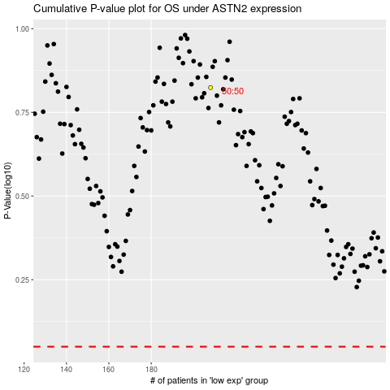

 |  |  |  |  |  | cases_OS | p_OS | rank | exp
 |  |  |  |  |  |  | cases_RFS | p_RFS | rank | exp

