ASXL1 _multivariate
Reported by Tex Li-Hsing Chi. tex@gate.sinica.edu.tw 2019-08-21

Table 2. The clinicopathological features of HNSCC cohort and ASXL1 expression. (Chi square test)
Cutoff at 0.059 (59.4%)
 |  | ASXL1 expression |  | ASXL1 expression |  | (Optimised)
 | Features | Low | (%) | High | (%) | Case no | P-value | Remark | Matthews
Gender | Female | 176 | 42.4 | 130 | 31.3 | 415 | 0.2011 | 0 | 0
2 | Male | 71 | 17.1 | 38 | 9.2
Age at diagnosis | <=65y | 156 | 37.6 | 118 | 28.4 | 415 | 0.1648 | 0 | 0
4 | >65y | 91 | 21.9 | 50 | 12
Clinical T Status | T1+T2 | 86 | 20.7 | 63 | 15.2 | 415 | 0.6492 | 0 | 0
6 | T3+T4 | 161 | 38.8 | 105 | 25.3
Clinical N Status | N0 | 137 | 33 | 79 | 19 | 415 | 0.1119 | 0 | 0
8 | N1-3 | 110 | 26.5 | 89 | 21.4
Clinical M Status | M0 | 244 | 58.8 | 168 | 40.5 | 415 | 0.2754 | 0 | 0
10 | M1 | 3 | 0.7 | 0 | 0
Clinical Stage | Stage I+II | 59 | 14.2 | 43 | 10.4 | 415 | 0.779 | 0 | 0
12 | Stage III+IV | 188 | 45.3 | 125 | 30.1
Surgical Margin status | Negative | 186 | 44.8 | 132 | 31.8 | 415 | 0.4794 | 0 | 0
14 | Positive | 61 | 14.7 | 36 | 8.7
Tobacco Exposure | Low | 94 | 22.7 | 67 | 16.1 | 415 | 0.7584 | 0 | 0
16 | High | 153 | 36.9 | 101 | 24.3

Table 3. Univariate/Multivariate Cox's proportional hazards regression analyses on OS time of ASXL1 gene expression in HNSCC

 |  | Univariate |  |  |  | Multivariate
 | Features | HR | CI95%(L) | CI95%(H) | P-value | HR | CI95%(L) | CI95%(H) | P-value
1 | Female | 1 |  |  |  | 1
Gender | Male | 1.157 | 0.843 | 1.587 | 0.367 | 1.172 | 0.837 | 1.64 | 0.356
11 | <=65y | 1 |  |  |  | 1
Age at diagnosis | >65y | 1.329 | 0.99 | 1.784 | 0.058 | 1.386 | 1.02 | 1.885 | 0.037
12 | T1+T2 | 1 |  |  |  | 1
Clinical T Status | T3+T4 | 1.409 | 1.028 | 1.931 | 0.033 | 2.19 | 1.159 | 4.136 | 0.016
13 | N0 | 1 |  |  |  | 1
Clinical N Status | N1-3 | 1.185 | 0.89 | 1.577 | 0.246 | 1.279 | 0.894 | 1.829 | 0.178
14 | M0 | 1 |  |  |  | 1
Clinical M Status | M1 | 4.097 | 1.009 | 16.644 | 0.049 | 8.394 | 1.819 | 38.736 | 0.006
15 | Stage I+II | 1 |  |  |  | 1
Clinical Stage | Stage III+IV | 1.245 | 0.882 | 1.759 | 0.213 | 0.498 | 0.232 | 1.069 | 0.074
16 | Negative | 1 |  |  |  | 1
Surgical Margin status | Positive | 1.591 | 1.155 | 2.191 | 0.004 | 1.642 | 1.188 | 2.27 | 0.003
17 | Low | 1 |  |  |  | 1
Tobacco Exposure | High | 1.364 | 1.008 | 1.844 | 0.044 | 1.414 | 1.024 | 1.954 | 0.036
18 | Low | 1 |  |  |  | 1
RNAseq(z-score) | High | 0.738 | 0.547 | 0.996 | 0.047 | 0.801 | 0.589 | 1.088 | 0.156

Table 4. Univariate/Multivariate Cox's proportional hazards regression analyses on RFS time of ASXL1 gene expression in HNSCC

 |  | Univariate |  |  |  | Multivariate
 | Features | HR | CI95%(L) | CI95%(H) | P-value | HR | CI95%(L) | CI95%(H) | P-value
1 | Female | 1 |  |  |  | 1
Gender | Male | 1.157 | 0.843 | 1.587 | 0.367 | 1.172 | 0.837 | 1.64 | 0.356
11 | <=65y | 1 |  |  |  | 1
Age at diagnosis | >65y | 1.329 | 0.99 | 1.784 | 0.058 | 1.386 | 1.02 | 1.885 | 0.037
12 | T1+T2 | 1 |  |  |  | 1
Clinical T Status | T3+T4 | 1.409 | 1.028 | 1.931 | 0.033 | 2.19 | 1.159 | 4.136 | 0.016
13 | N0 | 1 |  |  |  | 1
Clinical N Status | N1-3 | 1.185 | 0.89 | 1.577 | 0.246 | 1.279 | 0.894 | 1.829 | 0.178
14 | M0 | 1 |  |  |  | 1
Clinical M Status | M1 | 4.097 | 1.009 | 16.644 | 0.049 | 8.394 | 1.819 | 38.736 | 0.006
15 | Stage I+II | 1 |  |  |  | 1
Clinical Stage | Stage III+IV | 1.245 | 0.882 | 1.759 | 0.213 | 0.498 | 0.232 | 1.069 | 0.074
16 | Negative | 1 |  |  |  | 1
Surgical Margin status | Positive | 1.591 | 1.155 | 2.191 | 0.004 | 1.642 | 1.188 | 2.27 | 0.003
17 | Low | 1 |  |  |  | 1
Tobacco Exposure | High | 1.364 | 1.008 | 1.844 | 0.044 | 1.414 | 1.024 | 1.954 | 0.036
18 | Low | 1 |  |  |  | 1
RNAseq(z-score) | High | 0.738 | 0.547 | 0.996 | 0.047 | 0.801 | 0.589 | 1.088 | 0.156

Kaplan-Meier survival estimate: Cutoff at 0.059 (59.4%)



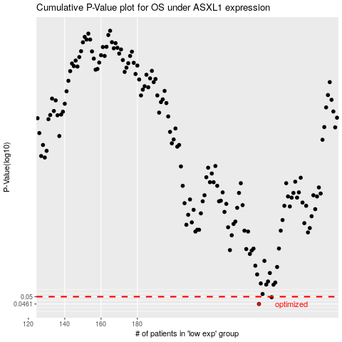

 |  |  |  |  |  | cases_OS | p_OS | rank | exp
 |  |  |  |  |  | 247 | 0.0461 | 166 | 0.059364268192
 |  |  |  |  |  | 254 | 0.0497 | 305 | 0.071837167672
 |  |  |  |  |  |  | cases_RFS | p_RFS | rank | exp
 |  |  |  |  |  |  | 246 | 0.0461 | 155 | 0.054540927199
 |  |  |  |  |  |  | 253 | 0.0497 | 227 | 0.071829724525

