ASXL3 _multivariate
Reported by Tex Li-Hsing Chi. tex@gate.sinica.edu.tw 2019-08-21

Table 2. The clinicopathological features of HNSCC cohort and ASXL3 expression. (Chi square test)
Cutoff at -0.339 (49.8%)
 |  | ASXL3 expression |  | ASXL3 expression |  | (Optimised)
 | Features | Low | (%) | High | (%) | Case no | P-value | Remark | Matthews
Gender | Female | 155 | 37.3 | 151 | 36.4 | 415 | 0.6768 | 0 | 0
2 | Male | 52 | 12.5 | 57 | 13.7
Age at diagnosis | <=65y | 140 | 33.7 | 134 | 32.3 | 415 | 0.5574 | 0 | 0
4 | >65y | 67 | 16.1 | 74 | 17.8
Clinical T Status | T1+T2 | 69 | 16.6 | 80 | 19.3 | 415 | 0.3239 | 0 | 0
6 | T3+T4 | 138 | 33.3 | 128 | 30.8
Clinical N Status | N0 | 111 | 26.7 | 105 | 25.3 | 415 | 0.5875 | 0 | 0
8 | N1-3 | 96 | 23.1 | 103 | 24.8
Clinical M Status | M0 | 204 | 49.2 | 208 | 50.1 | 415 | 0.1232 | 0 | 0
10 | M1 | 3 | 0.7 | 0 | 0
Clinical Stage | Stage I+II | 49 | 11.8 | 53 | 12.8 | 415 | 0.7535 | 0 | 0
12 | Stage III+IV | 158 | 38.1 | 155 | 37.3
Surgical Margin status | Negative | 162 | 39 | 156 | 37.6 | 415 | 0.4867 | 0 | 0
14 | Positive | 45 | 10.8 | 52 | 12.5
Tobacco Exposure | Low | 88 | 21.2 | 73 | 17.6 | 415 | 0.1314 | 0 | 0
16 | High | 119 | 28.7 | 135 | 32.5

Table 3. Univariate/Multivariate Cox's proportional hazards regression analyses on OS time of ASXL3 gene expression in HNSCC

 |  | Univariate |  |  |  | Multivariate
 | Features | HR | CI95%(L) | CI95%(H) | P-value | HR | CI95%(L) | CI95%(H) | P-value
1 | Female | 1 |  |  |  | 1
Gender | Male | 1.157 | 0.843 | 1.587 | 0.367 | 1.203 | 0.861 | 1.682 | 0.278
11 | <=65y | 1 |  |  |  | 1
Age at diagnosis | >65y | 1.329 | 0.99 | 1.784 | 0.058 | 1.397 | 1.026 | 1.901 | 0.034
12 | T1+T2 | 1 |  |  |  | 1
Clinical T Status | T3+T4 | 1.409 | 1.028 | 1.931 | 0.033 | 2.189 | 1.156 | 4.145 | 0.016
13 | N0 | 1 |  |  |  | 1
Clinical N Status | N1-3 | 1.185 | 0.89 | 1.577 | 0.246 | 1.242 | 0.871 | 1.773 | 0.231
14 | M0 | 1 |  |  |  | 1
Clinical M Status | M1 | 4.097 | 1.009 | 16.644 | 0.049 | 9.168 | 1.979 | 42.473 | 0.005
15 | Stage I+II | 1 |  |  |  | 1
Clinical Stage | Stage III+IV | 1.245 | 0.882 | 1.759 | 0.213 | 0.507 | 0.236 | 1.089 | 0.082
16 | Negative | 1 |  |  |  | 1
Surgical Margin status | Positive | 1.591 | 1.155 | 2.191 | 0.004 | 1.674 | 1.211 | 2.313 | 0.002
17 | Low | 1 |  |  |  | 1
Tobacco Exposure | High | 1.364 | 1.008 | 1.844 | 0.044 | 1.457 | 1.057 | 2.009 | 0.022
18 | Low | 1 |  |  |  | 1
RNAseq(z-score) | High | 0.969 | 0.728 | 1.291 | 0.831 | 0.96 | 0.717 | 1.285 | 0.782

Table 4. Univariate/Multivariate Cox's proportional hazards regression analyses on RFS time of ASXL3 gene expression in HNSCC

 |  | Univariate |  |  |  | Multivariate
 | Features | HR | CI95%(L) | CI95%(H) | P-value | HR | CI95%(L) | CI95%(H) | P-value
1 | Female | 1 |  |  |  | 1
Gender | Male | 1.157 | 0.843 | 1.587 | 0.367 | 1.203 | 0.861 | 1.682 | 0.278
11 | <=65y | 1 |  |  |  | 1
Age at diagnosis | >65y | 1.329 | 0.99 | 1.784 | 0.058 | 1.397 | 1.026 | 1.901 | 0.034
12 | T1+T2 | 1 |  |  |  | 1
Clinical T Status | T3+T4 | 1.409 | 1.028 | 1.931 | 0.033 | 2.189 | 1.156 | 4.145 | 0.016
13 | N0 | 1 |  |  |  | 1
Clinical N Status | N1-3 | 1.185 | 0.89 | 1.577 | 0.246 | 1.242 | 0.871 | 1.773 | 0.231
14 | M0 | 1 |  |  |  | 1
Clinical M Status | M1 | 4.097 | 1.009 | 16.644 | 0.049 | 9.168 | 1.979 | 42.473 | 0.005
15 | Stage I+II | 1 |  |  |  | 1
Clinical Stage | Stage III+IV | 1.245 | 0.882 | 1.759 | 0.213 | 0.507 | 0.236 | 1.089 | 0.082
16 | Negative | 1 |  |  |  | 1
Surgical Margin status | Positive | 1.591 | 1.155 | 2.191 | 0.004 | 1.674 | 1.211 | 2.313 | 0.002
17 | Low | 1 |  |  |  | 1
Tobacco Exposure | High | 1.364 | 1.008 | 1.844 | 0.044 | 1.457 | 1.057 | 2.009 | 0.022
18 | Low | 1 |  |  |  | 1
RNAseq(z-score) | High | 0.969 | 0.728 | 1.291 | 0.831 | 0.96 | 0.717 | 1.285 | 0.782

Kaplan-Meier survival estimate: Cutoff at -0.339 (49.8%)



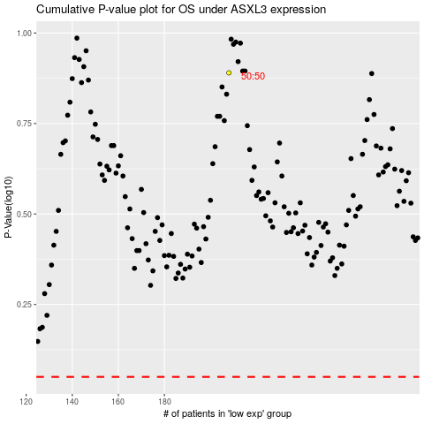

 |  |  |  |  |  | cases_OS | p_OS | rank | exp
 |  |  |  |  |  |  | cases_RFS | p_RFS | rank | exp

