ATAD3C _multivariate
Reported by Tex Li-Hsing Chi. tex@gate.sinica.edu.tw 2019-08-21

Table 2. The clinicopathological features of HNSCC cohort and ATAD3C expression. (Chi square test)
Cutoff at -0.27 (50.0%)
 |  | ATAD3C expression |  | ATAD3C expression |  | (Optimised)
 | Features | Low | (%) | High | (%) | Case no | P-value | Remark | Matthews
Gender | Female | 150 | 36.1 | 156 | 37.6 | 415 | 0.6344 | 0 | 0
2 | Male | 57 | 13.7 | 52 | 12.5
Age at diagnosis | <=65y | 131 | 31.6 | 143 | 34.5 | 415 | 0.2839 | 0 | 0
4 | >65y | 76 | 18.3 | 65 | 15.7
Clinical T Status | T1+T2 | 79 | 19 | 70 | 16.9 | 415 | 0.3924 | 0 | 0
6 | T3+T4 | 128 | 30.8 | 138 | 33.3
Clinical N Status | N0 | 103 | 24.8 | 113 | 27.2 | 415 | 0.4047 | 0 | 0
8 | N1-3 | 104 | 25.1 | 95 | 22.9
Clinical M Status | M0 | 206 | 49.6 | 206 | 49.6 | 415 | 1 | 0 | 0
10 | M1 | 1 | 0.2 | 2 | 0.5
Clinical Stage | Stage I+II | 54 | 13 | 48 | 11.6 | 415 | 0.5498 | 0 | 0
12 | Stage III+IV | 153 | 36.9 | 160 | 38.6
Surgical Margin status | Negative | 165 | 39.8 | 153 | 36.9 | 415 | 0.1639 | 0 | 0
14 | Positive | 42 | 10.1 | 55 | 13.3
Tobacco Exposure | Low | 77 | 18.6 | 84 | 20.2 | 415 | 0.5459 | 0 | 0
16 | High | 130 | 31.3 | 124 | 29.9

Table 3. Univariate/Multivariate Cox's proportional hazards regression analyses on OS time of ATAD3C gene expression in HNSCC

 |  | Univariate |  |  |  | Multivariate
 | Features | HR | CI95%(L) | CI95%(H) | P-value | HR | CI95%(L) | CI95%(H) | P-value
1 | Female | 1 |  |  |  | 1
Gender | Male | 1.157 | 0.843 | 1.587 | 0.367 | 1.206 | 0.865 | 1.683 | 0.27
11 | <=65y | 1 |  |  |  | 1
Age at diagnosis | >65y | 1.329 | 0.99 | 1.784 | 0.058 | 1.376 | 1.012 | 1.872 | 0.042
12 | T1+T2 | 1 |  |  |  | 1
Clinical T Status | T3+T4 | 1.409 | 1.028 | 1.931 | 0.033 | 2.229 | 1.178 | 4.217 | 0.014
13 | N0 | 1 |  |  |  | 1
Clinical N Status | N1-3 | 1.185 | 0.89 | 1.577 | 0.246 | 1.217 | 0.852 | 1.739 | 0.28
14 | M0 | 1 |  |  |  | 1
Clinical M Status | M1 | 4.097 | 1.009 | 16.644 | 0.049 | 10.208 | 2.216 | 47.021 | 0.003
15 | Stage I+II | 1 |  |  |  | 1
Clinical Stage | Stage III+IV | 1.245 | 0.882 | 1.759 | 0.213 | 0.507 | 0.236 | 1.089 | 0.082
16 | Negative | 1 |  |  |  | 1
Surgical Margin status | Positive | 1.591 | 1.155 | 2.191 | 0.004 | 1.706 | 1.233 | 2.362 | 0.001
17 | Low | 1 |  |  |  | 1
Tobacco Exposure | High | 1.364 | 1.008 | 1.844 | 0.044 | 1.454 | 1.056 | 2.002 | 0.022
18 | Low | 1 |  |  |  | 1
RNAseq(z-score) | High | 0.847 | 0.634 | 1.132 | 0.263 | 0.815 | 0.608 | 1.092 | 0.17

Table 4. Univariate/Multivariate Cox's proportional hazards regression analyses on RFS time of ATAD3C gene expression in HNSCC

 |  | Univariate |  |  |  | Multivariate
 | Features | HR | CI95%(L) | CI95%(H) | P-value | HR | CI95%(L) | CI95%(H) | P-value
1 | Female | 1 |  |  |  | 1
Gender | Male | 1.157 | 0.843 | 1.587 | 0.367 | 1.206 | 0.865 | 1.683 | 0.27
11 | <=65y | 1 |  |  |  | 1
Age at diagnosis | >65y | 1.329 | 0.99 | 1.784 | 0.058 | 1.376 | 1.012 | 1.872 | 0.042
12 | T1+T2 | 1 |  |  |  | 1
Clinical T Status | T3+T4 | 1.409 | 1.028 | 1.931 | 0.033 | 2.229 | 1.178 | 4.217 | 0.014
13 | N0 | 1 |  |  |  | 1
Clinical N Status | N1-3 | 1.185 | 0.89 | 1.577 | 0.246 | 1.217 | 0.852 | 1.739 | 0.28
14 | M0 | 1 |  |  |  | 1
Clinical M Status | M1 | 4.097 | 1.009 | 16.644 | 0.049 | 10.208 | 2.216 | 47.021 | 0.003
15 | Stage I+II | 1 |  |  |  | 1
Clinical Stage | Stage III+IV | 1.245 | 0.882 | 1.759 | 0.213 | 0.507 | 0.236 | 1.089 | 0.082
16 | Negative | 1 |  |  |  | 1
Surgical Margin status | Positive | 1.591 | 1.155 | 2.191 | 0.004 | 1.706 | 1.233 | 2.362 | 0.001
17 | Low | 1 |  |  |  | 1
Tobacco Exposure | High | 1.364 | 1.008 | 1.844 | 0.044 | 1.454 | 1.056 | 2.002 | 0.022
18 | Low | 1 |  |  |  | 1
RNAseq(z-score) | High | 0.847 | 0.634 | 1.132 | 0.263 | 0.815 | 0.608 | 1.092 | 0.17

Kaplan-Meier survival estimate: Cutoff at -0.27 (50.0%)



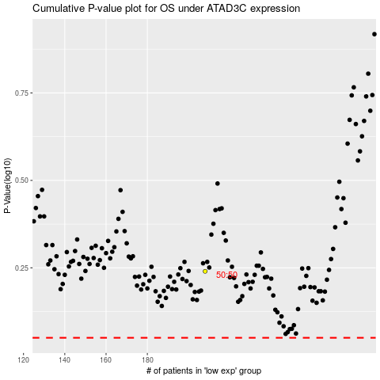

 |  |  |  |  |  | cases_OS | p_OS | rank | exp
 |  |  |  |  |  |  | cases_RFS | p_RFS | rank | exp

