ATF2 _multivariate
Reported by Tex Li-Hsing Chi. tex@gate.sinica.edu.tw 2019-08-21

Table 2. The clinicopathological features of HNSCC cohort and ATF2 expression. (Chi square test)
Cutoff at 0.004 (49.8%)
 |  | ATF2 expression |  | ATF2 expression |  | (Optimised)
 | Features | Low | (%) | High | (%) | Case no | P-value | Remark | Matthews
Gender | Female | 149 | 35.9 | 157 | 37.8 | 415 | 0.4848 | 0 | 0
2 | Male | 58 | 14 | 51 | 12.3
Age at diagnosis | <=65y | 136 | 32.8 | 138 | 33.3 | 415 | 0.9719 | 0 | 0
4 | >65y | 71 | 17.1 | 70 | 16.9
Clinical T Status | T1+T2 | 78 | 18.8 | 71 | 17.1 | 415 | 0.5152 | 0 | 0
6 | T3+T4 | 129 | 31.1 | 137 | 33
Clinical N Status | N0 | 116 | 28 | 100 | 24.1 | 415 | 0.1273 | 1 | 0
8 | N1-3 | 91 | 21.9 | 108 | 26
Clinical M Status | M0 | 204 | 49.2 | 208 | 50.1 | 415 | 0.1232 | 0 | 0
10 | M1 | 3 | 0.7 | 0 | 0
Clinical Stage | Stage I+II | 52 | 12.5 | 50 | 12 | 415 | 0.8871 | 0 | 0
12 | Stage III+IV | 155 | 37.3 | 158 | 38.1
Surgical Margin status | Negative | 155 | 37.3 | 163 | 39.3 | 415 | 0.4187 | 0 | 0
14 | Positive | 52 | 12.5 | 45 | 10.8
Tobacco Exposure | Low | 88 | 21.2 | 73 | 17.6 | 415 | 0.1314 | 0 | 0
16 | High | 119 | 28.7 | 135 | 32.5

Table 3. Univariate/Multivariate Cox's proportional hazards regression analyses on OS time of ATF2 gene expression in HNSCC

 |  | Univariate |  |  |  | Multivariate
 | Features | HR | CI95%(L) | CI95%(H) | P-value | HR | CI95%(L) | CI95%(H) | P-value
1 | Female | 1 |  |  |  | 1
Gender | Male | 1.157 | 0.843 | 1.587 | 0.367 | 1.221 | 0.874 | 1.706 | 0.243
11 | <=65y | 1 |  |  |  | 1
Age at diagnosis | >65y | 1.329 | 0.99 | 1.784 | 0.058 | 1.399 | 1.029 | 1.902 | 0.032
12 | T1+T2 | 1 |  |  |  | 1
Clinical T Status | T3+T4 | 1.409 | 1.028 | 1.931 | 0.033 | 2.163 | 1.143 | 4.093 | 0.018
13 | N0 | 1 |  |  |  | 1
Clinical N Status | N1-3 | 1.185 | 0.89 | 1.577 | 0.246 | 1.224 | 0.857 | 1.749 | 0.267
14 | M0 | 1 |  |  |  | 1
Clinical M Status | M1 | 4.097 | 1.009 | 16.644 | 0.049 | 10.174 | 2.202 | 47.017 | 0.003
15 | Stage I+II | 1 |  |  |  | 1
Clinical Stage | Stage III+IV | 1.245 | 0.882 | 1.759 | 0.213 | 0.513 | 0.239 | 1.103 | 0.087
16 | Negative | 1 |  |  |  | 1
Surgical Margin status | Positive | 1.591 | 1.155 | 2.191 | 0.004 | 1.701 | 1.228 | 2.354 | 0.001
17 | Low | 1 |  |  |  | 1
Tobacco Exposure | High | 1.364 | 1.008 | 1.844 | 0.044 | 1.454 | 1.056 | 2.001 | 0.022
18 | Low | 1 |  |  |  | 1
RNAseq(z-score) | High | 1.107 | 0.83 | 1.476 | 0.489 | 1.166 | 0.868 | 1.566 | 0.309

Table 4. Univariate/Multivariate Cox's proportional hazards regression analyses on RFS time of ATF2 gene expression in HNSCC

 |  | Univariate |  |  |  | Multivariate
 | Features | HR | CI95%(L) | CI95%(H) | P-value | HR | CI95%(L) | CI95%(H) | P-value
1 | Female | 1 |  |  |  | 1
Gender | Male | 1.157 | 0.843 | 1.587 | 0.367 | 1.221 | 0.874 | 1.706 | 0.243
11 | <=65y | 1 |  |  |  | 1
Age at diagnosis | >65y | 1.329 | 0.99 | 1.784 | 0.058 | 1.399 | 1.029 | 1.902 | 0.032
12 | T1+T2 | 1 |  |  |  | 1
Clinical T Status | T3+T4 | 1.409 | 1.028 | 1.931 | 0.033 | 2.163 | 1.143 | 4.093 | 0.018
13 | N0 | 1 |  |  |  | 1
Clinical N Status | N1-3 | 1.185 | 0.89 | 1.577 | 0.246 | 1.224 | 0.857 | 1.749 | 0.267
14 | M0 | 1 |  |  |  | 1
Clinical M Status | M1 | 4.097 | 1.009 | 16.644 | 0.049 | 10.174 | 2.202 | 47.017 | 0.003
15 | Stage I+II | 1 |  |  |  | 1
Clinical Stage | Stage III+IV | 1.245 | 0.882 | 1.759 | 0.213 | 0.513 | 0.239 | 1.103 | 0.087
16 | Negative | 1 |  |  |  | 1
Surgical Margin status | Positive | 1.591 | 1.155 | 2.191 | 0.004 | 1.701 | 1.228 | 2.354 | 0.001
17 | Low | 1 |  |  |  | 1
Tobacco Exposure | High | 1.364 | 1.008 | 1.844 | 0.044 | 1.454 | 1.056 | 2.001 | 0.022
18 | Low | 1 |  |  |  | 1
RNAseq(z-score) | High | 1.107 | 0.83 | 1.476 | 0.489 | 1.166 | 0.868 | 1.566 | 0.309

Kaplan-Meier survival estimate: Cutoff at 0.004 (49.8%)



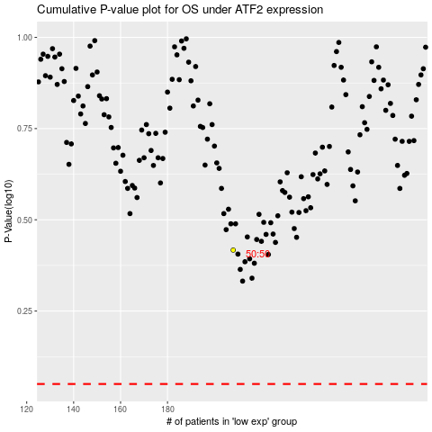

 |  |  |  |  |  | cases_OS | p_OS | rank | exp
 |  |  |  |  |  |  | cases_RFS | p_RFS | rank | exp

