ATF5 _multivariate
Reported by Tex Li-Hsing Chi. tex@gate.sinica.edu.tw 2019-08-21

Table 2. The clinicopathological features of HNSCC cohort and ATF5 expression. (Chi square test)
Cutoff at -0.352 (31.2%)
 |  | ATF5 expression |  | ATF5 expression |  | (Optimised)
 | Features | Low | (%) | High | (%) | Case no | P-value | Remark | Matthews
Gender | Female | 101 | 24.3 | 205 | 49.4 | 415 | 0.1946 | 0 | 0
2 | Male | 28 | 6.7 | 81 | 19.5
Age at diagnosis | <=65y | 91 | 21.9 | 183 | 44.1 | 415 | 0.2328 | 0 | 0
4 | >65y | 38 | 9.2 | 103 | 24.8
Clinical T Status | T1+T2 | 36 | 8.7 | 113 | 27.2 | 415 | 0.03 | 1 | 0
6 | T3+T4 | 93 | 22.4 | 173 | 41.7
Clinical N Status | N0 | 66 | 15.9 | 150 | 36.1 | 415 | 0.8916 | 0 | 0
8 | N1-3 | 63 | 15.2 | 136 | 32.8
Clinical M Status | M0 | 128 | 30.8 | 284 | 68.4 | 415 | 1 | 0 | 0
10 | M1 | 1 | 0.2 | 2 | 0.5
Clinical Stage | Stage I+II | 25 | 6 | 77 | 18.6 | 415 | 0.1263 | 0 | 0
12 | Stage III+IV | 104 | 25.1 | 209 | 50.4
Surgical Margin status | Negative | 101 | 24.3 | 217 | 52.3 | 415 | 0.6185 | 0 | 0
14 | Positive | 28 | 6.7 | 69 | 16.6
Tobacco Exposure | Low | 38 | 9.2 | 123 | 29.6 | 415 | 0.0091 | 1 | 0
16 | High | 91 | 21.9 | 163 | 39.3

Table 3. Univariate/Multivariate Cox's proportional hazards regression analyses on OS time of ATF5 gene expression in HNSCC

 |  | Univariate |  |  |  | Multivariate
 | Features | HR | CI95%(L) | CI95%(H) | P-value | HR | CI95%(L) | CI95%(H) | P-value
1 | Female | 1 |  |  |  | 1
Gender | Male | 1.157 | 0.843 | 1.587 | 0.367 | 1.196 | 0.858 | 1.668 | 0.291
11 | <=65y | 1 |  |  |  | 1
Age at diagnosis | >65y | 1.329 | 0.99 | 1.784 | 0.058 | 1.409 | 1.037 | 1.915 | 0.028
12 | T1+T2 | 1 |  |  |  | 1
Clinical T Status | T3+T4 | 1.409 | 1.028 | 1.931 | 0.033 | 2.174 | 1.15 | 4.108 | 0.017
13 | N0 | 1 |  |  |  | 1
Clinical N Status | N1-3 | 1.185 | 0.89 | 1.577 | 0.246 | 1.277 | 0.894 | 1.825 | 0.179
14 | M0 | 1 |  |  |  | 1
Clinical M Status | M1 | 4.097 | 1.009 | 16.644 | 0.049 | 9.564 | 2.087 | 43.833 | 0.004
15 | Stage I+II | 1 |  |  |  | 1
Clinical Stage | Stage III+IV | 1.245 | 0.882 | 1.759 | 0.213 | 0.493 | 0.229 | 1.058 | 0.069
16 | Negative | 1 |  |  |  | 1
Surgical Margin status | Positive | 1.591 | 1.155 | 2.191 | 0.004 | 1.686 | 1.219 | 2.331 | 0.002
17 | Low | 1 |  |  |  | 1
Tobacco Exposure | High | 1.364 | 1.008 | 1.844 | 0.044 | 1.398 | 1.013 | 1.928 | 0.041
18 | Low | 1 |  |  |  | 1
RNAseq(z-score) | High | 0.732 | 0.542 | 0.988 | 0.041 | 0.731 | 0.539 | 0.992 | 0.044

Table 4. Univariate/Multivariate Cox's proportional hazards regression analyses on RFS time of ATF5 gene expression in HNSCC

 |  | Univariate |  |  |  | Multivariate
 | Features | HR | CI95%(L) | CI95%(H) | P-value | HR | CI95%(L) | CI95%(H) | P-value
1 | Female | 1 |  |  |  | 1
Gender | Male | 1.157 | 0.843 | 1.587 | 0.367 | 1.196 | 0.858 | 1.668 | 0.291
11 | <=65y | 1 |  |  |  | 1
Age at diagnosis | >65y | 1.329 | 0.99 | 1.784 | 0.058 | 1.409 | 1.037 | 1.915 | 0.028
12 | T1+T2 | 1 |  |  |  | 1
Clinical T Status | T3+T4 | 1.409 | 1.028 | 1.931 | 0.033 | 2.174 | 1.15 | 4.108 | 0.017
13 | N0 | 1 |  |  |  | 1
Clinical N Status | N1-3 | 1.185 | 0.89 | 1.577 | 0.246 | 1.277 | 0.894 | 1.825 | 0.179
14 | M0 | 1 |  |  |  | 1
Clinical M Status | M1 | 4.097 | 1.009 | 16.644 | 0.049 | 9.564 | 2.087 | 43.833 | 0.004
15 | Stage I+II | 1 |  |  |  | 1
Clinical Stage | Stage III+IV | 1.245 | 0.882 | 1.759 | 0.213 | 0.493 | 0.229 | 1.058 | 0.069
16 | Negative | 1 |  |  |  | 1
Surgical Margin status | Positive | 1.591 | 1.155 | 2.191 | 0.004 | 1.686 | 1.219 | 2.331 | 0.002
17 | Low | 1 |  |  |  | 1
Tobacco Exposure | High | 1.364 | 1.008 | 1.844 | 0.044 | 1.398 | 1.013 | 1.928 | 0.041
18 | Low | 1 |  |  |  | 1
RNAseq(z-score) | High | 0.732 | 0.542 | 0.988 | 0.041 | 0.731 | 0.539 | 0.992 | 0.044

Kaplan-Meier survival estimate: Cutoff at -0.352 (31.2%)



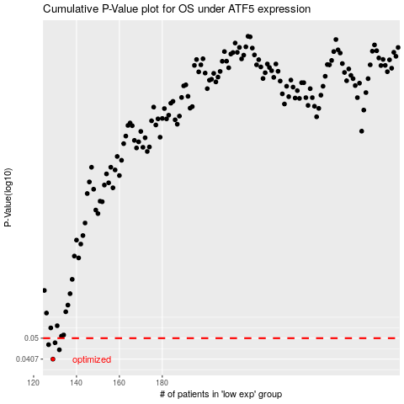

 |  |  |  |  |  | cases_OS | p_OS | rank | exp
 |  |  |  |  |  | 129 | 0.0407 | 292 | -0.35222051983
 |  |  |  |  |  | 132 | 0.0446 | 353 | -0.34917317357
 |  |  |  |  |  | 127 | 0.0469 | 293 | -0.35395871734
 |  |  |  |  |  | 130 | 0.0478 | 310 | -0.34996616874
 |  |  |  |  |  |  | cases_RFS | p_RFS | rank | exp
 |  |  |  |  |  |  | 128 | 0.0407 | 68 | -0.35385378769
 |  |  |  |  |  |  | 131 | 0.0446 | 143 | -0.3496995625
 |  |  |  |  |  |  | 126 | 0.0469 | 38 | -0.35477538608
 |  |  |  |  |  |  | 129 | 0.0478 | 292 | -0.35222051983

