ATF7IP2 _multivariate
Reported by Tex Li-Hsing Chi. tex@gate.sinica.edu.tw 2019-08-21

Table 2. The clinicopathological features of HNSCC cohort and ATF7IP2 expression. (Chi square test)
Cutoff at -0.222 (49.8%)
 |  | ATF7IP2 expression |  | ATF7IP2 expression |  | (Optimised)
 | Features | Low | (%) | High | (%) | Case no | P-value | Remark | Matthews
Gender | Female | 153 | 36.9 | 153 | 36.9 | 415 | 1 | 0 | 0
2 | Male | 54 | 13 | 55 | 13.3
Age at diagnosis | <=65y | 137 | 33 | 137 | 33 | 415 | 1 | 0 | 0
4 | >65y | 70 | 16.9 | 71 | 17.1
Clinical T Status | T1+T2 | 69 | 16.6 | 80 | 19.3 | 415 | 0.3239 | 0 | 0
6 | T3+T4 | 138 | 33.3 | 128 | 30.8
Clinical N Status | N0 | 102 | 24.6 | 114 | 27.5 | 415 | 0.3031 | 0 | 0
8 | N1-3 | 105 | 25.3 | 94 | 22.7
Clinical M Status | M0 | 207 | 49.9 | 205 | 49.4 | 415 | 0.2482 | 0 | 0
10 | M1 | 0 | 0 | 3 | 0.7
Clinical Stage | Stage I+II | 49 | 11.8 | 53 | 12.8 | 415 | 0.7535 | 0 | 0
12 | Stage III+IV | 158 | 38.1 | 155 | 37.3
Surgical Margin status | Negative | 171 | 41.2 | 147 | 35.4 | 415 | 0.0052 | 1 | 0
14 | Positive | 36 | 8.7 | 61 | 14.7
Tobacco Exposure | Low | 80 | 19.3 | 81 | 19.5 | 415 | 1 | 0 | 0
16 | High | 127 | 30.6 | 127 | 30.6

Table 3. Univariate/Multivariate Cox's proportional hazards regression analyses on OS time of ATF7IP2 gene expression in HNSCC

 |  | Univariate |  |  |  | Multivariate
 | Features | HR | CI95%(L) | CI95%(H) | P-value | HR | CI95%(L) | CI95%(H) | P-value
1 | Female | 1 |  |  |  | 1
Gender | Male | 1.157 | 0.843 | 1.587 | 0.367 | 1.199 | 0.858 | 1.676 | 0.287
11 | <=65y | 1 |  |  |  | 1
Age at diagnosis | >65y | 1.329 | 0.99 | 1.784 | 0.058 | 1.388 | 1.021 | 1.888 | 0.036
12 | T1+T2 | 1 |  |  |  | 1
Clinical T Status | T3+T4 | 1.409 | 1.028 | 1.931 | 0.033 | 2.189 | 1.156 | 4.143 | 0.016
13 | N0 | 1 |  |  |  | 1
Clinical N Status | N1-3 | 1.185 | 0.89 | 1.577 | 0.246 | 1.237 | 0.866 | 1.765 | 0.242
14 | M0 | 1 |  |  |  | 1
Clinical M Status | M1 | 4.097 | 1.009 | 16.644 | 0.049 | 9.633 | 2.089 | 44.426 | 0.004
15 | Stage I+II | 1 |  |  |  | 1
Clinical Stage | Stage III+IV | 1.245 | 0.882 | 1.759 | 0.213 | 0.507 | 0.236 | 1.088 | 0.081
16 | Negative | 1 |  |  |  | 1
Surgical Margin status | Positive | 1.591 | 1.155 | 2.191 | 0.004 | 1.697 | 1.214 | 2.372 | 0.002
17 | Low | 1 |  |  |  | 1
Tobacco Exposure | High | 1.364 | 1.008 | 1.844 | 0.044 | 1.455 | 1.056 | 2.005 | 0.022
18 | Low | 1 |  |  |  | 1
RNAseq(z-score) | High | 1.014 | 0.761 | 1.351 | 0.925 | 0.948 | 0.702 | 1.281 | 0.729

Table 4. Univariate/Multivariate Cox's proportional hazards regression analyses on RFS time of ATF7IP2 gene expression in HNSCC

 |  | Univariate |  |  |  | Multivariate
 | Features | HR | CI95%(L) | CI95%(H) | P-value | HR | CI95%(L) | CI95%(H) | P-value
1 | Female | 1 |  |  |  | 1
Gender | Male | 1.157 | 0.843 | 1.587 | 0.367 | 1.199 | 0.858 | 1.676 | 0.287
11 | <=65y | 1 |  |  |  | 1
Age at diagnosis | >65y | 1.329 | 0.99 | 1.784 | 0.058 | 1.388 | 1.021 | 1.888 | 0.036
12 | T1+T2 | 1 |  |  |  | 1
Clinical T Status | T3+T4 | 1.409 | 1.028 | 1.931 | 0.033 | 2.189 | 1.156 | 4.143 | 0.016
13 | N0 | 1 |  |  |  | 1
Clinical N Status | N1-3 | 1.185 | 0.89 | 1.577 | 0.246 | 1.237 | 0.866 | 1.765 | 0.242
14 | M0 | 1 |  |  |  | 1
Clinical M Status | M1 | 4.097 | 1.009 | 16.644 | 0.049 | 9.633 | 2.089 | 44.426 | 0.004
15 | Stage I+II | 1 |  |  |  | 1
Clinical Stage | Stage III+IV | 1.245 | 0.882 | 1.759 | 0.213 | 0.507 | 0.236 | 1.088 | 0.081
16 | Negative | 1 |  |  |  | 1
Surgical Margin status | Positive | 1.591 | 1.155 | 2.191 | 0.004 | 1.697 | 1.214 | 2.372 | 0.002
17 | Low | 1 |  |  |  | 1
Tobacco Exposure | High | 1.364 | 1.008 | 1.844 | 0.044 | 1.455 | 1.056 | 2.005 | 0.022
18 | Low | 1 |  |  |  | 1
RNAseq(z-score) | High | 1.014 | 0.761 | 1.351 | 0.925 | 0.948 | 0.702 | 1.281 | 0.729

Kaplan-Meier survival estimate: Cutoff at -0.222 (49.8%)



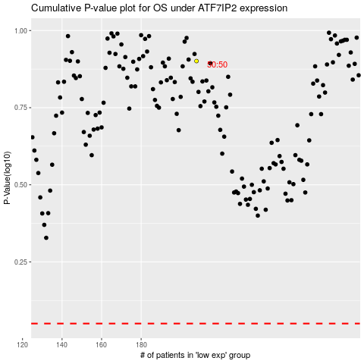

 |  |  |  |  |  | cases_OS | p_OS | rank | exp
 |  |  |  |  |  |  | cases_RFS | p_RFS | rank | exp

