ATG10 _multivariate
Reported by Tex Li-Hsing Chi. tex@gate.sinica.edu.tw 2019-08-21

Table 2. The clinicopathological features of HNSCC cohort and ATG10 expression. (Chi square test)
Cutoff at -0.265 (49.8%)
 |  | ATG10 expression |  | ATG10 expression |  | (Optimised)
 | Features | Low | (%) | High | (%) | Case no | P-value | Remark | Matthews
Gender | Female | 157 | 37.8 | 149 | 35.9 | 415 | 0.3881 | 0 | 0
2 | Male | 50 | 12 | 59 | 14.2
Age at diagnosis | <=65y | 130 | 31.3 | 144 | 34.7 | 415 | 0.2009 | 0 | 0
4 | >65y | 77 | 18.6 | 64 | 15.4
Clinical T Status | T1+T2 | 63 | 15.2 | 86 | 20.7 | 415 | 0.0268 | 1 | 0
6 | T3+T4 | 144 | 34.7 | 122 | 29.4
Clinical N Status | N0 | 101 | 24.3 | 115 | 27.7 | 415 | 0.2201 | 0 | 0
8 | N1-3 | 106 | 25.5 | 93 | 22.4
Clinical M Status | M0 | 207 | 49.9 | 205 | 49.4 | 415 | 0.2482 | 0 | 0
10 | M1 | 0 | 0 | 3 | 0.7
Clinical Stage | Stage I+II | 45 | 10.8 | 57 | 13.7 | 415 | 0.2202 | 0 | 0
12 | Stage III+IV | 162 | 39 | 151 | 36.4
Surgical Margin status | Negative | 162 | 39 | 156 | 37.6 | 415 | 0.4867 | 0 | 0
14 | Positive | 45 | 10.8 | 52 | 12.5
Tobacco Exposure | Low | 77 | 18.6 | 84 | 20.2 | 415 | 0.5459 | 0 | 0
16 | High | 130 | 31.3 | 124 | 29.9

Table 3. Univariate/Multivariate Cox's proportional hazards regression analyses on OS time of ATG10 gene expression in HNSCC

 |  | Univariate |  |  |  | Multivariate
 | Features | HR | CI95%(L) | CI95%(H) | P-value | HR | CI95%(L) | CI95%(H) | P-value
1 | Female | 1 |  |  |  | 1
Gender | Male | 1.157 | 0.843 | 1.587 | 0.367 | 1.216 | 0.87 | 1.701 | 0.252
11 | <=65y | 1 |  |  |  | 1
Age at diagnosis | >65y | 1.329 | 0.99 | 1.784 | 0.058 | 1.376 | 1.011 | 1.872 | 0.042
12 | T1+T2 | 1 |  |  |  | 1
Clinical T Status | T3+T4 | 1.409 | 1.028 | 1.931 | 0.033 | 2.145 | 1.133 | 4.064 | 0.019
13 | N0 | 1 |  |  |  | 1
Clinical N Status | N1-3 | 1.185 | 0.89 | 1.577 | 0.246 | 1.223 | 0.857 | 1.747 | 0.268
14 | M0 | 1 |  |  |  | 1
Clinical M Status | M1 | 4.097 | 1.009 | 16.644 | 0.049 | 10.068 | 2.183 | 46.427 | 0.003
15 | Stage I+II | 1 |  |  |  | 1
Clinical Stage | Stage III+IV | 1.245 | 0.882 | 1.759 | 0.213 | 0.515 | 0.24 | 1.106 | 0.089
16 | Negative | 1 |  |  |  | 1
Surgical Margin status | Positive | 1.591 | 1.155 | 2.191 | 0.004 | 1.721 | 1.24 | 2.391 | 0.001
17 | Low | 1 |  |  |  | 1
Tobacco Exposure | High | 1.364 | 1.008 | 1.844 | 0.044 | 1.45 | 1.052 | 1.998 | 0.023
18 | Low | 1 |  |  |  | 1
RNAseq(z-score) | High | 0.876 | 0.657 | 1.168 | 0.367 | 0.857 | 0.636 | 1.155 | 0.31

Table 4. Univariate/Multivariate Cox's proportional hazards regression analyses on RFS time of ATG10 gene expression in HNSCC

 |  | Univariate |  |  |  | Multivariate
 | Features | HR | CI95%(L) | CI95%(H) | P-value | HR | CI95%(L) | CI95%(H) | P-value
1 | Female | 1 |  |  |  | 1
Gender | Male | 1.157 | 0.843 | 1.587 | 0.367 | 1.216 | 0.87 | 1.701 | 0.252
11 | <=65y | 1 |  |  |  | 1
Age at diagnosis | >65y | 1.329 | 0.99 | 1.784 | 0.058 | 1.376 | 1.011 | 1.872 | 0.042
12 | T1+T2 | 1 |  |  |  | 1
Clinical T Status | T3+T4 | 1.409 | 1.028 | 1.931 | 0.033 | 2.145 | 1.133 | 4.064 | 0.019
13 | N0 | 1 |  |  |  | 1
Clinical N Status | N1-3 | 1.185 | 0.89 | 1.577 | 0.246 | 1.223 | 0.857 | 1.747 | 0.268
14 | M0 | 1 |  |  |  | 1
Clinical M Status | M1 | 4.097 | 1.009 | 16.644 | 0.049 | 10.068 | 2.183 | 46.427 | 0.003
15 | Stage I+II | 1 |  |  |  | 1
Clinical Stage | Stage III+IV | 1.245 | 0.882 | 1.759 | 0.213 | 0.515 | 0.24 | 1.106 | 0.089
16 | Negative | 1 |  |  |  | 1
Surgical Margin status | Positive | 1.591 | 1.155 | 2.191 | 0.004 | 1.721 | 1.24 | 2.391 | 0.001
17 | Low | 1 |  |  |  | 1
Tobacco Exposure | High | 1.364 | 1.008 | 1.844 | 0.044 | 1.45 | 1.052 | 1.998 | 0.023
18 | Low | 1 |  |  |  | 1
RNAseq(z-score) | High | 0.876 | 0.657 | 1.168 | 0.367 | 0.857 | 0.636 | 1.155 | 0.31

Kaplan-Meier survival estimate: Cutoff at -0.265 (49.8%)



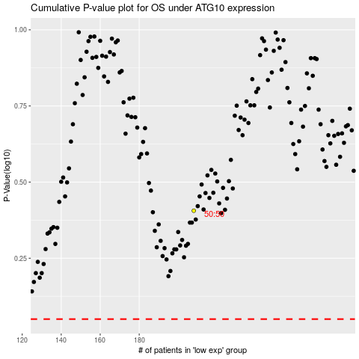

 |  |  |  |  |  | cases_OS | p_OS | rank | exp
 |  |  |  |  |  |  | cases_RFS | p_RFS | rank | exp

