ATG16L1 _multivariate
Reported by Tex Li-Hsing Chi. tex@gate.sinica.edu.tw 2019-08-21

Table 2. The clinicopathological features of HNSCC cohort and ATG16L1 expression. (Chi square test)
Cutoff at 0.008 (50.0%)
 |  | ATG16L1 expression |  | ATG16L1 expression |  | (Optimised)
 | Features | Low | (%) | High | (%) | Case no | P-value | Remark | Matthews
Gender | Female | 142 | 34.2 | 164 | 39.5 | 415 | 0.0238 | 1 | 0
2 | Male | 65 | 15.7 | 44 | 10.6
Age at diagnosis | <=65y | 140 | 33.7 | 134 | 32.3 | 415 | 0.5574 | 0 | 0
4 | >65y | 67 | 16.1 | 74 | 17.8
Clinical T Status | T1+T2 | 72 | 17.3 | 77 | 18.6 | 415 | 0.7095 | 0 | 0
6 | T3+T4 | 135 | 32.5 | 131 | 31.6
Clinical N Status | N0 | 115 | 27.7 | 101 | 24.3 | 415 | 0.184 | 1 | 0
8 | N1-3 | 92 | 22.2 | 107 | 25.8
Clinical M Status | M0 | 206 | 49.6 | 206 | 49.6 | 415 | 1 | 0 | 0
10 | M1 | 1 | 0.2 | 2 | 0.5
Clinical Stage | Stage I+II | 54 | 13 | 48 | 11.6 | 415 | 0.5498 | 0 | 0
12 | Stage III+IV | 153 | 36.9 | 160 | 38.6
Surgical Margin status | Negative | 163 | 39.3 | 155 | 37.3 | 415 | 0.3537 | 0 | 0
14 | Positive | 44 | 10.6 | 53 | 12.8
Tobacco Exposure | Low | 90 | 21.7 | 71 | 17.1 | 415 | 0.0559 | 0 | 0
16 | High | 117 | 28.2 | 137 | 33

Table 3. Univariate/Multivariate Cox's proportional hazards regression analyses on OS time of ATG16L1 gene expression in HNSCC

 |  | Univariate |  |  |  | Multivariate
 | Features | HR | CI95%(L) | CI95%(H) | P-value | HR | CI95%(L) | CI95%(H) | P-value
1 | Female | 1 |  |  |  | 1
Gender | Male | 1.157 | 0.843 | 1.587 | 0.367 | 1.205 | 0.86 | 1.688 | 0.278
11 | <=65y | 1 |  |  |  | 1
Age at diagnosis | >65y | 1.329 | 0.99 | 1.784 | 0.058 | 1.387 | 1.016 | 1.894 | 0.04
12 | T1+T2 | 1 |  |  |  | 1
Clinical T Status | T3+T4 | 1.409 | 1.028 | 1.931 | 0.033 | 2.206 | 1.166 | 4.174 | 0.015
13 | N0 | 1 |  |  |  | 1
Clinical N Status | N1-3 | 1.185 | 0.89 | 1.577 | 0.246 | 1.241 | 0.869 | 1.77 | 0.235
14 | M0 | 1 |  |  |  | 1
Clinical M Status | M1 | 4.097 | 1.009 | 16.644 | 0.049 | 9.409 | 2.053 | 43.128 | 0.004
15 | Stage I+II | 1 |  |  |  | 1
Clinical Stage | Stage III+IV | 1.245 | 0.882 | 1.759 | 0.213 | 0.504 | 0.234 | 1.082 | 0.079
16 | Negative | 1 |  |  |  | 1
Surgical Margin status | Positive | 1.591 | 1.155 | 2.191 | 0.004 | 1.67 | 1.208 | 2.308 | 0.002
17 | Low | 1 |  |  |  | 1
Tobacco Exposure | High | 1.364 | 1.008 | 1.844 | 0.044 | 1.451 | 1.052 | 2.001 | 0.023
18 | Low | 1 |  |  |  | 1
RNAseq(z-score) | High | 1.058 | 0.793 | 1.41 | 0.703 | 1.019 | 0.757 | 1.371 | 0.902

Table 4. Univariate/Multivariate Cox's proportional hazards regression analyses on RFS time of ATG16L1 gene expression in HNSCC

 |  | Univariate |  |  |  | Multivariate
 | Features | HR | CI95%(L) | CI95%(H) | P-value | HR | CI95%(L) | CI95%(H) | P-value
1 | Female | 1 |  |  |  | 1
Gender | Male | 1.157 | 0.843 | 1.587 | 0.367 | 1.205 | 0.86 | 1.688 | 0.278
11 | <=65y | 1 |  |  |  | 1
Age at diagnosis | >65y | 1.329 | 0.99 | 1.784 | 0.058 | 1.387 | 1.016 | 1.894 | 0.04
12 | T1+T2 | 1 |  |  |  | 1
Clinical T Status | T3+T4 | 1.409 | 1.028 | 1.931 | 0.033 | 2.206 | 1.166 | 4.174 | 0.015
13 | N0 | 1 |  |  |  | 1
Clinical N Status | N1-3 | 1.185 | 0.89 | 1.577 | 0.246 | 1.241 | 0.869 | 1.77 | 0.235
14 | M0 | 1 |  |  |  | 1
Clinical M Status | M1 | 4.097 | 1.009 | 16.644 | 0.049 | 9.409 | 2.053 | 43.128 | 0.004
15 | Stage I+II | 1 |  |  |  | 1
Clinical Stage | Stage III+IV | 1.245 | 0.882 | 1.759 | 0.213 | 0.504 | 0.234 | 1.082 | 0.079
16 | Negative | 1 |  |  |  | 1
Surgical Margin status | Positive | 1.591 | 1.155 | 2.191 | 0.004 | 1.67 | 1.208 | 2.308 | 0.002
17 | Low | 1 |  |  |  | 1
Tobacco Exposure | High | 1.364 | 1.008 | 1.844 | 0.044 | 1.451 | 1.052 | 2.001 | 0.023
18 | Low | 1 |  |  |  | 1
RNAseq(z-score) | High | 1.058 | 0.793 | 1.41 | 0.703 | 1.019 | 0.757 | 1.371 | 0.902

Kaplan-Meier survival estimate: Cutoff at 0.008 (50.0%)



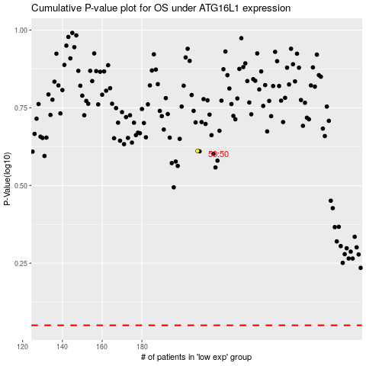

 |  |  |  |  |  | cases_OS | p_OS | rank | exp
 |  |  |  |  |  |  | cases_RFS | p_RFS | rank | exp

