ATG4A _multivariate
Reported by Tex Li-Hsing Chi. tex@gate.sinica.edu.tw 2019-08-21

Table 2. The clinicopathological features of HNSCC cohort and ATG4A expression. (Chi square test)
Cutoff at -0.278 (50.0%)
 |  | ATG4A expression |  | ATG4A expression |  | (Optimised)
 | Features | Low | (%) | High | (%) | Case no | P-value | Remark | Matthews
Gender | Female | 149 | 35.9 | 157 | 37.8 | 415 | 0.4848 | 0 | 0
2 | Male | 58 | 14 | 51 | 12.3
Age at diagnosis | <=65y | 131 | 31.6 | 143 | 34.5 | 415 | 0.2839 | 0 | 0
4 | >65y | 76 | 18.3 | 65 | 15.7
Clinical T Status | T1+T2 | 67 | 16.1 | 82 | 19.8 | 415 | 0.1628 | 0 | 0
6 | T3+T4 | 140 | 33.7 | 126 | 30.4
Clinical N Status | N0 | 103 | 24.8 | 113 | 27.2 | 415 | 0.4047 | 0 | 0
8 | N1-3 | 104 | 25.1 | 95 | 22.9
Clinical M Status | M0 | 206 | 49.6 | 206 | 49.6 | 415 | 1 | 0 | 0
10 | M1 | 1 | 0.2 | 2 | 0.5
Clinical Stage | Stage I+II | 47 | 11.3 | 55 | 13.3 | 415 | 0.4413 | 0 | 0
12 | Stage III+IV | 160 | 38.6 | 153 | 36.9
Surgical Margin status | Negative | 161 | 38.8 | 157 | 37.8 | 415 | 0.6429 | 0 | 0
14 | Positive | 46 | 11.1 | 51 | 12.3
Tobacco Exposure | Low | 70 | 16.9 | 91 | 21.9 | 415 | 0.0439 | 1 | 0
16 | High | 137 | 33 | 117 | 28.2

Table 3. Univariate/Multivariate Cox's proportional hazards regression analyses on OS time of ATG4A gene expression in HNSCC

 |  | Univariate |  |  |  | Multivariate
 | Features | HR | CI95%(L) | CI95%(H) | P-value | HR | CI95%(L) | CI95%(H) | P-value
1 | Female | 1 |  |  |  | 1
Gender | Male | 1.157 | 0.843 | 1.587 | 0.367 | 1.205 | 0.863 | 1.683 | 0.274
11 | <=65y | 1 |  |  |  | 1
Age at diagnosis | >65y | 1.329 | 0.99 | 1.784 | 0.058 | 1.397 | 1.027 | 1.9 | 0.033
12 | T1+T2 | 1 |  |  |  | 1
Clinical T Status | T3+T4 | 1.409 | 1.028 | 1.931 | 0.033 | 2.209 | 1.168 | 4.177 | 0.015
13 | N0 | 1 |  |  |  | 1
Clinical N Status | N1-3 | 1.185 | 0.89 | 1.577 | 0.246 | 1.25 | 0.874 | 1.788 | 0.222
14 | M0 | 1 |  |  |  | 1
Clinical M Status | M1 | 4.097 | 1.009 | 16.644 | 0.049 | 9.263 | 2.016 | 42.572 | 0.004
15 | Stage I+II | 1 |  |  |  | 1
Clinical Stage | Stage III+IV | 1.245 | 0.882 | 1.759 | 0.213 | 0.504 | 0.235 | 1.081 | 0.078
16 | Negative | 1 |  |  |  | 1
Surgical Margin status | Positive | 1.591 | 1.155 | 2.191 | 0.004 | 1.662 | 1.201 | 2.301 | 0.002
17 | Low | 1 |  |  |  | 1
Tobacco Exposure | High | 1.364 | 1.008 | 1.844 | 0.044 | 1.457 | 1.057 | 2.009 | 0.021
18 | Low | 1 |  |  |  | 1
RNAseq(z-score) | High | 1.002 | 0.752 | 1.335 | 0.988 | 1.051 | 0.783 | 1.409 | 0.741

Table 4. Univariate/Multivariate Cox's proportional hazards regression analyses on RFS time of ATG4A gene expression in HNSCC

 |  | Univariate |  |  |  | Multivariate
 | Features | HR | CI95%(L) | CI95%(H) | P-value | HR | CI95%(L) | CI95%(H) | P-value
1 | Female | 1 |  |  |  | 1
Gender | Male | 1.157 | 0.843 | 1.587 | 0.367 | 1.205 | 0.863 | 1.683 | 0.274
11 | <=65y | 1 |  |  |  | 1
Age at diagnosis | >65y | 1.329 | 0.99 | 1.784 | 0.058 | 1.397 | 1.027 | 1.9 | 0.033
12 | T1+T2 | 1 |  |  |  | 1
Clinical T Status | T3+T4 | 1.409 | 1.028 | 1.931 | 0.033 | 2.209 | 1.168 | 4.177 | 0.015
13 | N0 | 1 |  |  |  | 1
Clinical N Status | N1-3 | 1.185 | 0.89 | 1.577 | 0.246 | 1.25 | 0.874 | 1.788 | 0.222
14 | M0 | 1 |  |  |  | 1
Clinical M Status | M1 | 4.097 | 1.009 | 16.644 | 0.049 | 9.263 | 2.016 | 42.572 | 0.004
15 | Stage I+II | 1 |  |  |  | 1
Clinical Stage | Stage III+IV | 1.245 | 0.882 | 1.759 | 0.213 | 0.504 | 0.235 | 1.081 | 0.078
16 | Negative | 1 |  |  |  | 1
Surgical Margin status | Positive | 1.591 | 1.155 | 2.191 | 0.004 | 1.662 | 1.201 | 2.301 | 0.002
17 | Low | 1 |  |  |  | 1
Tobacco Exposure | High | 1.364 | 1.008 | 1.844 | 0.044 | 1.457 | 1.057 | 2.009 | 0.021
18 | Low | 1 |  |  |  | 1
RNAseq(z-score) | High | 1.002 | 0.752 | 1.335 | 0.988 | 1.051 | 0.783 | 1.409 | 0.741

Kaplan-Meier survival estimate: Cutoff at -0.278 (50.0%)



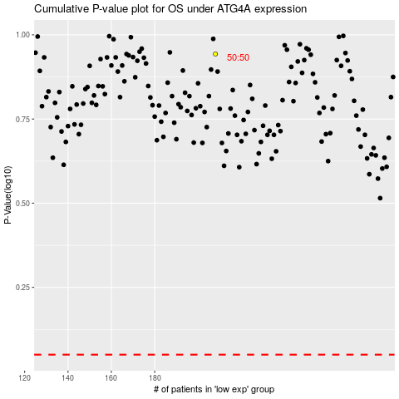

 |  |  |  |  |  | cases_OS | p_OS | rank | exp
 |  |  |  |  |  |  | cases_RFS | p_RFS | rank | exp

