ATG4C _multivariate
Reported by Tex Li-Hsing Chi. tex@gate.sinica.edu.tw 2019-08-21

Table 2. The clinicopathological features of HNSCC cohort and ATG4C expression. (Chi square test)
Cutoff at -0.081 (49.8%)
 |  | ATG4C expression |  | ATG4C expression |  | (Optimised)
 | Features | Low | (%) | High | (%) | Case no | P-value | Remark | Matthews
Gender | Female | 148 | 35.7 | 158 | 38.1 | 415 | 0.3567 | 0 | 0
2 | Male | 59 | 14.2 | 50 | 12
Age at diagnosis | <=65y | 140 | 33.7 | 134 | 32.3 | 415 | 0.5574 | 0 | 0
4 | >65y | 67 | 16.1 | 74 | 17.8
Clinical T Status | T1+T2 | 65 | 15.7 | 84 | 20.2 | 415 | 0.0711 | 0 | 0
6 | T3+T4 | 142 | 34.2 | 124 | 29.9
Clinical N Status | N0 | 118 | 28.4 | 98 | 23.6 | 415 | 0.0551 | 1 | 0
8 | N1-3 | 89 | 21.4 | 110 | 26.5
Clinical M Status | M0 | 205 | 49.4 | 207 | 49.9 | 415 | 0.6232 | 0 | 0
10 | M1 | 2 | 0.5 | 1 | 0.2
Clinical Stage | Stage I+II | 48 | 11.6 | 54 | 13 | 415 | 0.5878 | 0 | 0
12 | Stage III+IV | 159 | 38.3 | 154 | 37.1
Surgical Margin status | Negative | 162 | 39 | 156 | 37.6 | 415 | 0.4867 | 0 | 0
14 | Positive | 45 | 10.8 | 52 | 12.5
Tobacco Exposure | Low | 76 | 18.3 | 85 | 20.5 | 415 | 0.4207 | 0 | 0
16 | High | 131 | 31.6 | 123 | 29.6

Table 3. Univariate/Multivariate Cox's proportional hazards regression analyses on OS time of ATG4C gene expression in HNSCC

 |  | Univariate |  |  |  | Multivariate
 | Features | HR | CI95%(L) | CI95%(H) | P-value | HR | CI95%(L) | CI95%(H) | P-value
1 | Female | 1 |  |  |  | 1
Gender | Male | 1.157 | 0.843 | 1.587 | 0.367 | 1.214 | 0.869 | 1.696 | 0.257
11 | <=65y | 1 |  |  |  | 1
Age at diagnosis | >65y | 1.329 | 0.99 | 1.784 | 0.058 | 1.38 | 1.015 | 1.876 | 0.04
12 | T1+T2 | 1 |  |  |  | 1
Clinical T Status | T3+T4 | 1.409 | 1.028 | 1.931 | 0.033 | 2.257 | 1.191 | 4.277 | 0.013
13 | N0 | 1 |  |  |  | 1
Clinical N Status | N1-3 | 1.185 | 0.89 | 1.577 | 0.246 | 1.217 | 0.851 | 1.741 | 0.282
14 | M0 | 1 |  |  |  | 1
Clinical M Status | M1 | 4.097 | 1.009 | 16.644 | 0.049 | 10.027 | 2.172 | 46.286 | 0.003
15 | Stage I+II | 1 |  |  |  | 1
Clinical Stage | Stage III+IV | 1.245 | 0.882 | 1.759 | 0.213 | 0.506 | 0.236 | 1.086 | 0.08
16 | Negative | 1 |  |  |  | 1
Surgical Margin status | Positive | 1.591 | 1.155 | 2.191 | 0.004 | 1.658 | 1.2 | 2.292 | 0.002
17 | Low | 1 |  |  |  | 1
Tobacco Exposure | High | 1.364 | 1.008 | 1.844 | 0.044 | 1.448 | 1.051 | 1.994 | 0.023
18 | Low | 1 |  |  |  | 1
RNAseq(z-score) | High | 1.105 | 0.83 | 1.472 | 0.494 | 1.137 | 0.848 | 1.525 | 0.391

Table 4. Univariate/Multivariate Cox's proportional hazards regression analyses on RFS time of ATG4C gene expression in HNSCC

 |  | Univariate |  |  |  | Multivariate
 | Features | HR | CI95%(L) | CI95%(H) | P-value | HR | CI95%(L) | CI95%(H) | P-value
1 | Female | 1 |  |  |  | 1
Gender | Male | 1.157 | 0.843 | 1.587 | 0.367 | 1.214 | 0.869 | 1.696 | 0.257
11 | <=65y | 1 |  |  |  | 1
Age at diagnosis | >65y | 1.329 | 0.99 | 1.784 | 0.058 | 1.38 | 1.015 | 1.876 | 0.04
12 | T1+T2 | 1 |  |  |  | 1
Clinical T Status | T3+T4 | 1.409 | 1.028 | 1.931 | 0.033 | 2.257 | 1.191 | 4.277 | 0.013
13 | N0 | 1 |  |  |  | 1
Clinical N Status | N1-3 | 1.185 | 0.89 | 1.577 | 0.246 | 1.217 | 0.851 | 1.741 | 0.282
14 | M0 | 1 |  |  |  | 1
Clinical M Status | M1 | 4.097 | 1.009 | 16.644 | 0.049 | 10.027 | 2.172 | 46.286 | 0.003
15 | Stage I+II | 1 |  |  |  | 1
Clinical Stage | Stage III+IV | 1.245 | 0.882 | 1.759 | 0.213 | 0.506 | 0.236 | 1.086 | 0.08
16 | Negative | 1 |  |  |  | 1
Surgical Margin status | Positive | 1.591 | 1.155 | 2.191 | 0.004 | 1.658 | 1.2 | 2.292 | 0.002
17 | Low | 1 |  |  |  | 1
Tobacco Exposure | High | 1.364 | 1.008 | 1.844 | 0.044 | 1.448 | 1.051 | 1.994 | 0.023
18 | Low | 1 |  |  |  | 1
RNAseq(z-score) | High | 1.105 | 0.83 | 1.472 | 0.494 | 1.137 | 0.848 | 1.525 | 0.391

Kaplan-Meier survival estimate: Cutoff at -0.081 (49.8%)



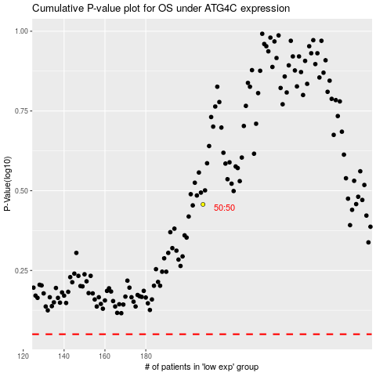

 |  |  |  |  |  | cases_OS | p_OS | rank | exp
 |  |  |  |  |  |  | cases_RFS | p_RFS | rank | exp

