ATG9A _multivariate
Reported by Tex Li-Hsing Chi. tex@gate.sinica.edu.tw 2019-08-21

Table 2. The clinicopathological features of HNSCC cohort and ATG9A expression. (Chi square test)
Cutoff at -0.036 (50.0%)
 |  | ATG9A expression |  | ATG9A expression |  | (Optimised)
 | Features | Low | (%) | High | (%) | Case no | P-value | Remark | Matthews
Gender | Female | 152 | 36.6 | 154 | 37.1 | 415 | 0.9766 | 0 | 0
2 | Male | 55 | 13.3 | 54 | 13
Age at diagnosis | <=65y | 141 | 34 | 133 | 32 | 415 | 0.4272 | 0 | 0
4 | >65y | 66 | 15.9 | 75 | 18.1
Clinical T Status | T1+T2 | 73 | 17.6 | 76 | 18.3 | 415 | 0.8666 | 0 | 0
6 | T3+T4 | 134 | 32.3 | 132 | 31.8
Clinical N Status | N0 | 104 | 25.1 | 112 | 27 | 415 | 0.5243 | 0 | 0
8 | N1-3 | 103 | 24.8 | 96 | 23.1
Clinical M Status | M0 | 205 | 49.4 | 207 | 49.9 | 415 | 0.6232 | 0 | 0
10 | M1 | 2 | 0.5 | 1 | 0.2
Clinical Stage | Stage I+II | 45 | 10.8 | 57 | 13.7 | 415 | 0.2202 | 0 | 0
12 | Stage III+IV | 162 | 39 | 151 | 36.4
Surgical Margin status | Negative | 152 | 36.6 | 166 | 40 | 415 | 0.1329 | 0 | 0
14 | Positive | 55 | 13.3 | 42 | 10.1
Tobacco Exposure | Low | 76 | 18.3 | 85 | 20.5 | 415 | 0.4207 | 0 | 0
16 | High | 131 | 31.6 | 123 | 29.6

Table 3. Univariate/Multivariate Cox's proportional hazards regression analyses on OS time of ATG9A gene expression in HNSCC

 |  | Univariate |  |  |  | Multivariate
 | Features | HR | CI95%(L) | CI95%(H) | P-value | HR | CI95%(L) | CI95%(H) | P-value
1 | Female | 1 |  |  |  | 1
Gender | Male | 1.157 | 0.843 | 1.587 | 0.367 | 1.211 | 0.866 | 1.692 | 0.263
11 | <=65y | 1 |  |  |  | 1
Age at diagnosis | >65y | 1.329 | 0.99 | 1.784 | 0.058 | 1.383 | 1.017 | 1.882 | 0.039
12 | T1+T2 | 1 |  |  |  | 1
Clinical T Status | T3+T4 | 1.409 | 1.028 | 1.931 | 0.033 | 2.159 | 1.141 | 4.087 | 0.018
13 | N0 | 1 |  |  |  | 1
Clinical N Status | N1-3 | 1.185 | 0.89 | 1.577 | 0.246 | 1.231 | 0.863 | 1.758 | 0.252
14 | M0 | 1 |  |  |  | 1
Clinical M Status | M1 | 4.097 | 1.009 | 16.644 | 0.049 | 9.457 | 2.063 | 43.352 | 0.004
15 | Stage I+II | 1 |  |  |  | 1
Clinical Stage | Stage III+IV | 1.245 | 0.882 | 1.759 | 0.213 | 0.515 | 0.239 | 1.106 | 0.089
16 | Negative | 1 |  |  |  | 1
Surgical Margin status | Positive | 1.591 | 1.155 | 2.191 | 0.004 | 1.697 | 1.227 | 2.348 | 0.001
17 | Low | 1 |  |  |  | 1
Tobacco Exposure | High | 1.364 | 1.008 | 1.844 | 0.044 | 1.463 | 1.061 | 2.018 | 0.02
18 | Low | 1 |  |  |  | 1
RNAseq(z-score) | High | 1.149 | 0.862 | 1.53 | 0.343 | 1.17 | 0.876 | 1.562 | 0.287

Table 4. Univariate/Multivariate Cox's proportional hazards regression analyses on RFS time of ATG9A gene expression in HNSCC

 |  | Univariate |  |  |  | Multivariate
 | Features | HR | CI95%(L) | CI95%(H) | P-value | HR | CI95%(L) | CI95%(H) | P-value
1 | Female | 1 |  |  |  | 1
Gender | Male | 1.157 | 0.843 | 1.587 | 0.367 | 1.211 | 0.866 | 1.692 | 0.263
11 | <=65y | 1 |  |  |  | 1
Age at diagnosis | >65y | 1.329 | 0.99 | 1.784 | 0.058 | 1.383 | 1.017 | 1.882 | 0.039
12 | T1+T2 | 1 |  |  |  | 1
Clinical T Status | T3+T4 | 1.409 | 1.028 | 1.931 | 0.033 | 2.159 | 1.141 | 4.087 | 0.018
13 | N0 | 1 |  |  |  | 1
Clinical N Status | N1-3 | 1.185 | 0.89 | 1.577 | 0.246 | 1.231 | 0.863 | 1.758 | 0.252
14 | M0 | 1 |  |  |  | 1
Clinical M Status | M1 | 4.097 | 1.009 | 16.644 | 0.049 | 9.457 | 2.063 | 43.352 | 0.004
15 | Stage I+II | 1 |  |  |  | 1
Clinical Stage | Stage III+IV | 1.245 | 0.882 | 1.759 | 0.213 | 0.515 | 0.239 | 1.106 | 0.089
16 | Negative | 1 |  |  |  | 1
Surgical Margin status | Positive | 1.591 | 1.155 | 2.191 | 0.004 | 1.697 | 1.227 | 2.348 | 0.001
17 | Low | 1 |  |  |  | 1
Tobacco Exposure | High | 1.364 | 1.008 | 1.844 | 0.044 | 1.463 | 1.061 | 2.018 | 0.02
18 | Low | 1 |  |  |  | 1
RNAseq(z-score) | High | 1.149 | 0.862 | 1.53 | 0.343 | 1.17 | 0.876 | 1.562 | 0.287

Kaplan-Meier survival estimate: Cutoff at -0.036 (50.0%)



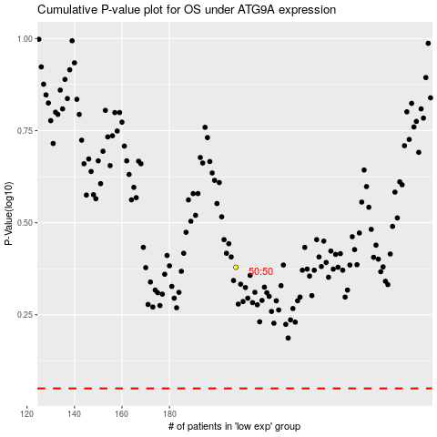

 |  |  |  |  |  | cases_OS | p_OS | rank | exp
 |  |  |  |  |  |  | cases_RFS | p_RFS | rank | exp

