ATIC _multivariate
Reported by Tex Li-Hsing Chi. tex@gate.sinica.edu.tw 2019-08-21

Table 2. The clinicopathological features of HNSCC cohort and ATIC expression. (Chi square test)
Cutoff at -0.27 (37.0%)
 |  | ATIC expression |  | ATIC expression |  | (Optimised)
 | Features | Low | (%) | High | (%) | Case no | P-value | Remark | Matthews
Gender | Female | 107 | 25.8 | 199 | 48 | 415 | 0.1623 | 0 | 0
2 | Male | 47 | 11.3 | 62 | 14.9
Age at diagnosis | <=65y | 107 | 25.8 | 167 | 40.2 | 415 | 0.3008 | 0 | 0
4 | >65y | 47 | 11.3 | 94 | 22.7
Clinical T Status | T1+T2 | 56 | 13.5 | 93 | 22.4 | 415 | 0.9648 | 0 | 0
6 | T3+T4 | 98 | 23.6 | 168 | 40.5
Clinical N Status | N0 | 85 | 20.5 | 131 | 31.6 | 415 | 0.3767 | 0 | 0
8 | N1-3 | 69 | 16.6 | 130 | 31.3
Clinical M Status | M0 | 153 | 36.9 | 259 | 62.4 | 415 | 1 | 0 | 0
10 | M1 | 1 | 0.2 | 2 | 0.5
Clinical Stage | Stage I+II | 36 | 8.7 | 66 | 15.9 | 415 | 0.7499 | 0 | 0
12 | Stage III+IV | 118 | 28.4 | 195 | 47
Surgical Margin status | Negative | 124 | 29.9 | 194 | 46.7 | 415 | 0.1864 | 0 | 0
14 | Positive | 30 | 7.2 | 67 | 16.1
Tobacco Exposure | Low | 67 | 16.1 | 94 | 22.7 | 415 | 0.1447 | 0 | 0
16 | High | 87 | 21 | 167 | 40.2

Table 3. Univariate/Multivariate Cox's proportional hazards regression analyses on OS time of ATIC gene expression in HNSCC

 |  | Univariate |  |  |  | Multivariate
 | Features | HR | CI95%(L) | CI95%(H) | P-value | HR | CI95%(L) | CI95%(H) | P-value
1 | Female | 1 |  |  |  | 1
Gender | Male | 1.157 | 0.843 | 1.587 | 0.367 | 1.205 | 0.861 | 1.685 | 0.277
11 | <=65y | 1 |  |  |  | 1
Age at diagnosis | >65y | 1.329 | 0.99 | 1.784 | 0.058 | 1.371 | 1.007 | 1.865 | 0.045
12 | T1+T2 | 1 |  |  |  | 1
Clinical T Status | T3+T4 | 1.409 | 1.028 | 1.931 | 0.033 | 2.124 | 1.12 | 4.025 | 0.021
13 | N0 | 1 |  |  |  | 1
Clinical N Status | N1-3 | 1.185 | 0.89 | 1.577 | 0.246 | 1.215 | 0.85 | 1.738 | 0.285
14 | M0 | 1 |  |  |  | 1
Clinical M Status | M1 | 4.097 | 1.009 | 16.644 | 0.049 | 8.847 | 1.924 | 40.681 | 0.005
15 | Stage I+II | 1 |  |  |  | 1
Clinical Stage | Stage III+IV | 1.245 | 0.882 | 1.759 | 0.213 | 0.529 | 0.245 | 1.141 | 0.105
16 | Negative | 1 |  |  |  | 1
Surgical Margin status | Positive | 1.591 | 1.155 | 2.191 | 0.004 | 1.627 | 1.175 | 2.254 | 0.003
17 | Low | 1 |  |  |  | 1
Tobacco Exposure | High | 1.364 | 1.008 | 1.844 | 0.044 | 1.442 | 1.046 | 1.988 | 0.026
18 | Low | 1 |  |  |  | 1
RNAseq(z-score) | High | 1.358 | 1.001 | 1.841 | 0.049 | 1.205 | 0.883 | 1.644 | 0.24

Table 4. Univariate/Multivariate Cox's proportional hazards regression analyses on RFS time of ATIC gene expression in HNSCC

 |  | Univariate |  |  |  | Multivariate
 | Features | HR | CI95%(L) | CI95%(H) | P-value | HR | CI95%(L) | CI95%(H) | P-value
1 | Female | 1 |  |  |  | 1
Gender | Male | 1.157 | 0.843 | 1.587 | 0.367 | 1.205 | 0.861 | 1.685 | 0.277
11 | <=65y | 1 |  |  |  | 1
Age at diagnosis | >65y | 1.329 | 0.99 | 1.784 | 0.058 | 1.371 | 1.007 | 1.865 | 0.045
12 | T1+T2 | 1 |  |  |  | 1
Clinical T Status | T3+T4 | 1.409 | 1.028 | 1.931 | 0.033 | 2.124 | 1.12 | 4.025 | 0.021
13 | N0 | 1 |  |  |  | 1
Clinical N Status | N1-3 | 1.185 | 0.89 | 1.577 | 0.246 | 1.215 | 0.85 | 1.738 | 0.285
14 | M0 | 1 |  |  |  | 1
Clinical M Status | M1 | 4.097 | 1.009 | 16.644 | 0.049 | 8.847 | 1.924 | 40.681 | 0.005
15 | Stage I+II | 1 |  |  |  | 1
Clinical Stage | Stage III+IV | 1.245 | 0.882 | 1.759 | 0.213 | 0.529 | 0.245 | 1.141 | 0.105
16 | Negative | 1 |  |  |  | 1
Surgical Margin status | Positive | 1.591 | 1.155 | 2.191 | 0.004 | 1.627 | 1.175 | 2.254 | 0.003
17 | Low | 1 |  |  |  | 1
Tobacco Exposure | High | 1.364 | 1.008 | 1.844 | 0.044 | 1.442 | 1.046 | 1.988 | 0.026
18 | Low | 1 |  |  |  | 1
RNAseq(z-score) | High | 1.358 | 1.001 | 1.841 | 0.049 | 1.205 | 0.883 | 1.644 | 0.24

Kaplan-Meier survival estimate: Cutoff at -0.27 (37.0%)

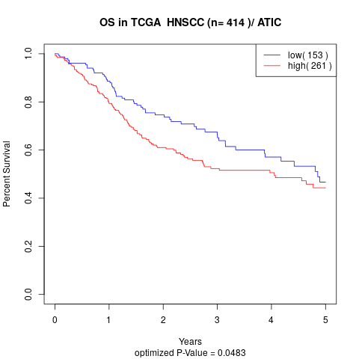

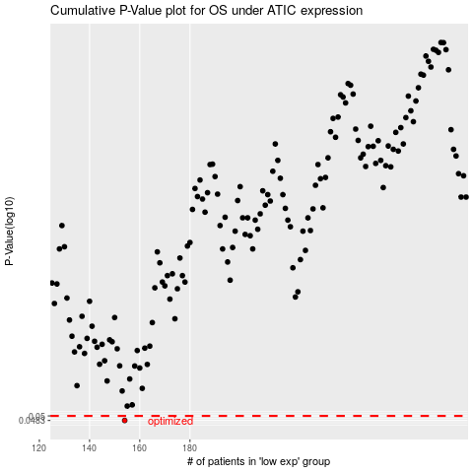

 |  |  |  |  |  | cases_OS | p_OS | rank | exp
 |  |  |  |  |  | 154 | 0.0483 | 211 | -0.2702817203
 |  |  |  |  |  |  | cases_RFS | p_RFS | rank | exp
 |  |  |  |  |  |  | 153 | 0.0483 | 49 | -0.27475631105

