ATL1 _multivariate
Reported by Tex Li-Hsing Chi. tex@gate.sinica.edu.tw 2019-08-21

Table 2. The clinicopathological features of HNSCC cohort and ATL1 expression. (Chi square test)
Cutoff at -0.31 (49.8%)
 |  | ATL1 expression |  | ATL1 expression |  | (Optimised)
 | Features | Low | (%) | High | (%) | Case no | P-value | Remark | Matthews
Gender | Female | 156 | 37.6 | 150 | 36.1 | 415 | 0.5222 | 0 | 0
2 | Male | 51 | 12.3 | 58 | 14
Age at diagnosis | <=65y | 135 | 32.5 | 139 | 33.5 | 415 | 0.8084 | 0 | 0
4 | >65y | 72 | 17.3 | 69 | 16.6
Clinical T Status | T1+T2 | 71 | 17.1 | 78 | 18.8 | 415 | 0.5638 | 0 | 0
6 | T3+T4 | 136 | 32.8 | 130 | 31.3
Clinical N Status | N0 | 100 | 24.1 | 116 | 28 | 415 | 0.1548 | 0 | 0
8 | N1-3 | 107 | 25.8 | 92 | 22.2
Clinical M Status | M0 | 206 | 49.6 | 206 | 49.6 | 415 | 1 | 0 | 0
10 | M1 | 1 | 0.2 | 2 | 0.5
Clinical Stage | Stage I+II | 43 | 10.4 | 59 | 14.2 | 415 | 0.0925 | 0 | 0
12 | Stage III+IV | 164 | 39.5 | 149 | 35.9
Surgical Margin status | Negative | 155 | 37.3 | 163 | 39.3 | 415 | 0.4187 | 0 | 0
14 | Positive | 52 | 12.5 | 45 | 10.8
Tobacco Exposure | Low | 81 | 19.5 | 80 | 19.3 | 415 | 0.9199 | 0 | 0
16 | High | 126 | 30.4 | 128 | 30.8

Table 3. Univariate/Multivariate Cox's proportional hazards regression analyses on OS time of ATL1 gene expression in HNSCC

 |  | Univariate |  |  |  | Multivariate
 | Features | HR | CI95%(L) | CI95%(H) | P-value | HR | CI95%(L) | CI95%(H) | P-value
1 | Female | 1 |  |  |  | 1
Gender | Male | 1.157 | 0.843 | 1.587 | 0.367 | 1.216 | 0.87 | 1.699 | 0.253
11 | <=65y | 1 |  |  |  | 1
Age at diagnosis | >65y | 1.329 | 0.99 | 1.784 | 0.058 | 1.394 | 1.025 | 1.896 | 0.034
12 | T1+T2 | 1 |  |  |  | 1
Clinical T Status | T3+T4 | 1.409 | 1.028 | 1.931 | 0.033 | 2.199 | 1.163 | 4.159 | 0.015
13 | N0 | 1 |  |  |  | 1
Clinical N Status | N1-3 | 1.185 | 0.89 | 1.577 | 0.246 | 1.218 | 0.853 | 1.741 | 0.279
14 | M0 | 1 |  |  |  | 1
Clinical M Status | M1 | 4.097 | 1.009 | 16.644 | 0.049 | 9.673 | 2.108 | 44.386 | 0.004
15 | Stage I+II | 1 |  |  |  | 1
Clinical Stage | Stage III+IV | 1.245 | 0.882 | 1.759 | 0.213 | 0.502 | 0.234 | 1.078 | 0.077
16 | Negative | 1 |  |  |  | 1
Surgical Margin status | Positive | 1.591 | 1.155 | 2.191 | 0.004 | 1.653 | 1.196 | 2.286 | 0.002
17 | Low | 1 |  |  |  | 1
Tobacco Exposure | High | 1.364 | 1.008 | 1.844 | 0.044 | 1.448 | 1.051 | 1.996 | 0.024
18 | Low | 1 |  |  |  | 1
RNAseq(z-score) | High | 0.813 | 0.61 | 1.084 | 0.158 | 0.85 | 0.635 | 1.139 | 0.277

Table 4. Univariate/Multivariate Cox's proportional hazards regression analyses on RFS time of ATL1 gene expression in HNSCC

 |  | Univariate |  |  |  | Multivariate
 | Features | HR | CI95%(L) | CI95%(H) | P-value | HR | CI95%(L) | CI95%(H) | P-value
1 | Female | 1 |  |  |  | 1
Gender | Male | 1.157 | 0.843 | 1.587 | 0.367 | 1.216 | 0.87 | 1.699 | 0.253
11 | <=65y | 1 |  |  |  | 1
Age at diagnosis | >65y | 1.329 | 0.99 | 1.784 | 0.058 | 1.394 | 1.025 | 1.896 | 0.034
12 | T1+T2 | 1 |  |  |  | 1
Clinical T Status | T3+T4 | 1.409 | 1.028 | 1.931 | 0.033 | 2.199 | 1.163 | 4.159 | 0.015
13 | N0 | 1 |  |  |  | 1
Clinical N Status | N1-3 | 1.185 | 0.89 | 1.577 | 0.246 | 1.218 | 0.853 | 1.741 | 0.279
14 | M0 | 1 |  |  |  | 1
Clinical M Status | M1 | 4.097 | 1.009 | 16.644 | 0.049 | 9.673 | 2.108 | 44.386 | 0.004
15 | Stage I+II | 1 |  |  |  | 1
Clinical Stage | Stage III+IV | 1.245 | 0.882 | 1.759 | 0.213 | 0.502 | 0.234 | 1.078 | 0.077
16 | Negative | 1 |  |  |  | 1
Surgical Margin status | Positive | 1.591 | 1.155 | 2.191 | 0.004 | 1.653 | 1.196 | 2.286 | 0.002
17 | Low | 1 |  |  |  | 1
Tobacco Exposure | High | 1.364 | 1.008 | 1.844 | 0.044 | 1.448 | 1.051 | 1.996 | 0.024
18 | Low | 1 |  |  |  | 1
RNAseq(z-score) | High | 0.813 | 0.61 | 1.084 | 0.158 | 0.85 | 0.635 | 1.139 | 0.277

Kaplan-Meier survival estimate: Cutoff at -0.31 (49.8%)



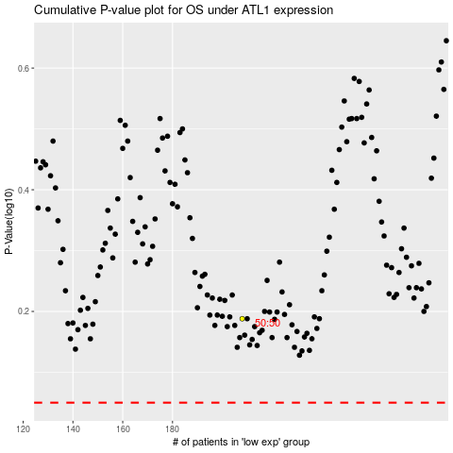

 |  |  |  |  |  | cases_OS | p_OS | rank | exp
 |  |  |  |  |  |  | cases_RFS | p_RFS | rank | exp

