ATOH7 _multivariate
Reported by Tex Li-Hsing Chi. tex@gate.sinica.edu.tw 2019-08-21

Table 2. The clinicopathological features of HNSCC cohort and ATOH7 expression. (Chi square test)
Cutoff at -0.329 (49.8%)
 |  | ATOH7 expression |  | ATOH7 expression |  | (Optimised)
 | Features | Low | (%) | High | (%) | Case no | P-value | Remark | Matthews
Gender | Female | 144 | 34.7 | 162 | 39 | 415 | 0.0697 | 0 | 0
2 | Male | 63 | 15.2 | 46 | 11.1
Age at diagnosis | <=65y | 139 | 33.5 | 135 | 32.5 | 415 | 0.7044 | 0 | 0
4 | >65y | 68 | 16.4 | 73 | 17.6
Clinical T Status | T1+T2 | 72 | 17.3 | 77 | 18.6 | 415 | 0.7095 | 0 | 0
6 | T3+T4 | 135 | 32.5 | 131 | 31.6
Clinical N Status | N0 | 103 | 24.8 | 113 | 27.2 | 415 | 0.4047 | 0 | 0
8 | N1-3 | 104 | 25.1 | 95 | 22.9
Clinical M Status | M0 | 205 | 49.4 | 207 | 49.9 | 415 | 0.6232 | 0 | 0
10 | M1 | 2 | 0.5 | 1 | 0.2
Clinical Stage | Stage I+II | 51 | 12.3 | 51 | 12.3 | 415 | 1 | 0 | 0
12 | Stage III+IV | 156 | 37.6 | 157 | 37.8
Surgical Margin status | Negative | 165 | 39.8 | 153 | 36.9 | 415 | 0.1639 | 0 | 0
14 | Positive | 42 | 10.1 | 55 | 13.3
Tobacco Exposure | Low | 85 | 20.5 | 76 | 18.3 | 415 | 0.3655 | 0 | 0
16 | High | 122 | 29.4 | 132 | 31.8

Table 3. Univariate/Multivariate Cox's proportional hazards regression analyses on OS time of ATOH7 gene expression in HNSCC

 |  | Univariate |  |  |  | Multivariate
 | Features | HR | CI95%(L) | CI95%(H) | P-value | HR | CI95%(L) | CI95%(H) | P-value
1 | Female | 1 |  |  |  | 1
Gender | Male | 1.157 | 0.843 | 1.587 | 0.367 | 1.185 | 0.847 | 1.658 | 0.321
11 | <=65y | 1 |  |  |  | 1
Age at diagnosis | >65y | 1.329 | 0.99 | 1.784 | 0.058 | 1.392 | 1.024 | 1.893 | 0.035
12 | T1+T2 | 1 |  |  |  | 1
Clinical T Status | T3+T4 | 1.409 | 1.028 | 1.931 | 0.033 | 2.098 | 1.107 | 3.977 | 0.023
13 | N0 | 1 |  |  |  | 1
Clinical N Status | N1-3 | 1.185 | 0.89 | 1.577 | 0.246 | 1.197 | 0.838 | 1.712 | 0.323
14 | M0 | 1 |  |  |  | 1
Clinical M Status | M1 | 4.097 | 1.009 | 16.644 | 0.049 | 8.901 | 1.939 | 40.853 | 0.005
15 | Stage I+II | 1 |  |  |  | 1
Clinical Stage | Stage III+IV | 1.245 | 0.882 | 1.759 | 0.213 | 0.54 | 0.25 | 1.164 | 0.116
16 | Negative | 1 |  |  |  | 1
Surgical Margin status | Positive | 1.591 | 1.155 | 2.191 | 0.004 | 1.688 | 1.222 | 2.332 | 0.002
17 | Low | 1 |  |  |  | 1
Tobacco Exposure | High | 1.364 | 1.008 | 1.844 | 0.044 | 1.486 | 1.077 | 2.05 | 0.016
18 | Low | 1 |  |  |  | 1
RNAseq(z-score) | High | 0.806 | 0.605 | 1.074 | 0.14 | 0.802 | 0.598 | 1.075 | 0.14

Table 4. Univariate/Multivariate Cox's proportional hazards regression analyses on RFS time of ATOH7 gene expression in HNSCC

 |  | Univariate |  |  |  | Multivariate
 | Features | HR | CI95%(L) | CI95%(H) | P-value | HR | CI95%(L) | CI95%(H) | P-value
1 | Female | 1 |  |  |  | 1
Gender | Male | 1.157 | 0.843 | 1.587 | 0.367 | 1.185 | 0.847 | 1.658 | 0.321
11 | <=65y | 1 |  |  |  | 1
Age at diagnosis | >65y | 1.329 | 0.99 | 1.784 | 0.058 | 1.392 | 1.024 | 1.893 | 0.035
12 | T1+T2 | 1 |  |  |  | 1
Clinical T Status | T3+T4 | 1.409 | 1.028 | 1.931 | 0.033 | 2.098 | 1.107 | 3.977 | 0.023
13 | N0 | 1 |  |  |  | 1
Clinical N Status | N1-3 | 1.185 | 0.89 | 1.577 | 0.246 | 1.197 | 0.838 | 1.712 | 0.323
14 | M0 | 1 |  |  |  | 1
Clinical M Status | M1 | 4.097 | 1.009 | 16.644 | 0.049 | 8.901 | 1.939 | 40.853 | 0.005
15 | Stage I+II | 1 |  |  |  | 1
Clinical Stage | Stage III+IV | 1.245 | 0.882 | 1.759 | 0.213 | 0.54 | 0.25 | 1.164 | 0.116
16 | Negative | 1 |  |  |  | 1
Surgical Margin status | Positive | 1.591 | 1.155 | 2.191 | 0.004 | 1.688 | 1.222 | 2.332 | 0.002
17 | Low | 1 |  |  |  | 1
Tobacco Exposure | High | 1.364 | 1.008 | 1.844 | 0.044 | 1.486 | 1.077 | 2.05 | 0.016
18 | Low | 1 |  |  |  | 1
RNAseq(z-score) | High | 0.806 | 0.605 | 1.074 | 0.14 | 0.802 | 0.598 | 1.075 | 0.14

Kaplan-Meier survival estimate: Cutoff at -0.329 (49.8%)



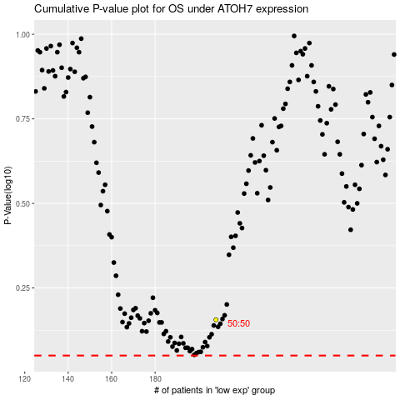

 |  |  |  |  |  | cases_OS | p_OS | rank | exp
 |  |  |  |  |  |  | cases_RFS | p_RFS | rank | exp

