ATOH8 _multivariate
Reported by Tex Li-Hsing Chi. tex@gate.sinica.edu.tw 2019-08-21

Table 2. The clinicopathological features of HNSCC cohort and ATOH8 expression. (Chi square test)
Cutoff at -0.299 (50.0%)
 |  | ATOH8 expression |  | ATOH8 expression |  | (Optimised)
 | Features | Low | (%) | High | (%) | Case no | P-value | Remark | Matthews
Gender | Female | 150 | 36.1 | 156 | 37.6 | 415 | 0.6344 | 0 | 0
2 | Male | 57 | 13.7 | 52 | 12.5
Age at diagnosis | <=65y | 131 | 31.6 | 143 | 34.5 | 415 | 0.2839 | 0 | 0
4 | >65y | 76 | 18.3 | 65 | 15.7
Clinical T Status | T1+T2 | 65 | 15.7 | 84 | 20.2 | 415 | 0.0711 | 0 | 0
6 | T3+T4 | 142 | 34.2 | 124 | 29.9
Clinical N Status | N0 | 113 | 27.2 | 103 | 24.8 | 415 | 0.3495 | 1 | 0
8 | N1-3 | 94 | 22.7 | 105 | 25.3
Clinical M Status | M0 | 204 | 49.2 | 208 | 50.1 | 415 | 0.1232 | 0 | 0
10 | M1 | 3 | 0.7 | 0 | 0
Clinical Stage | Stage I+II | 45 | 10.8 | 57 | 13.7 | 415 | 0.2202 | 0 | 0
12 | Stage III+IV | 162 | 39 | 151 | 36.4
Surgical Margin status | Negative | 156 | 37.6 | 162 | 39 | 415 | 0.5636 | 0 | 0
14 | Positive | 51 | 12.3 | 46 | 11.1
Tobacco Exposure | Low | 84 | 20.2 | 77 | 18.6 | 415 | 0.4816 | 0 | 0
16 | High | 123 | 29.6 | 131 | 31.6

Table 3. Univariate/Multivariate Cox's proportional hazards regression analyses on OS time of ATOH8 gene expression in HNSCC

 |  | Univariate |  |  |  | Multivariate
 | Features | HR | CI95%(L) | CI95%(H) | P-value | HR | CI95%(L) | CI95%(H) | P-value
1 | Female | 1 |  |  |  | 1
Gender | Male | 1.157 | 0.843 | 1.587 | 0.367 | 1.199 | 0.858 | 1.677 | 0.287
11 | <=65y | 1 |  |  |  | 1
Age at diagnosis | >65y | 1.329 | 0.99 | 1.784 | 0.058 | 1.389 | 1.021 | 1.889 | 0.036
12 | T1+T2 | 1 |  |  |  | 1
Clinical T Status | T3+T4 | 1.409 | 1.028 | 1.931 | 0.033 | 2.198 | 1.162 | 4.157 | 0.015
13 | N0 | 1 |  |  |  | 1
Clinical N Status | N1-3 | 1.185 | 0.89 | 1.577 | 0.246 | 1.244 | 0.871 | 1.778 | 0.23
14 | M0 | 1 |  |  |  | 1
Clinical M Status | M1 | 4.097 | 1.009 | 16.644 | 0.049 | 9.256 | 1.999 | 42.859 | 0.004
15 | Stage I+II | 1 |  |  |  | 1
Clinical Stage | Stage III+IV | 1.245 | 0.882 | 1.759 | 0.213 | 0.504 | 0.235 | 1.081 | 0.079
16 | Negative | 1 |  |  |  | 1
Surgical Margin status | Positive | 1.591 | 1.155 | 2.191 | 0.004 | 1.671 | 1.209 | 2.309 | 0.002
17 | Low | 1 |  |  |  | 1
Tobacco Exposure | High | 1.364 | 1.008 | 1.844 | 0.044 | 1.455 | 1.056 | 2.005 | 0.022
18 | Low | 1 |  |  |  | 1
RNAseq(z-score) | High | 0.931 | 0.699 | 1.24 | 0.624 | 0.974 | 0.727 | 1.304 | 0.858

Table 4. Univariate/Multivariate Cox's proportional hazards regression analyses on RFS time of ATOH8 gene expression in HNSCC

 |  | Univariate |  |  |  | Multivariate
 | Features | HR | CI95%(L) | CI95%(H) | P-value | HR | CI95%(L) | CI95%(H) | P-value
1 | Female | 1 |  |  |  | 1
Gender | Male | 1.157 | 0.843 | 1.587 | 0.367 | 1.199 | 0.858 | 1.677 | 0.287
11 | <=65y | 1 |  |  |  | 1
Age at diagnosis | >65y | 1.329 | 0.99 | 1.784 | 0.058 | 1.389 | 1.021 | 1.889 | 0.036
12 | T1+T2 | 1 |  |  |  | 1
Clinical T Status | T3+T4 | 1.409 | 1.028 | 1.931 | 0.033 | 2.198 | 1.162 | 4.157 | 0.015
13 | N0 | 1 |  |  |  | 1
Clinical N Status | N1-3 | 1.185 | 0.89 | 1.577 | 0.246 | 1.244 | 0.871 | 1.778 | 0.23
14 | M0 | 1 |  |  |  | 1
Clinical M Status | M1 | 4.097 | 1.009 | 16.644 | 0.049 | 9.256 | 1.999 | 42.859 | 0.004
15 | Stage I+II | 1 |  |  |  | 1
Clinical Stage | Stage III+IV | 1.245 | 0.882 | 1.759 | 0.213 | 0.504 | 0.235 | 1.081 | 0.079
16 | Negative | 1 |  |  |  | 1
Surgical Margin status | Positive | 1.591 | 1.155 | 2.191 | 0.004 | 1.671 | 1.209 | 2.309 | 0.002
17 | Low | 1 |  |  |  | 1
Tobacco Exposure | High | 1.364 | 1.008 | 1.844 | 0.044 | 1.455 | 1.056 | 2.005 | 0.022
18 | Low | 1 |  |  |  | 1
RNAseq(z-score) | High | 0.931 | 0.699 | 1.24 | 0.624 | 0.974 | 0.727 | 1.304 | 0.858

Kaplan-Meier survival estimate: Cutoff at -0.299 (50.0%)



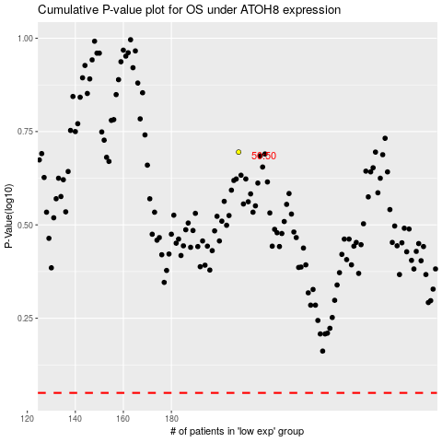

 |  |  |  |  |  | cases_OS | p_OS | rank | exp
 |  |  |  |  |  |  | cases_RFS | p_RFS | rank | exp

