ATP11A _multivariate
Reported by Tex Li-Hsing Chi. tex@gate.sinica.edu.tw 2019-08-21

Table 2. The clinicopathological features of HNSCC cohort and ATP11A expression. (Chi square test)
Cutoff at -0.082 (50.0%)
 |  | ATP11A expression |  | ATP11A expression |  | (Optimised)
 | Features | Low | (%) | High | (%) | Case no | P-value | Remark | Matthews
Gender | Female | 149 | 35.9 | 157 | 37.8 | 415 | 0.4848 | 0 | 0
2 | Male | 58 | 14 | 51 | 12.3
Age at diagnosis | <=65y | 132 | 31.8 | 142 | 34.2 | 415 | 0.3874 | 0 | 0
4 | >65y | 75 | 18.1 | 66 | 15.9
Clinical T Status | T1+T2 | 76 | 18.3 | 73 | 17.6 | 415 | 0.8092 | 0 | 0
6 | T3+T4 | 131 | 31.6 | 135 | 32.5
Clinical N Status | N0 | 103 | 24.8 | 113 | 27.2 | 415 | 0.4047 | 0 | 0
8 | N1-3 | 104 | 25.1 | 95 | 22.9
Clinical M Status | M0 | 204 | 49.2 | 208 | 50.1 | 415 | 0.1232 | 0 | 0
10 | M1 | 3 | 0.7 | 0 | 0
Clinical Stage | Stage I+II | 47 | 11.3 | 55 | 13.3 | 415 | 0.4413 | 0 | 0
12 | Stage III+IV | 160 | 38.6 | 153 | 36.9
Surgical Margin status | Negative | 155 | 37.3 | 163 | 39.3 | 415 | 0.4187 | 0 | 0
14 | Positive | 52 | 12.5 | 45 | 10.8
Tobacco Exposure | Low | 83 | 20 | 78 | 18.8 | 415 | 0.6152 | 0 | 0
16 | High | 124 | 29.9 | 130 | 31.3

Table 3. Univariate/Multivariate Cox's proportional hazards regression analyses on OS time of ATP11A gene expression in HNSCC

 |  | Univariate |  |  |  | Multivariate
 | Features | HR | CI95%(L) | CI95%(H) | P-value | HR | CI95%(L) | CI95%(H) | P-value
1 | Female | 1 |  |  |  | 1
Gender | Male | 1.157 | 0.843 | 1.587 | 0.367 | 1.273 | 0.906 | 1.791 | 0.165
11 | <=65y | 1 |  |  |  | 1
Age at diagnosis | >65y | 1.329 | 0.99 | 1.784 | 0.058 | 1.424 | 1.046 | 1.94 | 0.025
12 | T1+T2 | 1 |  |  |  | 1
Clinical T Status | T3+T4 | 1.409 | 1.028 | 1.931 | 0.033 | 2.156 | 1.14 | 4.079 | 0.018
13 | N0 | 1 |  |  |  | 1
Clinical N Status | N1-3 | 1.185 | 0.89 | 1.577 | 0.246 | 1.265 | 0.886 | 1.806 | 0.197
14 | M0 | 1 |  |  |  | 1
Clinical M Status | M1 | 4.097 | 1.009 | 16.644 | 0.049 | 10.734 | 2.321 | 49.63 | 0.002
15 | Stage I+II | 1 |  |  |  | 1
Clinical Stage | Stage III+IV | 1.245 | 0.882 | 1.759 | 0.213 | 0.522 | 0.243 | 1.123 | 0.096
16 | Negative | 1 |  |  |  | 1
Surgical Margin status | Positive | 1.591 | 1.155 | 2.191 | 0.004 | 1.697 | 1.227 | 2.346 | 0.001
17 | Low | 1 |  |  |  | 1
Tobacco Exposure | High | 1.364 | 1.008 | 1.844 | 0.044 | 1.487 | 1.077 | 2.054 | 0.016
18 | Low | 1 |  |  |  | 1
RNAseq(z-score) | High | 1.156 | 0.867 | 1.541 | 0.323 | 1.304 | 0.966 | 1.76 | 0.083

Table 4. Univariate/Multivariate Cox's proportional hazards regression analyses on RFS time of ATP11A gene expression in HNSCC

 |  | Univariate |  |  |  | Multivariate
 | Features | HR | CI95%(L) | CI95%(H) | P-value | HR | CI95%(L) | CI95%(H) | P-value
1 | Female | 1 |  |  |  | 1
Gender | Male | 1.157 | 0.843 | 1.587 | 0.367 | 1.273 | 0.906 | 1.791 | 0.165
11 | <=65y | 1 |  |  |  | 1
Age at diagnosis | >65y | 1.329 | 0.99 | 1.784 | 0.058 | 1.424 | 1.046 | 1.94 | 0.025
12 | T1+T2 | 1 |  |  |  | 1
Clinical T Status | T3+T4 | 1.409 | 1.028 | 1.931 | 0.033 | 2.156 | 1.14 | 4.079 | 0.018
13 | N0 | 1 |  |  |  | 1
Clinical N Status | N1-3 | 1.185 | 0.89 | 1.577 | 0.246 | 1.265 | 0.886 | 1.806 | 0.197
14 | M0 | 1 |  |  |  | 1
Clinical M Status | M1 | 4.097 | 1.009 | 16.644 | 0.049 | 10.734 | 2.321 | 49.63 | 0.002
15 | Stage I+II | 1 |  |  |  | 1
Clinical Stage | Stage III+IV | 1.245 | 0.882 | 1.759 | 0.213 | 0.522 | 0.243 | 1.123 | 0.096
16 | Negative | 1 |  |  |  | 1
Surgical Margin status | Positive | 1.591 | 1.155 | 2.191 | 0.004 | 1.697 | 1.227 | 2.346 | 0.001
17 | Low | 1 |  |  |  | 1
Tobacco Exposure | High | 1.364 | 1.008 | 1.844 | 0.044 | 1.487 | 1.077 | 2.054 | 0.016
18 | Low | 1 |  |  |  | 1
RNAseq(z-score) | High | 1.156 | 0.867 | 1.541 | 0.323 | 1.304 | 0.966 | 1.76 | 0.083

Kaplan-Meier survival estimate: Cutoff at -0.082 (50.0%)



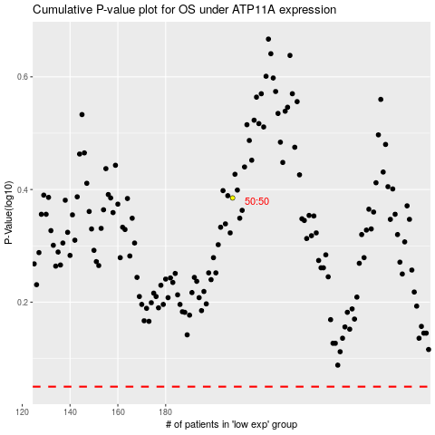

 |  |  |  |  |  | cases_OS | p_OS | rank | exp
 |  |  |  |  |  |  | cases_RFS | p_RFS | rank | exp

