ATP13A5 _multivariate
Reported by Tex Li-Hsing Chi. tex@gate.sinica.edu.tw 2019-08-21

Table 2. The clinicopathological features of HNSCC cohort and ATP13A5 expression. (Chi square test)
Cutoff at -0.202 (44.0%)
 |  | ATP13A5 expression |  | ATP13A5 expression |  | (Optimised)
 | Features | Low | (%) | High | (%) | Case no | P-value | Remark | Matthews
Gender | Female | 138 | 33.3 | 168 | 40.5 | 415 | 0.4579 | 0 | 0
2 | Male | 44 | 10.6 | 65 | 15.7
Age at diagnosis | <=65y | 121 | 29.2 | 153 | 36.9 | 415 | 0.944 | 0 | 0
4 | >65y | 61 | 14.7 | 80 | 19.3
Clinical T Status | T1+T2 | 70 | 16.9 | 79 | 19 | 415 | 0.3915 | 0 | 0
6 | T3+T4 | 112 | 27 | 154 | 37.1
Clinical N Status | N0 | 92 | 22.2 | 124 | 29.9 | 415 | 0.6591 | 0 | 0
8 | N1-3 | 90 | 21.7 | 109 | 26.3
Clinical M Status | M0 | 180 | 43.4 | 232 | 55.9 | 415 | 0.5841 | 0 | 0
10 | M1 | 2 | 0.5 | 1 | 0.2
Clinical Stage | Stage I+II | 50 | 12 | 52 | 12.5 | 415 | 0.2733 | 0 | 0
12 | Stage III+IV | 132 | 31.8 | 181 | 43.6
Surgical Margin status | Negative | 133 | 32 | 185 | 44.6 | 415 | 0.1605 | 0 | 0
14 | Positive | 49 | 11.8 | 48 | 11.6
Tobacco Exposure | Low | 82 | 19.8 | 79 | 19 | 415 | 0.0254 | 1 | 0
16 | High | 100 | 24.1 | 154 | 37.1

Table 3. Univariate/Multivariate Cox's proportional hazards regression analyses on OS time of ATP13A5 gene expression in HNSCC

 |  | Univariate |  |  |  | Multivariate
 | Features | HR | CI95%(L) | CI95%(H) | P-value | HR | CI95%(L) | CI95%(H) | P-value
1 | Female | 1 |  |  |  | 1
Gender | Male | 1.157 | 0.843 | 1.587 | 0.367 | 1.251 | 0.892 | 1.754 | 0.194
11 | <=65y | 1 |  |  |  | 1
Age at diagnosis | >65y | 1.329 | 0.99 | 1.784 | 0.058 | 1.412 | 1.038 | 1.921 | 0.028
12 | T1+T2 | 1 |  |  |  | 1
Clinical T Status | T3+T4 | 1.409 | 1.028 | 1.931 | 0.033 | 2.194 | 1.16 | 4.148 | 0.016
13 | N0 | 1 |  |  |  | 1
Clinical N Status | N1-3 | 1.185 | 0.89 | 1.577 | 0.246 | 1.189 | 0.832 | 1.699 | 0.342
14 | M0 | 1 |  |  |  | 1
Clinical M Status | M1 | 4.097 | 1.009 | 16.644 | 0.049 | 8.965 | 1.953 | 41.152 | 0.005
15 | Stage I+II | 1 |  |  |  | 1
Clinical Stage | Stage III+IV | 1.245 | 0.882 | 1.759 | 0.213 | 0.546 | 0.254 | 1.177 | 0.122
16 | Negative | 1 |  |  |  | 1
Surgical Margin status | Positive | 1.591 | 1.155 | 2.191 | 0.004 | 1.66 | 1.201 | 2.294 | 0.002
17 | Low | 1 |  |  |  | 1
Tobacco Exposure | High | 1.364 | 1.008 | 1.844 | 0.044 | 1.576 | 1.132 | 2.194 | 0.007
18 | Low | 1 |  |  |  | 1
RNAseq(z-score) | High | 0.736 | 0.551 | 0.982 | 0.037 | 0.672 | 0.498 | 0.905 | 0.009

Table 4. Univariate/Multivariate Cox's proportional hazards regression analyses on RFS time of ATP13A5 gene expression in HNSCC

 |  | Univariate |  |  |  | Multivariate
 | Features | HR | CI95%(L) | CI95%(H) | P-value | HR | CI95%(L) | CI95%(H) | P-value
1 | Female | 1 |  |  |  | 1
Gender | Male | 1.157 | 0.843 | 1.587 | 0.367 | 1.251 | 0.892 | 1.754 | 0.194
11 | <=65y | 1 |  |  |  | 1
Age at diagnosis | >65y | 1.329 | 0.99 | 1.784 | 0.058 | 1.412 | 1.038 | 1.921 | 0.028
12 | T1+T2 | 1 |  |  |  | 1
Clinical T Status | T3+T4 | 1.409 | 1.028 | 1.931 | 0.033 | 2.194 | 1.16 | 4.148 | 0.016
13 | N0 | 1 |  |  |  | 1
Clinical N Status | N1-3 | 1.185 | 0.89 | 1.577 | 0.246 | 1.189 | 0.832 | 1.699 | 0.342
14 | M0 | 1 |  |  |  | 1
Clinical M Status | M1 | 4.097 | 1.009 | 16.644 | 0.049 | 8.965 | 1.953 | 41.152 | 0.005
15 | Stage I+II | 1 |  |  |  | 1
Clinical Stage | Stage III+IV | 1.245 | 0.882 | 1.759 | 0.213 | 0.546 | 0.254 | 1.177 | 0.122
16 | Negative | 1 |  |  |  | 1
Surgical Margin status | Positive | 1.591 | 1.155 | 2.191 | 0.004 | 1.66 | 1.201 | 2.294 | 0.002
17 | Low | 1 |  |  |  | 1
Tobacco Exposure | High | 1.364 | 1.008 | 1.844 | 0.044 | 1.576 | 1.132 | 2.194 | 0.007
18 | Low | 1 |  |  |  | 1
RNAseq(z-score) | High | 0.736 | 0.551 | 0.982 | 0.037 | 0.672 | 0.498 | 0.905 | 0.009

Kaplan-Meier survival estimate: Cutoff at -0.202 (44.0%)

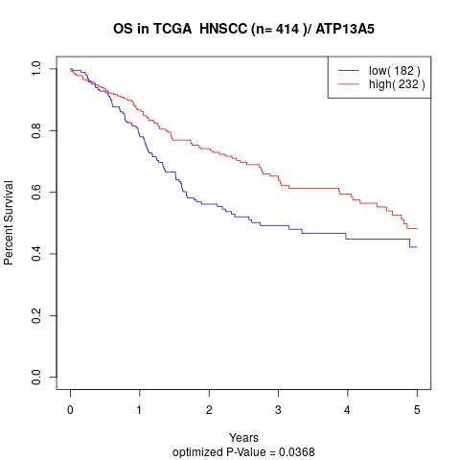

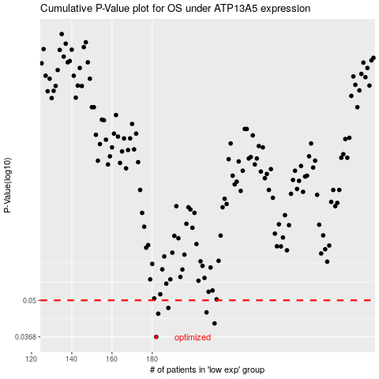

 |  |  |  |  |  | cases_OS | p_OS | rank | exp
 |  |  |  |  |  | 182 | 0.0368 | 168 | -0.2022048223
 |  |  |  |  |  | 211 | 0.0412 | 30 | -0.20058228751
 |  |  |  |  |  | 183 | 0.0447 | 381 | -0.20217431053
 |  |  |  |  |  | 207 | 0.0452 | 170 | -0.20064917292
 |  |  |  |  |  | 188 | 0.0469 | 49 | -0.20202115046
 |  |  |  |  |  |  | cases_RFS | p_RFS | rank | exp
 |  |  |  |  |  |  | 181 | 0.0368 | 191 | -0.20229650791
 |  |  |  |  |  |  | 210 | 0.0412 | 69 | -0.20058784877
 |  |  |  |  |  |  | 182 | 0.0447 | 168 | -0.2022048223
 |  |  |  |  |  |  | 206 | 0.0452 | 229 | -0.20070057699
 |  |  |  |  |  |  | 187 | 0.0469 | 265 | -0.20207841639

