ATP1B1 _multivariate
Reported by Tex Li-Hsing Chi. tex@gate.sinica.edu.tw 2019-08-21

Table 2. The clinicopathological features of HNSCC cohort and ATP1B1 expression. (Chi square test)
Cutoff at -0.312 (50.0%)
 |  | ATP1B1 expression |  | ATP1B1 expression |  | (Optimised)
 | Features | Low | (%) | High | (%) | Case no | P-value | Remark | Matthews
Gender | Female | 150 | 36.1 | 156 | 37.6 | 415 | 0.6344 | 0 | 0
2 | Male | 57 | 13.7 | 52 | 12.5
Age at diagnosis | <=65y | 132 | 31.8 | 142 | 34.2 | 415 | 0.3874 | 0 | 0
4 | >65y | 75 | 18.1 | 66 | 15.9
Clinical T Status | T1+T2 | 86 | 20.7 | 63 | 15.2 | 415 | 0.0221 | 1 | 0
6 | T3+T4 | 121 | 29.2 | 145 | 34.9
Clinical N Status | N0 | 114 | 27.5 | 102 | 24.6 | 415 | 0.2576 | 1 | 0
8 | N1-3 | 93 | 22.4 | 106 | 25.5
Clinical M Status | M0 | 204 | 49.2 | 208 | 50.1 | 415 | 0.1232 | 0 | 0
10 | M1 | 3 | 0.7 | 0 | 0
Clinical Stage | Stage I+II | 62 | 14.9 | 40 | 9.6 | 415 | 0.0154 | 1 | 0
12 | Stage III+IV | 145 | 34.9 | 168 | 40.5
Surgical Margin status | Negative | 157 | 37.8 | 161 | 38.8 | 415 | 0.729 | 0 | 0
14 | Positive | 50 | 12 | 47 | 11.3
Tobacco Exposure | Low | 94 | 22.7 | 67 | 16.1 | 415 | 0.0065 | 1 | 0
16 | High | 113 | 27.2 | 141 | 34

Table 3. Univariate/Multivariate Cox's proportional hazards regression analyses on OS time of ATP1B1 gene expression in HNSCC

 |  | Univariate |  |  |  | Multivariate
 | Features | HR | CI95%(L) | CI95%(H) | P-value | HR | CI95%(L) | CI95%(H) | P-value
1 | Female | 1 |  |  |  | 1
Gender | Male | 1.157 | 0.843 | 1.587 | 0.367 | 1.203 | 0.861 | 1.681 | 0.279
11 | <=65y | 1 |  |  |  | 1
Age at diagnosis | >65y | 1.329 | 0.99 | 1.784 | 0.058 | 1.39 | 1.022 | 1.89 | 0.036
12 | T1+T2 | 1 |  |  |  | 1
Clinical T Status | T3+T4 | 1.409 | 1.028 | 1.931 | 0.033 | 2.204 | 1.165 | 4.168 | 0.015
13 | N0 | 1 |  |  |  | 1
Clinical N Status | N1-3 | 1.185 | 0.89 | 1.577 | 0.246 | 1.243 | 0.871 | 1.775 | 0.23
14 | M0 | 1 |  |  |  | 1
Clinical M Status | M1 | 4.097 | 1.009 | 16.644 | 0.049 | 9.591 | 2.072 | 44.39 | 0.004
15 | Stage I+II | 1 |  |  |  | 1
Clinical Stage | Stage III+IV | 1.245 | 0.882 | 1.759 | 0.213 | 0.5 | 0.232 | 1.078 | 0.077
16 | Negative | 1 |  |  |  | 1
Surgical Margin status | Positive | 1.591 | 1.155 | 2.191 | 0.004 | 1.675 | 1.212 | 2.315 | 0.002
17 | Low | 1 |  |  |  | 1
Tobacco Exposure | High | 1.364 | 1.008 | 1.844 | 0.044 | 1.443 | 1.041 | 2 | 0.028
18 | Low | 1 |  |  |  | 1
RNAseq(z-score) | High | 1.083 | 0.812 | 1.445 | 0.588 | 1.035 | 0.764 | 1.402 | 0.823

Table 4. Univariate/Multivariate Cox's proportional hazards regression analyses on RFS time of ATP1B1 gene expression in HNSCC

 |  | Univariate |  |  |  | Multivariate
 | Features | HR | CI95%(L) | CI95%(H) | P-value | HR | CI95%(L) | CI95%(H) | P-value
1 | Female | 1 |  |  |  | 1
Gender | Male | 1.157 | 0.843 | 1.587 | 0.367 | 1.203 | 0.861 | 1.681 | 0.279
11 | <=65y | 1 |  |  |  | 1
Age at diagnosis | >65y | 1.329 | 0.99 | 1.784 | 0.058 | 1.39 | 1.022 | 1.89 | 0.036
12 | T1+T2 | 1 |  |  |  | 1
Clinical T Status | T3+T4 | 1.409 | 1.028 | 1.931 | 0.033 | 2.204 | 1.165 | 4.168 | 0.015
13 | N0 | 1 |  |  |  | 1
Clinical N Status | N1-3 | 1.185 | 0.89 | 1.577 | 0.246 | 1.243 | 0.871 | 1.775 | 0.23
14 | M0 | 1 |  |  |  | 1
Clinical M Status | M1 | 4.097 | 1.009 | 16.644 | 0.049 | 9.591 | 2.072 | 44.39 | 0.004
15 | Stage I+II | 1 |  |  |  | 1
Clinical Stage | Stage III+IV | 1.245 | 0.882 | 1.759 | 0.213 | 0.5 | 0.232 | 1.078 | 0.077
16 | Negative | 1 |  |  |  | 1
Surgical Margin status | Positive | 1.591 | 1.155 | 2.191 | 0.004 | 1.675 | 1.212 | 2.315 | 0.002
17 | Low | 1 |  |  |  | 1
Tobacco Exposure | High | 1.364 | 1.008 | 1.844 | 0.044 | 1.443 | 1.041 | 2 | 0.028
18 | Low | 1 |  |  |  | 1
RNAseq(z-score) | High | 1.083 | 0.812 | 1.445 | 0.588 | 1.035 | 0.764 | 1.402 | 0.823

Kaplan-Meier survival estimate: Cutoff at -0.312 (50.0%)



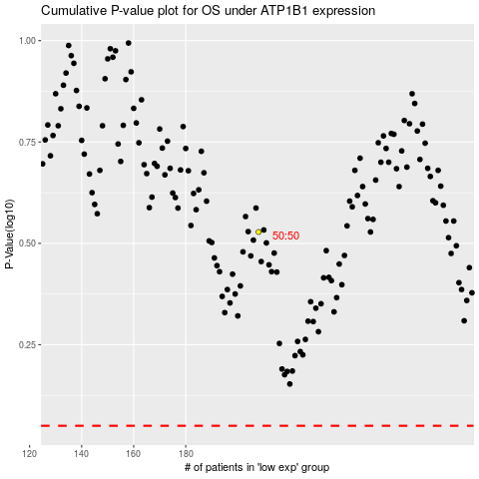

 |  |  |  |  |  | cases_OS | p_OS | rank | exp
 |  |  |  |  |  |  | cases_RFS | p_RFS | rank | exp

