ATP1B3 _multivariate
Reported by Tex Li-Hsing Chi. tex@gate.sinica.edu.tw 2019-08-21

Table 2. The clinicopathological features of HNSCC cohort and ATP1B3 expression. (Chi square test)
Cutoff at -0.106 (49.8%)
 |  | ATP1B3 expression |  | ATP1B3 expression |  | (Optimised)
 | Features | Low | (%) | High | (%) | Case no | P-value | Remark | Matthews
Gender | Female | 149 | 35.9 | 157 | 37.8 | 415 | 0.4848 | 0 | 0
2 | Male | 58 | 14 | 51 | 12.3
Age at diagnosis | <=65y | 128 | 30.8 | 146 | 35.2 | 415 | 0.0904 | 0 | 0
4 | >65y | 79 | 19 | 62 | 14.9
Clinical T Status | T1+T2 | 79 | 19 | 70 | 16.9 | 415 | 0.3924 | 0 | 0
6 | T3+T4 | 128 | 30.8 | 138 | 33.3
Clinical N Status | N0 | 111 | 26.7 | 105 | 25.3 | 415 | 0.5875 | 0 | 0
8 | N1-3 | 96 | 23.1 | 103 | 24.8
Clinical M Status | M0 | 206 | 49.6 | 206 | 49.6 | 415 | 1 | 0 | 0
10 | M1 | 1 | 0.2 | 2 | 0.5
Clinical Stage | Stage I+II | 55 | 13.3 | 47 | 11.3 | 415 | 0.4087 | 0 | 0
12 | Stage III+IV | 152 | 36.6 | 161 | 38.8
Surgical Margin status | Negative | 153 | 36.9 | 165 | 39.8 | 415 | 0.2036 | 0 | 0
14 | Positive | 54 | 13 | 43 | 10.4
Tobacco Exposure | Low | 91 | 21.9 | 70 | 16.9 | 415 | 0.0346 | 1 | 0
16 | High | 116 | 28 | 138 | 33.3

Table 3. Univariate/Multivariate Cox's proportional hazards regression analyses on OS time of ATP1B3 gene expression in HNSCC

 |  | Univariate |  |  |  | Multivariate
 | Features | HR | CI95%(L) | CI95%(H) | P-value | HR | CI95%(L) | CI95%(H) | P-value
1 | Female | 1 |  |  |  | 1
Gender | Male | 1.157 | 0.843 | 1.587 | 0.367 | 1.198 | 0.857 | 1.675 | 0.29
11 | <=65y | 1 |  |  |  | 1
Age at diagnosis | >65y | 1.329 | 0.99 | 1.784 | 0.058 | 1.388 | 1.02 | 1.888 | 0.037
12 | T1+T2 | 1 |  |  |  | 1
Clinical T Status | T3+T4 | 1.409 | 1.028 | 1.931 | 0.033 | 2.214 | 1.17 | 4.19 | 0.015
13 | N0 | 1 |  |  |  | 1
Clinical N Status | N1-3 | 1.185 | 0.89 | 1.577 | 0.246 | 1.243 | 0.871 | 1.773 | 0.231
14 | M0 | 1 |  |  |  | 1
Clinical M Status | M1 | 4.097 | 1.009 | 16.644 | 0.049 | 9.558 | 2.079 | 43.953 | 0.004
15 | Stage I+II | 1 |  |  |  | 1
Clinical Stage | Stage III+IV | 1.245 | 0.882 | 1.759 | 0.213 | 0.503 | 0.234 | 1.08 | 0.078
16 | Negative | 1 |  |  |  | 1
Surgical Margin status | Positive | 1.591 | 1.155 | 2.191 | 0.004 | 1.66 | 1.198 | 2.3 | 0.002
17 | Low | 1 |  |  |  | 1
Tobacco Exposure | High | 1.364 | 1.008 | 1.844 | 0.044 | 1.464 | 1.059 | 2.023 | 0.021
18 | Low | 1 |  |  |  | 1
RNAseq(z-score) | High | 0.953 | 0.716 | 1.269 | 0.741 | 0.953 | 0.708 | 1.281 | 0.748

Table 4. Univariate/Multivariate Cox's proportional hazards regression analyses on RFS time of ATP1B3 gene expression in HNSCC

 |  | Univariate |  |  |  | Multivariate
 | Features | HR | CI95%(L) | CI95%(H) | P-value | HR | CI95%(L) | CI95%(H) | P-value
1 | Female | 1 |  |  |  | 1
Gender | Male | 1.157 | 0.843 | 1.587 | 0.367 | 1.198 | 0.857 | 1.675 | 0.29
11 | <=65y | 1 |  |  |  | 1
Age at diagnosis | >65y | 1.329 | 0.99 | 1.784 | 0.058 | 1.388 | 1.02 | 1.888 | 0.037
12 | T1+T2 | 1 |  |  |  | 1
Clinical T Status | T3+T4 | 1.409 | 1.028 | 1.931 | 0.033 | 2.214 | 1.17 | 4.19 | 0.015
13 | N0 | 1 |  |  |  | 1
Clinical N Status | N1-3 | 1.185 | 0.89 | 1.577 | 0.246 | 1.243 | 0.871 | 1.773 | 0.231
14 | M0 | 1 |  |  |  | 1
Clinical M Status | M1 | 4.097 | 1.009 | 16.644 | 0.049 | 9.558 | 2.079 | 43.953 | 0.004
15 | Stage I+II | 1 |  |  |  | 1
Clinical Stage | Stage III+IV | 1.245 | 0.882 | 1.759 | 0.213 | 0.503 | 0.234 | 1.08 | 0.078
16 | Negative | 1 |  |  |  | 1
Surgical Margin status | Positive | 1.591 | 1.155 | 2.191 | 0.004 | 1.66 | 1.198 | 2.3 | 0.002
17 | Low | 1 |  |  |  | 1
Tobacco Exposure | High | 1.364 | 1.008 | 1.844 | 0.044 | 1.464 | 1.059 | 2.023 | 0.021
18 | Low | 1 |  |  |  | 1
RNAseq(z-score) | High | 0.953 | 0.716 | 1.269 | 0.741 | 0.953 | 0.708 | 1.281 | 0.748

Kaplan-Meier survival estimate: Cutoff at -0.106 (49.8%)

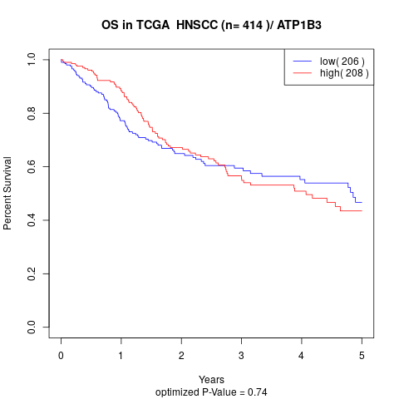

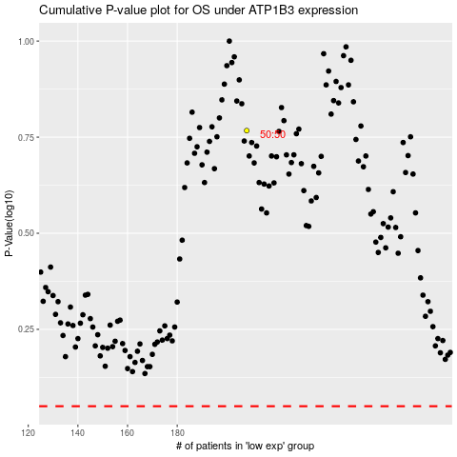

 |  |  |  |  |  | cases_OS | p_OS | rank | exp
 |  |  |  |  |  |  | cases_RFS | p_RFS | rank | exp

