ATP2B1 _multivariate
Reported by Tex Li-Hsing Chi. tex@gate.sinica.edu.tw 2019-08-21

Table 2. The clinicopathological features of HNSCC cohort and ATP2B1 expression. (Chi square test)
Cutoff at -0.276 (49.8%)
 |  | ATP2B1 expression |  | ATP2B1 expression |  | (Optimised)
 | Features | Low | (%) | High | (%) | Case no | P-value | Remark | Matthews
Gender | Female | 146 | 35.2 | 160 | 38.6 | 415 | 0.1714 | 0 | 0
2 | Male | 61 | 14.7 | 48 | 11.6
Age at diagnosis | <=65y | 133 | 32 | 141 | 34 | 415 | 0.5111 | 0 | 0
4 | >65y | 74 | 17.8 | 67 | 16.1
Clinical T Status | T1+T2 | 79 | 19 | 70 | 16.9 | 415 | 0.3924 | 0 | 0
6 | T3+T4 | 128 | 30.8 | 138 | 33.3
Clinical N Status | N0 | 117 | 28.2 | 99 | 23.9 | 415 | 0.0852 | 1 | 0
8 | N1-3 | 90 | 21.7 | 109 | 26.3
Clinical M Status | M0 | 204 | 49.2 | 208 | 50.1 | 415 | 0.1232 | 0 | 0
10 | M1 | 3 | 0.7 | 0 | 0
Clinical Stage | Stage I+II | 59 | 14.2 | 43 | 10.4 | 415 | 0.0822 | 0 | 0
12 | Stage III+IV | 148 | 35.7 | 165 | 39.8
Surgical Margin status | Negative | 159 | 38.3 | 159 | 38.3 | 415 | 1 | 0 | 0
14 | Positive | 48 | 11.6 | 49 | 11.8
Tobacco Exposure | Low | 90 | 21.7 | 71 | 17.1 | 415 | 0.0559 | 0 | 0
16 | High | 117 | 28.2 | 137 | 33

Table 3. Univariate/Multivariate Cox's proportional hazards regression analyses on OS time of ATP2B1 gene expression in HNSCC

 |  | Univariate |  |  |  | Multivariate
 | Features | HR | CI95%(L) | CI95%(H) | P-value | HR | CI95%(L) | CI95%(H) | P-value
1 | Female | 1 |  |  |  | 1
Gender | Male | 1.157 | 0.843 | 1.587 | 0.367 | 1.235 | 0.882 | 1.731 | 0.219
11 | <=65y | 1 |  |  |  | 1
Age at diagnosis | >65y | 1.329 | 0.99 | 1.784 | 0.058 | 1.398 | 1.028 | 1.901 | 0.032
12 | T1+T2 | 1 |  |  |  | 1
Clinical T Status | T3+T4 | 1.409 | 1.028 | 1.931 | 0.033 | 2.223 | 1.176 | 4.201 | 0.014
13 | N0 | 1 |  |  |  | 1
Clinical N Status | N1-3 | 1.185 | 0.89 | 1.577 | 0.246 | 1.244 | 0.871 | 1.775 | 0.23
14 | M0 | 1 |  |  |  | 1
Clinical M Status | M1 | 4.097 | 1.009 | 16.644 | 0.049 | 10.633 | 2.292 | 49.34 | 0.003
15 | Stage I+II | 1 |  |  |  | 1
Clinical Stage | Stage III+IV | 1.245 | 0.882 | 1.759 | 0.213 | 0.489 | 0.228 | 1.05 | 0.067
16 | Negative | 1 |  |  |  | 1
Surgical Margin status | Positive | 1.591 | 1.155 | 2.191 | 0.004 | 1.692 | 1.224 | 2.339 | 0.001
17 | Low | 1 |  |  |  | 1
Tobacco Exposure | High | 1.364 | 1.008 | 1.844 | 0.044 | 1.44 | 1.045 | 1.986 | 0.026
18 | Low | 1 |  |  |  | 1
RNAseq(z-score) | High | 1.149 | 0.86 | 1.535 | 0.346 | 1.212 | 0.9 | 1.633 | 0.205

Table 4. Univariate/Multivariate Cox's proportional hazards regression analyses on RFS time of ATP2B1 gene expression in HNSCC

 |  | Univariate |  |  |  | Multivariate
 | Features | HR | CI95%(L) | CI95%(H) | P-value | HR | CI95%(L) | CI95%(H) | P-value
1 | Female | 1 |  |  |  | 1
Gender | Male | 1.157 | 0.843 | 1.587 | 0.367 | 1.235 | 0.882 | 1.731 | 0.219
11 | <=65y | 1 |  |  |  | 1
Age at diagnosis | >65y | 1.329 | 0.99 | 1.784 | 0.058 | 1.398 | 1.028 | 1.901 | 0.032
12 | T1+T2 | 1 |  |  |  | 1
Clinical T Status | T3+T4 | 1.409 | 1.028 | 1.931 | 0.033 | 2.223 | 1.176 | 4.201 | 0.014
13 | N0 | 1 |  |  |  | 1
Clinical N Status | N1-3 | 1.185 | 0.89 | 1.577 | 0.246 | 1.244 | 0.871 | 1.775 | 0.23
14 | M0 | 1 |  |  |  | 1
Clinical M Status | M1 | 4.097 | 1.009 | 16.644 | 0.049 | 10.633 | 2.292 | 49.34 | 0.003
15 | Stage I+II | 1 |  |  |  | 1
Clinical Stage | Stage III+IV | 1.245 | 0.882 | 1.759 | 0.213 | 0.489 | 0.228 | 1.05 | 0.067
16 | Negative | 1 |  |  |  | 1
Surgical Margin status | Positive | 1.591 | 1.155 | 2.191 | 0.004 | 1.692 | 1.224 | 2.339 | 0.001
17 | Low | 1 |  |  |  | 1
Tobacco Exposure | High | 1.364 | 1.008 | 1.844 | 0.044 | 1.44 | 1.045 | 1.986 | 0.026
18 | Low | 1 |  |  |  | 1
RNAseq(z-score) | High | 1.149 | 0.86 | 1.535 | 0.346 | 1.212 | 0.9 | 1.633 | 0.205

Kaplan-Meier survival estimate: Cutoff at -0.276 (49.8%)



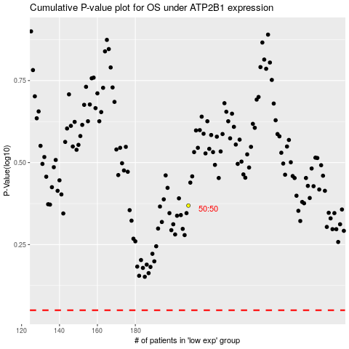

 |  |  |  |  |  | cases_OS | p_OS | rank | exp
 |  |  |  |  |  |  | cases_RFS | p_RFS | rank | exp

