ATP2B2 _multivariate
Reported by Tex Li-Hsing Chi. tex@gate.sinica.edu.tw 2019-08-21

Table 2. The clinicopathological features of HNSCC cohort and ATP2B2 expression. (Chi square test)
Cutoff at -0.128 (50.0%)
 |  | ATP2B2 expression |  | ATP2B2 expression |  | (Optimised)
 | Features | Low | (%) | High | (%) | Case no | P-value | Remark | Matthews
Gender | Female | 164 | 39.5 | 142 | 34.2 | 415 | 0.0153 | 1 | 0
2 | Male | 43 | 10.4 | 66 | 15.9
Age at diagnosis | <=65y | 136 | 32.8 | 138 | 33.3 | 415 | 0.9719 | 0 | 0
4 | >65y | 71 | 17.1 | 70 | 16.9
Clinical T Status | T1+T2 | 62 | 14.9 | 87 | 21 | 415 | 0.0156 | 1 | 0
6 | T3+T4 | 145 | 34.9 | 121 | 29.2
Clinical N Status | N0 | 107 | 25.8 | 109 | 26.3 | 415 | 0.9624 | 0 | 0
8 | N1-3 | 100 | 24.1 | 99 | 23.9
Clinical M Status | M0 | 204 | 49.2 | 208 | 50.1 | 415 | 0.1232 | 0 | 0
10 | M1 | 3 | 0.7 | 0 | 0
Clinical Stage | Stage I+II | 45 | 10.8 | 57 | 13.7 | 415 | 0.2202 | 0 | 0
12 | Stage III+IV | 162 | 39 | 151 | 36.4
Surgical Margin status | Negative | 157 | 37.8 | 161 | 38.8 | 415 | 0.729 | 0 | 0
14 | Positive | 50 | 12 | 47 | 11.3
Tobacco Exposure | Low | 73 | 17.6 | 88 | 21.2 | 415 | 0.1587 | 0 | 0
16 | High | 134 | 32.3 | 120 | 28.9

Table 3. Univariate/Multivariate Cox's proportional hazards regression analyses on OS time of ATP2B2 gene expression in HNSCC

 |  | Univariate |  |  |  | Multivariate
 | Features | HR | CI95%(L) | CI95%(H) | P-value | HR | CI95%(L) | CI95%(H) | P-value
1 | Female | 1 |  |  |  | 1
Gender | Male | 1.157 | 0.843 | 1.587 | 0.367 | 1.2 | 0.856 | 1.681 | 0.29
11 | <=65y | 1 |  |  |  | 1
Age at diagnosis | >65y | 1.329 | 0.99 | 1.784 | 0.058 | 1.392 | 1.024 | 1.893 | 0.035
12 | T1+T2 | 1 |  |  |  | 1
Clinical T Status | T3+T4 | 1.409 | 1.028 | 1.931 | 0.033 | 2.206 | 1.165 | 4.18 | 0.015
13 | N0 | 1 |  |  |  | 1
Clinical N Status | N1-3 | 1.185 | 0.89 | 1.577 | 0.246 | 1.241 | 0.87 | 1.771 | 0.233
14 | M0 | 1 |  |  |  | 1
Clinical M Status | M1 | 4.097 | 1.009 | 16.644 | 0.049 | 9.466 | 2.045 | 43.808 | 0.004
15 | Stage I+II | 1 |  |  |  | 1
Clinical Stage | Stage III+IV | 1.245 | 0.882 | 1.759 | 0.213 | 0.504 | 0.234 | 1.083 | 0.079
16 | Negative | 1 |  |  |  | 1
Surgical Margin status | Positive | 1.591 | 1.155 | 2.191 | 0.004 | 1.671 | 1.209 | 2.309 | 0.002
17 | Low | 1 |  |  |  | 1
Tobacco Exposure | High | 1.364 | 1.008 | 1.844 | 0.044 | 1.453 | 1.054 | 2.002 | 0.022
18 | Low | 1 |  |  |  | 1
RNAseq(z-score) | High | 0.975 | 0.732 | 1.299 | 0.863 | 1.011 | 0.754 | 1.355 | 0.943

Table 4. Univariate/Multivariate Cox's proportional hazards regression analyses on RFS time of ATP2B2 gene expression in HNSCC

 |  | Univariate |  |  |  | Multivariate
 | Features | HR | CI95%(L) | CI95%(H) | P-value | HR | CI95%(L) | CI95%(H) | P-value
1 | Female | 1 |  |  |  | 1
Gender | Male | 1.157 | 0.843 | 1.587 | 0.367 | 1.2 | 0.856 | 1.681 | 0.29
11 | <=65y | 1 |  |  |  | 1
Age at diagnosis | >65y | 1.329 | 0.99 | 1.784 | 0.058 | 1.392 | 1.024 | 1.893 | 0.035
12 | T1+T2 | 1 |  |  |  | 1
Clinical T Status | T3+T4 | 1.409 | 1.028 | 1.931 | 0.033 | 2.206 | 1.165 | 4.18 | 0.015
13 | N0 | 1 |  |  |  | 1
Clinical N Status | N1-3 | 1.185 | 0.89 | 1.577 | 0.246 | 1.241 | 0.87 | 1.771 | 0.233
14 | M0 | 1 |  |  |  | 1
Clinical M Status | M1 | 4.097 | 1.009 | 16.644 | 0.049 | 9.466 | 2.045 | 43.808 | 0.004
15 | Stage I+II | 1 |  |  |  | 1
Clinical Stage | Stage III+IV | 1.245 | 0.882 | 1.759 | 0.213 | 0.504 | 0.234 | 1.083 | 0.079
16 | Negative | 1 |  |  |  | 1
Surgical Margin status | Positive | 1.591 | 1.155 | 2.191 | 0.004 | 1.671 | 1.209 | 2.309 | 0.002
17 | Low | 1 |  |  |  | 1
Tobacco Exposure | High | 1.364 | 1.008 | 1.844 | 0.044 | 1.453 | 1.054 | 2.002 | 0.022
18 | Low | 1 |  |  |  | 1
RNAseq(z-score) | High | 0.975 | 0.732 | 1.299 | 0.863 | 1.011 | 0.754 | 1.355 | 0.943

Kaplan-Meier survival estimate: Cutoff at -0.128 (50.0%)



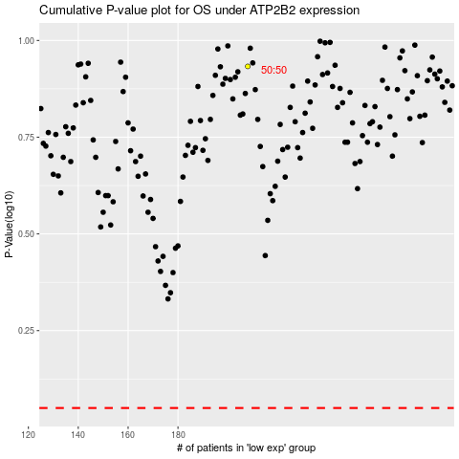

 |  |  |  |  |  | cases_OS | p_OS | rank | exp
 |  |  |  |  |  |  | cases_RFS | p_RFS | rank | exp

