ATP2B4 _multivariate
Reported by Tex Li-Hsing Chi. tex@gate.sinica.edu.tw 2019-08-21

Table 2. The clinicopathological features of HNSCC cohort and ATP2B4 expression. (Chi square test)
Cutoff at -0.122 (50.0%)
 |  | ATP2B4 expression |  | ATP2B4 expression |  | (Optimised)
 | Features | Low | (%) | High | (%) | Case no | P-value | Remark | Matthews
Gender | Female | 155 | 37.3 | 151 | 36.4 | 415 | 0.6768 | 0 | 0
2 | Male | 52 | 12.5 | 57 | 13.7
Age at diagnosis | <=65y | 130 | 31.3 | 144 | 34.7 | 415 | 0.2009 | 0 | 0
4 | >65y | 77 | 18.6 | 64 | 15.4
Clinical T Status | T1+T2 | 74 | 17.8 | 75 | 18.1 | 415 | 1 | 0 | 0
6 | T3+T4 | 133 | 32 | 133 | 32
Clinical N Status | N0 | 112 | 27 | 104 | 25.1 | 415 | 0.4599 | 0 | 0
8 | N1-3 | 95 | 22.9 | 104 | 25.1
Clinical M Status | M0 | 204 | 49.2 | 208 | 50.1 | 415 | 0.1232 | 0 | 0
10 | M1 | 3 | 0.7 | 0 | 0
Clinical Stage | Stage I+II | 53 | 12.8 | 49 | 11.8 | 415 | 0.7113 | 0 | 0
12 | Stage III+IV | 154 | 37.1 | 159 | 38.3
Surgical Margin status | Negative | 152 | 36.6 | 166 | 40 | 415 | 0.1329 | 0 | 0
14 | Positive | 55 | 13.3 | 42 | 10.1
Tobacco Exposure | Low | 83 | 20 | 78 | 18.8 | 415 | 0.6152 | 0 | 0
16 | High | 124 | 29.9 | 130 | 31.3

Table 3. Univariate/Multivariate Cox's proportional hazards regression analyses on OS time of ATP2B4 gene expression in HNSCC

 |  | Univariate |  |  |  | Multivariate
 | Features | HR | CI95%(L) | CI95%(H) | P-value | HR | CI95%(L) | CI95%(H) | P-value
1 | Female | 1 |  |  |  | 1
Gender | Male | 1.157 | 0.843 | 1.587 | 0.367 | 1.202 | 0.86 | 1.68 | 0.281
11 | <=65y | 1 |  |  |  | 1
Age at diagnosis | >65y | 1.329 | 0.99 | 1.784 | 0.058 | 1.39 | 1.022 | 1.891 | 0.036
12 | T1+T2 | 1 |  |  |  | 1
Clinical T Status | T3+T4 | 1.409 | 1.028 | 1.931 | 0.033 | 2.197 | 1.161 | 4.159 | 0.016
13 | N0 | 1 |  |  |  | 1
Clinical N Status | N1-3 | 1.185 | 0.89 | 1.577 | 0.246 | 1.241 | 0.869 | 1.77 | 0.235
14 | M0 | 1 |  |  |  | 1
Clinical M Status | M1 | 4.097 | 1.009 | 16.644 | 0.049 | 9.297 | 2.005 | 43.116 | 0.004
15 | Stage I+II | 1 |  |  |  | 1
Clinical Stage | Stage III+IV | 1.245 | 0.882 | 1.759 | 0.213 | 0.507 | 0.235 | 1.09 | 0.082
16 | Negative | 1 |  |  |  | 1
Surgical Margin status | Positive | 1.591 | 1.155 | 2.191 | 0.004 | 1.669 | 1.206 | 2.308 | 0.002
17 | Low | 1 |  |  |  | 1
Tobacco Exposure | High | 1.364 | 1.008 | 1.844 | 0.044 | 1.453 | 1.055 | 2.003 | 0.022
18 | Low | 1 |  |  |  | 1
RNAseq(z-score) | High | 0.923 | 0.691 | 1.233 | 0.587 | 0.982 | 0.732 | 1.318 | 0.904

Table 4. Univariate/Multivariate Cox's proportional hazards regression analyses on RFS time of ATP2B4 gene expression in HNSCC

 |  | Univariate |  |  |  | Multivariate
 | Features | HR | CI95%(L) | CI95%(H) | P-value | HR | CI95%(L) | CI95%(H) | P-value
1 | Female | 1 |  |  |  | 1
Gender | Male | 1.157 | 0.843 | 1.587 | 0.367 | 1.202 | 0.86 | 1.68 | 0.281
11 | <=65y | 1 |  |  |  | 1
Age at diagnosis | >65y | 1.329 | 0.99 | 1.784 | 0.058 | 1.39 | 1.022 | 1.891 | 0.036
12 | T1+T2 | 1 |  |  |  | 1
Clinical T Status | T3+T4 | 1.409 | 1.028 | 1.931 | 0.033 | 2.197 | 1.161 | 4.159 | 0.016
13 | N0 | 1 |  |  |  | 1
Clinical N Status | N1-3 | 1.185 | 0.89 | 1.577 | 0.246 | 1.241 | 0.869 | 1.77 | 0.235
14 | M0 | 1 |  |  |  | 1
Clinical M Status | M1 | 4.097 | 1.009 | 16.644 | 0.049 | 9.297 | 2.005 | 43.116 | 0.004
15 | Stage I+II | 1 |  |  |  | 1
Clinical Stage | Stage III+IV | 1.245 | 0.882 | 1.759 | 0.213 | 0.507 | 0.235 | 1.09 | 0.082
16 | Negative | 1 |  |  |  | 1
Surgical Margin status | Positive | 1.591 | 1.155 | 2.191 | 0.004 | 1.669 | 1.206 | 2.308 | 0.002
17 | Low | 1 |  |  |  | 1
Tobacco Exposure | High | 1.364 | 1.008 | 1.844 | 0.044 | 1.453 | 1.055 | 2.003 | 0.022
18 | Low | 1 |  |  |  | 1
RNAseq(z-score) | High | 0.923 | 0.691 | 1.233 | 0.587 | 0.982 | 0.732 | 1.318 | 0.904

Kaplan-Meier survival estimate: Cutoff at -0.122 (50.0%)



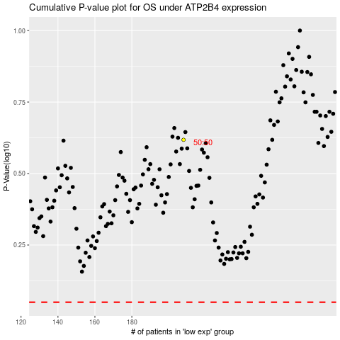

 |  |  |  |  |  | cases_OS | p_OS | rank | exp
 |  |  |  |  |  |  | cases_RFS | p_RFS | rank | exp

