ATP2C1 _multivariate
Reported by Tex Li-Hsing Chi. tex@gate.sinica.edu.tw 2019-08-21

Table 2. The clinicopathological features of HNSCC cohort and ATP2C1 expression. (Chi square test)
Cutoff at 0.307 (69.1%)
 |  | ATP2C1 expression |  | ATP2C1 expression |  | (Optimised)
 | Features | Low | (%) | High | (%) | Case no | P-value | Remark | Matthews
Gender | Female | 204 | 49.2 | 102 | 24.6 | 415 | 0.0855 | 0 | 0
2 | Male | 83 | 20 | 26 | 6.3
Age at diagnosis | <=65y | 188 | 45.3 | 86 | 20.7 | 415 | 0.8243 | 0 | 0
4 | >65y | 99 | 23.9 | 42 | 10.1
Clinical T Status | T1+T2 | 99 | 23.9 | 50 | 12 | 415 | 0.4324 | 0 | 0
6 | T3+T4 | 188 | 45.3 | 78 | 18.8
Clinical N Status | N0 | 149 | 35.9 | 67 | 16.1 | 415 | 1 | 0 | 0
8 | N1-3 | 138 | 33.3 | 61 | 14.7
Clinical M Status | M0 | 284 | 68.4 | 128 | 30.8 | 415 | 0.5558 | 0 | 0
10 | M1 | 3 | 0.7 | 0 | 0
Clinical Stage | Stage I+II | 69 | 16.6 | 33 | 8 | 415 | 0.7974 | 0 | 0
12 | Stage III+IV | 218 | 52.5 | 95 | 22.9
Surgical Margin status | Negative | 220 | 53 | 98 | 23.6 | 415 | 1 | 0 | 0
14 | Positive | 67 | 16.1 | 30 | 7.2
Tobacco Exposure | Low | 118 | 28.4 | 43 | 10.4 | 415 | 0.1573 | 0 | 0
16 | High | 169 | 40.7 | 85 | 20.5

Table 3. Univariate/Multivariate Cox's proportional hazards regression analyses on OS time of ATP2C1 gene expression in HNSCC

 |  | Univariate |  |  |  | Multivariate
 | Features | HR | CI95%(L) | CI95%(H) | P-value | HR | CI95%(L) | CI95%(H) | P-value
1 | Female | 1 |  |  |  | 1
Gender | Male | 1.157 | 0.843 | 1.587 | 0.367 | 1.12 | 0.799 | 1.571 | 0.51
11 | <=65y | 1 |  |  |  | 1
Age at diagnosis | >65y | 1.329 | 0.99 | 1.784 | 0.058 | 1.446 | 1.062 | 1.969 | 0.019
12 | T1+T2 | 1 |  |  |  | 1
Clinical T Status | T3+T4 | 1.409 | 1.028 | 1.931 | 0.033 | 2.125 | 1.125 | 4.015 | 0.02
13 | N0 | 1 |  |  |  | 1
Clinical N Status | N1-3 | 1.185 | 0.89 | 1.577 | 0.246 | 1.221 | 0.856 | 1.741 | 0.271
14 | M0 | 1 |  |  |  | 1
Clinical M Status | M1 | 4.097 | 1.009 | 16.644 | 0.049 | 8.053 | 1.751 | 37.031 | 0.007
15 | Stage I+II | 1 |  |  |  | 1
Clinical Stage | Stage III+IV | 1.245 | 0.882 | 1.759 | 0.213 | 0.506 | 0.236 | 1.086 | 0.08
16 | Negative | 1 |  |  |  | 1
Surgical Margin status | Positive | 1.591 | 1.155 | 2.191 | 0.004 | 1.671 | 1.21 | 2.306 | 0.002
17 | Low | 1 |  |  |  | 1
Tobacco Exposure | High | 1.364 | 1.008 | 1.844 | 0.044 | 1.53 | 1.106 | 2.118 | 0.01
18 | Low | 1 |  |  |  | 1
RNAseq(z-score) | High | 0.635 | 0.455 | 0.886 | 0.007 | 0.63 | 0.448 | 0.886 | 0.008

Table 4. Univariate/Multivariate Cox's proportional hazards regression analyses on RFS time of ATP2C1 gene expression in HNSCC

 |  | Univariate |  |  |  | Multivariate
 | Features | HR | CI95%(L) | CI95%(H) | P-value | HR | CI95%(L) | CI95%(H) | P-value
1 | Female | 1 |  |  |  | 1
Gender | Male | 1.157 | 0.843 | 1.587 | 0.367 | 1.12 | 0.799 | 1.571 | 0.51
11 | <=65y | 1 |  |  |  | 1
Age at diagnosis | >65y | 1.329 | 0.99 | 1.784 | 0.058 | 1.446 | 1.062 | 1.969 | 0.019
12 | T1+T2 | 1 |  |  |  | 1
Clinical T Status | T3+T4 | 1.409 | 1.028 | 1.931 | 0.033 | 2.125 | 1.125 | 4.015 | 0.02
13 | N0 | 1 |  |  |  | 1
Clinical N Status | N1-3 | 1.185 | 0.89 | 1.577 | 0.246 | 1.221 | 0.856 | 1.741 | 0.271
14 | M0 | 1 |  |  |  | 1
Clinical M Status | M1 | 4.097 | 1.009 | 16.644 | 0.049 | 8.053 | 1.751 | 37.031 | 0.007
15 | Stage I+II | 1 |  |  |  | 1
Clinical Stage | Stage III+IV | 1.245 | 0.882 | 1.759 | 0.213 | 0.506 | 0.236 | 1.086 | 0.08
16 | Negative | 1 |  |  |  | 1
Surgical Margin status | Positive | 1.591 | 1.155 | 2.191 | 0.004 | 1.671 | 1.21 | 2.306 | 0.002
17 | Low | 1 |  |  |  | 1
Tobacco Exposure | High | 1.364 | 1.008 | 1.844 | 0.044 | 1.53 | 1.106 | 2.118 | 0.01
18 | Low | 1 |  |  |  | 1
RNAseq(z-score) | High | 0.635 | 0.455 | 0.886 | 0.007 | 0.63 | 0.448 | 0.886 | 0.008

Kaplan-Meier survival estimate: Cutoff at 0.307 (69.1%)

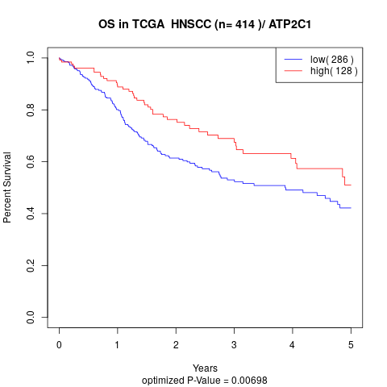

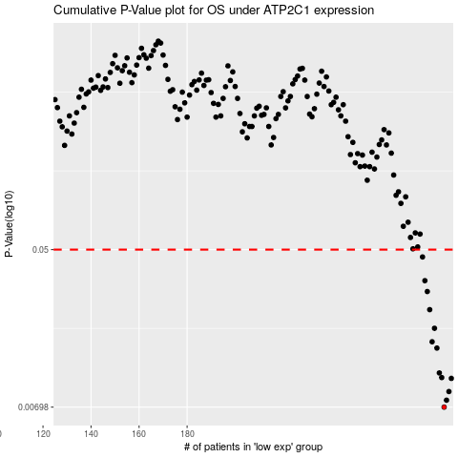

 |  |  |  |  |  | cases_OS | p_OS | rank | exp
 |  |  |  |  |  | 287 | 0.00698 | 146 | 0.30707778363
 |  |  |  |  |  | 288 | 0.00761 | 22 | 0.32373235596
 |  |  |  |  |  | 289 | 0.00848 | 103 | 0.32755361298
 |  |  |  |  |  | 290 | 0.01 | 129 | 0.33686772918
 |  |  |  |  |  | 286 | 0.0101 | 62 | 0.30142316874
 |  |  |  |  |  | 285 | 0.0107 | 10 | 0.30136146615
 |  |  |  |  |  | 284 | 0.0146 | 163 | 0.29651436408
 |  |  |  |  |  | 282 | 0.0158 | 310 | 0.29241718576
 |  |  |  |  |  | 283 | 0.0187 | 249 | 0.29287859454
 |  |  |  |  |  | 281 | 0.0236 | 225 | 0.28587607873
 |  |  |  |  |  | 280 | 0.0296 | 4 | 0.28278031756
 |  |  |  |  |  | 279 | 0.0339 | 401 | 0.27791935615
 |  |  |  |  |  | 278 | 0.0456 | 221 | 0.26993750954
 |  |  |  |  |  |  | cases_RFS | p_RFS | rank | exp
 |  |  |  |  |  |  | 286 | 0.00698 | 62 | 0.30142316874
 |  |  |  |  |  |  | 287 | 0.00761 | 146 | 0.30707778363
 |  |  |  |  |  |  | 288 | 0.00848 | 22 | 0.32373235596
 |  |  |  |  |  |  | 289 | 0.01 | 103 | 0.32755361298
 |  |  |  |  |  |  | 285 | 0.0101 | 10 | 0.30136146615
 |  |  |  |  |  |  | 284 | 0.0107 | 163 | 0.29651436408
 |  |  |  |  |  |  | 283 | 0.0146 | 249 | 0.29287859454
 |  |  |  |  |  |  | 281 | 0.0158 | 225 | 0.28587607873
 |  |  |  |  |  |  | 282 | 0.0187 | 310 | 0.29241718576
 |  |  |  |  |  |  | 280 | 0.0236 | 4 | 0.28278031756
 |  |  |  |  |  |  | 279 | 0.0296 | 401 | 0.27791935615
 |  |  |  |  |  |  | 278 | 0.0339 | 221 | 0.26993750954
 |  |  |  |  |  |  | 277 | 0.0456 | 138 | 0.25977240392

