ATP5EP2 _multivariate
Reported by Tex Li-Hsing Chi. tex@gate.sinica.edu.tw 2019-08-21

Table 2. The clinicopathological features of HNSCC cohort and ATP5EP2 expression. (Chi square test)
Cutoff at -0.138 (64.7%)
 |  | ATP5EP2 expression |  | ATP5EP2 expression |  | (Optimised)
 | Features | Low | (%) | High | (%) | Case no | P-value | Remark | Matthews
Gender | Female | 196 | 47.2 | 110 | 26.5 | 415 | 0.7958 | 0 | 0
2 | Male | 72 | 17.3 | 37 | 8.9
Age at diagnosis | <=65y | 177 | 42.7 | 97 | 23.4 | 415 | 1 | 0 | 0
4 | >65y | 91 | 21.9 | 50 | 12
Clinical T Status | T1+T2 | 96 | 23.1 | 53 | 12.8 | 415 | 1 | 0 | 0
6 | T3+T4 | 172 | 41.4 | 94 | 22.7
Clinical N Status | N0 | 145 | 34.9 | 71 | 17.1 | 415 | 0.3033 | 0 | 0
8 | N1-3 | 123 | 29.6 | 76 | 18.3
Clinical M Status | M0 | 267 | 64.3 | 145 | 34.9 | 415 | 0.287 | 0 | 0
10 | M1 | 1 | 0.2 | 2 | 0.5
Clinical Stage | Stage I+II | 69 | 16.6 | 33 | 8 | 415 | 0.5307 | 0 | 0
12 | Stage III+IV | 199 | 48 | 114 | 27.5
Surgical Margin status | Negative | 214 | 51.6 | 104 | 25.1 | 415 | 0.0397 | 1 | 0
14 | Positive | 54 | 13 | 43 | 10.4
Tobacco Exposure | Low | 102 | 24.6 | 59 | 14.2 | 415 | 0.6753 | 0 | 0
16 | High | 166 | 40 | 88 | 21.2

Table 3. Univariate/Multivariate Cox's proportional hazards regression analyses on OS time of ATP5EP2 gene expression in HNSCC

 |  | Univariate |  |  |  | Multivariate
 | Features | HR | CI95%(L) | CI95%(H) | P-value | HR | CI95%(L) | CI95%(H) | P-value
1 | Female | 1 |  |  |  | 1
Gender | Male | 1.157 | 0.843 | 1.587 | 0.367 | 1.161 | 0.83 | 1.626 | 0.383
11 | <=65y | 1 |  |  |  | 1
Age at diagnosis | >65y | 1.329 | 0.99 | 1.784 | 0.058 | 1.39 | 1.023 | 1.888 | 0.035
12 | T1+T2 | 1 |  |  |  | 1
Clinical T Status | T3+T4 | 1.409 | 1.028 | 1.931 | 0.033 | 2.257 | 1.193 | 4.269 | 0.012
13 | N0 | 1 |  |  |  | 1
Clinical N Status | N1-3 | 1.185 | 0.89 | 1.577 | 0.246 | 1.245 | 0.873 | 1.775 | 0.226
14 | M0 | 1 |  |  |  | 1
Clinical M Status | M1 | 4.097 | 1.009 | 16.644 | 0.049 | 8.427 | 1.828 | 38.849 | 0.006
15 | Stage I+II | 1 |  |  |  | 1
Clinical Stage | Stage III+IV | 1.245 | 0.882 | 1.759 | 0.213 | 0.49 | 0.228 | 1.051 | 0.067
16 | Negative | 1 |  |  |  | 1
Surgical Margin status | Positive | 1.591 | 1.155 | 2.191 | 0.004 | 1.597 | 1.151 | 2.216 | 0.005
17 | Low | 1 |  |  |  | 1
Tobacco Exposure | High | 1.364 | 1.008 | 1.844 | 0.044 | 1.452 | 1.054 | 2.001 | 0.022
18 | Low | 1 |  |  |  | 1
RNAseq(z-score) | High | 1.403 | 1.047 | 1.88 | 0.023 | 1.307 | 0.968 | 1.766 | 0.081

Table 4. Univariate/Multivariate Cox's proportional hazards regression analyses on RFS time of ATP5EP2 gene expression in HNSCC

 |  | Univariate |  |  |  | Multivariate
 | Features | HR | CI95%(L) | CI95%(H) | P-value | HR | CI95%(L) | CI95%(H) | P-value
1 | Female | 1 |  |  |  | 1
Gender | Male | 1.157 | 0.843 | 1.587 | 0.367 | 1.161 | 0.83 | 1.626 | 0.383
11 | <=65y | 1 |  |  |  | 1
Age at diagnosis | >65y | 1.329 | 0.99 | 1.784 | 0.058 | 1.39 | 1.023 | 1.888 | 0.035
12 | T1+T2 | 1 |  |  |  | 1
Clinical T Status | T3+T4 | 1.409 | 1.028 | 1.931 | 0.033 | 2.257 | 1.193 | 4.269 | 0.012
13 | N0 | 1 |  |  |  | 1
Clinical N Status | N1-3 | 1.185 | 0.89 | 1.577 | 0.246 | 1.245 | 0.873 | 1.775 | 0.226
14 | M0 | 1 |  |  |  | 1
Clinical M Status | M1 | 4.097 | 1.009 | 16.644 | 0.049 | 8.427 | 1.828 | 38.849 | 0.006
15 | Stage I+II | 1 |  |  |  | 1
Clinical Stage | Stage III+IV | 1.245 | 0.882 | 1.759 | 0.213 | 0.49 | 0.228 | 1.051 | 0.067
16 | Negative | 1 |  |  |  | 1
Surgical Margin status | Positive | 1.591 | 1.155 | 2.191 | 0.004 | 1.597 | 1.151 | 2.216 | 0.005
17 | Low | 1 |  |  |  | 1
Tobacco Exposure | High | 1.364 | 1.008 | 1.844 | 0.044 | 1.452 | 1.054 | 2.001 | 0.022
18 | Low | 1 |  |  |  | 1
RNAseq(z-score) | High | 1.403 | 1.047 | 1.88 | 0.023 | 1.307 | 0.968 | 1.766 | 0.081

Kaplan-Meier survival estimate: Cutoff at -0.138 (64.7%)

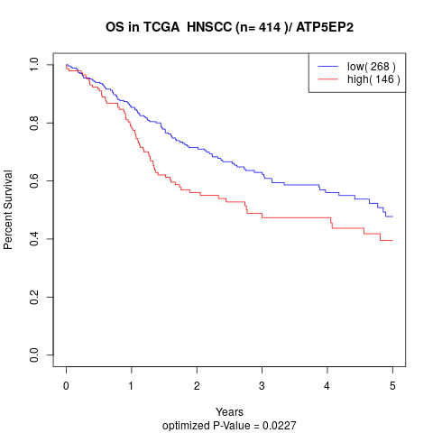

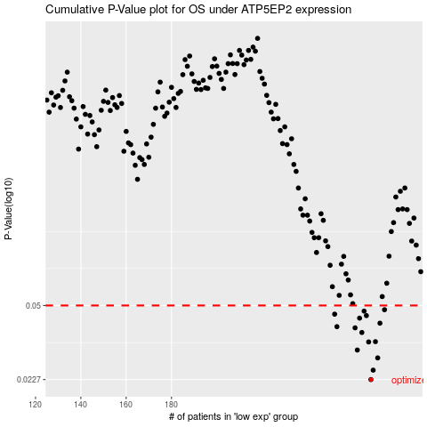

 |  |  |  |  |  | cases_OS | p_OS | rank | exp
 |  |  |  |  |  | 268 | 0.0227 | 211 | -0.13787416737
 |  |  |  |  |  | 269 | 0.0251 | 58 | -0.12839884487
 |  |  |  |  |  | 271 | 0.0286 | 217 | -0.1237766058
 |  |  |  |  |  | 262 | 0.0311 | 389 | -0.15192820032
 |  |  |  |  |  | 267 | 0.0339 | 403 | -0.14367060858
 |  |  |  |  |  | 270 | 0.034 | 96 | -0.12716042019
 |  |  |  |  |  | 264 | 0.0375 | 180 | -0.1474493916
 |  |  |  |  |  | 261 | 0.0394 | 42 | -0.16209926702
 |  |  |  |  |  | 253 | 0.0399 | 239 | -0.18630295916
 |  |  |  |  |  | 272 | 0.0414 | 372 | -0.11918076934
 |  |  |  |  |  | 263 | 0.0437 | 292 | -0.14972501033
 |  |  |  |  |  | 266 | 0.0449 | 109 | -0.14659808612
 |  |  |  |  |  | 252 | 0.0456 | 367 | -0.18670470684
 |  |  |  |  |  | 265 | 0.0471 | 277 | -0.14680716618
 |  |  |  |  |  | 274 | 0.0478 | 221 | -0.11803974884
 |  |  |  |  |  |  | cases_RFS | p_RFS | rank | exp
 |  |  |  |  |  |  | 267 | 0.0227 | 403 | -0.14367060858
 |  |  |  |  |  |  | 268 | 0.0251 | 211 | -0.13787416737
 |  |  |  |  |  |  | 270 | 0.0286 | 96 | -0.12716042019
 |  |  |  |  |  |  | 261 | 0.0311 | 42 | -0.16209926702
 |  |  |  |  |  |  | 266 | 0.0339 | 109 | -0.14659808612
 |  |  |  |  |  |  | 269 | 0.034 | 58 | -0.12839884487
 |  |  |  |  |  |  | 263 | 0.0375 | 292 | -0.14972501033
 |  |  |  |  |  |  | 260 | 0.0394 | 399 | -0.16450689876
 |  |  |  |  |  |  | 252 | 0.0399 | 367 | -0.18670470684
 |  |  |  |  |  |  | 271 | 0.0414 | 217 | -0.1237766058
 |  |  |  |  |  |  | 262 | 0.0437 | 389 | -0.15192820032
 |  |  |  |  |  |  | 265 | 0.0449 | 277 | -0.14680716618
 |  |  |  |  |  |  | 251 | 0.0456 | 321 | -0.19260996958
 |  |  |  |  |  |  | 264 | 0.0471 | 180 | -0.1474493916
 |  |  |  |  |  |  | 273 | 0.0478 | 354 | -0.11825846228

