ATP5F1 _multivariate
Reported by Tex Li-Hsing Chi. tex@gate.sinica.edu.tw 2019-08-21

Table 2. The clinicopathological features of HNSCC cohort and ATP5F1 expression. (Chi square test)
Cutoff at -0.105 (56.0%)
 |  | ATP5F1 expression |  | ATP5F1 expression |  | (Optimised)
 | Features | Low | (%) | High | (%) | Case no | P-value | Remark | Matthews
Gender | Female | 180 | 43.4 | 126 | 30.4 | 415 | 0.0581 | 0 | 0
2 | Male | 52 | 12.5 | 57 | 13.7
Age at diagnosis | <=65y | 153 | 36.9 | 121 | 29.2 | 415 | 1 | 0 | 0
4 | >65y | 79 | 19 | 62 | 14.9
Clinical T Status | T1+T2 | 77 | 18.6 | 72 | 17.3 | 415 | 0.2322 | 0 | 0
6 | T3+T4 | 155 | 37.3 | 111 | 26.7
Clinical N Status | N0 | 123 | 29.6 | 93 | 22.4 | 415 | 0.7294 | 0 | 0
8 | N1-3 | 109 | 26.3 | 90 | 21.7
Clinical M Status | M0 | 230 | 55.4 | 182 | 43.9 | 415 | 1 | 0 | 0
10 | M1 | 2 | 0.5 | 1 | 0.2
Clinical Stage | Stage I+II | 52 | 12.5 | 50 | 12 | 415 | 0.2991 | 0 | 0
12 | Stage III+IV | 180 | 43.4 | 133 | 32
Surgical Margin status | Negative | 187 | 45.1 | 131 | 31.6 | 415 | 0.0356 | 1 | 0
14 | Positive | 45 | 10.8 | 52 | 12.5
Tobacco Exposure | Low | 88 | 21.2 | 73 | 17.6 | 415 | 0.6864 | 0 | 0
16 | High | 144 | 34.7 | 110 | 26.5

Table 3. Univariate/Multivariate Cox's proportional hazards regression analyses on OS time of ATP5F1 gene expression in HNSCC

 |  | Univariate |  |  |  | Multivariate
 | Features | HR | CI95%(L) | CI95%(H) | P-value | HR | CI95%(L) | CI95%(H) | P-value
1 | Female | 1 |  |  |  | 1
Gender | Male | 1.157 | 0.843 | 1.587 | 0.367 | 1.161 | 0.83 | 1.624 | 0.384
11 | <=65y | 1 |  |  |  | 1
Age at diagnosis | >65y | 1.329 | 0.99 | 1.784 | 0.058 | 1.421 | 1.045 | 1.933 | 0.025
12 | T1+T2 | 1 |  |  |  | 1
Clinical T Status | T3+T4 | 1.409 | 1.028 | 1.931 | 0.033 | 2.221 | 1.176 | 4.194 | 0.014
13 | N0 | 1 |  |  |  | 1
Clinical N Status | N1-3 | 1.185 | 0.89 | 1.577 | 0.246 | 1.226 | 0.859 | 1.749 | 0.262
14 | M0 | 1 |  |  |  | 1
Clinical M Status | M1 | 4.097 | 1.009 | 16.644 | 0.049 | 9.516 | 2.076 | 43.613 | 0.004
15 | Stage I+II | 1 |  |  |  | 1
Clinical Stage | Stage III+IV | 1.245 | 0.882 | 1.759 | 0.213 | 0.516 | 0.241 | 1.107 | 0.09
16 | Negative | 1 |  |  |  | 1
Surgical Margin status | Positive | 1.591 | 1.155 | 2.191 | 0.004 | 1.577 | 1.136 | 2.191 | 0.007
17 | Low | 1 |  |  |  | 1
Tobacco Exposure | High | 1.364 | 1.008 | 1.844 | 0.044 | 1.445 | 1.049 | 1.99 | 0.024
18 | Low | 1 |  |  |  | 1
RNAseq(z-score) | High | 1.375 | 1.03 | 1.836 | 0.03 | 1.319 | 0.979 | 1.778 | 0.069

Table 4. Univariate/Multivariate Cox's proportional hazards regression analyses on RFS time of ATP5F1 gene expression in HNSCC

 |  | Univariate |  |  |  | Multivariate
 | Features | HR | CI95%(L) | CI95%(H) | P-value | HR | CI95%(L) | CI95%(H) | P-value
1 | Female | 1 |  |  |  | 1
Gender | Male | 1.157 | 0.843 | 1.587 | 0.367 | 1.161 | 0.83 | 1.624 | 0.384
11 | <=65y | 1 |  |  |  | 1
Age at diagnosis | >65y | 1.329 | 0.99 | 1.784 | 0.058 | 1.421 | 1.045 | 1.933 | 0.025
12 | T1+T2 | 1 |  |  |  | 1
Clinical T Status | T3+T4 | 1.409 | 1.028 | 1.931 | 0.033 | 2.221 | 1.176 | 4.194 | 0.014
13 | N0 | 1 |  |  |  | 1
Clinical N Status | N1-3 | 1.185 | 0.89 | 1.577 | 0.246 | 1.226 | 0.859 | 1.749 | 0.262
14 | M0 | 1 |  |  |  | 1
Clinical M Status | M1 | 4.097 | 1.009 | 16.644 | 0.049 | 9.516 | 2.076 | 43.613 | 0.004
15 | Stage I+II | 1 |  |  |  | 1
Clinical Stage | Stage III+IV | 1.245 | 0.882 | 1.759 | 0.213 | 0.516 | 0.241 | 1.107 | 0.09
16 | Negative | 1 |  |  |  | 1
Surgical Margin status | Positive | 1.591 | 1.155 | 2.191 | 0.004 | 1.577 | 1.136 | 2.191 | 0.007
17 | Low | 1 |  |  |  | 1
Tobacco Exposure | High | 1.364 | 1.008 | 1.844 | 0.044 | 1.445 | 1.049 | 1.99 | 0.024
18 | Low | 1 |  |  |  | 1
RNAseq(z-score) | High | 1.375 | 1.03 | 1.836 | 0.03 | 1.319 | 0.979 | 1.778 | 0.069

Kaplan-Meier survival estimate: Cutoff at -0.105 (56.0%)

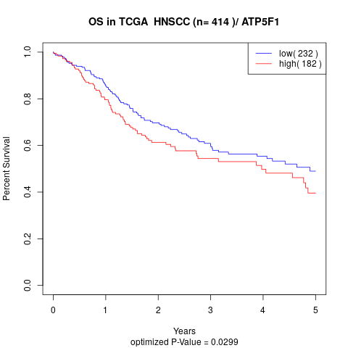

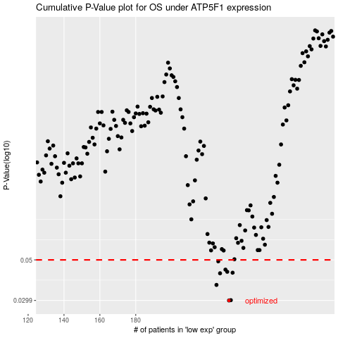

 |  |  |  |  |  | cases_OS | p_OS | rank | exp
 |  |  |  |  |  | 232 | 0.0299 | 228 | -0.10509445606
 |  |  |  |  |  | 233 | 0.03 | 124 | -0.10032235707
 |  |  |  |  |  | 225 | 0.0364 | 114 | -0.14079919047
 |  |  |  |  |  | 227 | 0.0422 | 79 | -0.13375694633
 |  |  |  |  |  | 234 | 0.0425 | 82 | -0.088651121243
 |  |  |  |  |  | 231 | 0.043 | 362 | -0.11491562145
 |  |  |  |  |  | 230 | 0.0442 | 25 | -0.11582391293
 |  |  |  |  |  | 226 | 0.0491 | 293 | -0.13935617683
 |  |  |  |  |  |  | cases_RFS | p_RFS | rank | exp
 |  |  |  |  |  |  | 231 | 0.0299 | 362 | -0.11491562145
 |  |  |  |  |  |  | 232 | 0.03 | 228 | -0.10509445606
 |  |  |  |  |  |  | 224 | 0.0364 | 26 | -0.15080727519
 |  |  |  |  |  |  | 226 | 0.0422 | 293 | -0.13935617683
 |  |  |  |  |  |  | 233 | 0.0425 | 124 | -0.10032235707
 |  |  |  |  |  |  | 230 | 0.043 | 25 | -0.11582391293
 |  |  |  |  |  |  | 229 | 0.0442 | 49 | -0.12623770776
 |  |  |  |  |  |  | 225 | 0.0491 | 114 | -0.14079919047

